GAST _multivariate
Reported by Tex Li-Hsing Chi. tex@gate.sinica.edu.tw 2019-08-19

Table 2. The clinicopathological features of HNSCC cohort and GAST expression. (Chi square test)
Cutoff at -0.289 (48.8%)
 |  | GAST expression |  | GAST expression |  | (Optimised)
 | Features | Low | (%) | High | (%) | Case no | P-value | Remark | Matthews
Gender | Female | 150 | 36.1 | 156 | 37.6 | 415 | 0.9014 | 0 | 0
2 | Male | 52 | 12.5 | 57 | 13.7
Age at diagnosis | <=65y | 138 | 33.3 | 136 | 32.8 | 415 | 0.3916 | 0 | 0
4 | >65y | 64 | 15.4 | 77 | 18.6
Clinical T Status | T1+T2 | 88 | 21.2 | 61 | 14.7 | 415 | 0.0022 | 1 | 0
6 | T3+T4 | 114 | 27.5 | 152 | 36.6
Clinical N Status | N0 | 100 | 24.1 | 116 | 28 | 415 | 0.362 | 0 | 0
8 | N1-3 | 102 | 24.6 | 97 | 23.4
Clinical M Status | M0 | 201 | 48.4 | 211 | 50.8 | 415 | 1 | 0 | 0
10 | M1 | 1 | 0.2 | 2 | 0.5
Clinical Stage | Stage I+II | 57 | 13.7 | 45 | 10.8 | 415 | 0.1181 | 0 | 0
12 | Stage III+IV | 145 | 34.9 | 168 | 40.5
Surgical Margin status | Negative | 150 | 36.1 | 168 | 40.5 | 415 | 0.2969 | 0 | 0
14 | Positive | 52 | 12.5 | 45 | 10.8
Tobacco Exposure | Low | 80 | 19.3 | 81 | 19.5 | 415 | 0.7631 | 0 | 0
16 | High | 122 | 29.4 | 132 | 31.8

Table 3. Univariate/Multivariate Cox's proportional hazards regression analyses on OS time of GAST gene expression in HNSCC

 |  | Univariate |  |  |  | Multivariate
 | Features | HR | CI95%(L) | CI95%(H) | P-value | HR | CI95%(L) | CI95%(H) | P-value
1 | Female | 1 |  |  |  | 1
Gender | Male | 1.157 | 0.843 | 1.587 | 0.367 | 1.208 | 0.864 | 1.69 | 0.269
11 | <=65y | 1 |  |  |  | 1
Age at diagnosis | >65y | 1.329 | 0.99 | 1.784 | 0.058 | 1.37 | 1.007 | 1.864 | 0.045
12 | T1+T2 | 1 |  |  |  | 1
Clinical T Status | T3+T4 | 1.409 | 1.028 | 1.931 | 0.033 | 2.072 | 1.091 | 3.934 | 0.026
13 | N0 | 1 |  |  |  | 1
Clinical N Status | N1-3 | 1.185 | 0.89 | 1.577 | 0.246 | 1.272 | 0.89 | 1.817 | 0.187
14 | M0 | 1 |  |  |  | 1
Clinical M Status | M1 | 4.097 | 1.009 | 16.644 | 0.049 | 8.324 | 1.803 | 38.42 | 0.007
15 | Stage I+II | 1 |  |  |  | 1
Clinical Stage | Stage III+IV | 1.245 | 0.882 | 1.759 | 0.213 | 0.507 | 0.236 | 1.087 | 0.081
16 | Negative | 1 |  |  |  | 1
Surgical Margin status | Positive | 1.591 | 1.155 | 2.191 | 0.004 | 1.675 | 1.212 | 2.314 | 0.002
17 | Low | 1 |  |  |  | 1
Tobacco Exposure | High | 1.364 | 1.008 | 1.844 | 0.044 | 1.469 | 1.065 | 2.026 | 0.019
18 | Low | 1 |  |  |  | 1
RNAseq(z-score) | High | 1.337 | 1.001 | 1.786 | 0.049 | 1.28 | 0.951 | 1.724 | 0.104

Table 4. Univariate/Multivariate Cox's proportional hazards regression analyses on RFS time of GAST gene expression in HNSCC

 |  | Univariate |  |  |  | Multivariate
 | Features | HR | CI95%(L) | CI95%(H) | P-value | HR | CI95%(L) | CI95%(H) | P-value
1 | Female | 1 |  |  |  | 1
Gender | Male | 1.157 | 0.843 | 1.587 | 0.367 | 1.208 | 0.864 | 1.69 | 0.269
11 | <=65y | 1 |  |  |  | 1
Age at diagnosis | >65y | 1.329 | 0.99 | 1.784 | 0.058 | 1.37 | 1.007 | 1.864 | 0.045
12 | T1+T2 | 1 |  |  |  | 1
Clinical T Status | T3+T4 | 1.409 | 1.028 | 1.931 | 0.033 | 2.072 | 1.091 | 3.934 | 0.026
13 | N0 | 1 |  |  |  | 1
Clinical N Status | N1-3 | 1.185 | 0.89 | 1.577 | 0.246 | 1.272 | 0.89 | 1.817 | 0.187
14 | M0 | 1 |  |  |  | 1
Clinical M Status | M1 | 4.097 | 1.009 | 16.644 | 0.049 | 8.324 | 1.803 | 38.42 | 0.007
15 | Stage I+II | 1 |  |  |  | 1
Clinical Stage | Stage III+IV | 1.245 | 0.882 | 1.759 | 0.213 | 0.507 | 0.236 | 1.087 | 0.081
16 | Negative | 1 |  |  |  | 1
Surgical Margin status | Positive | 1.591 | 1.155 | 2.191 | 0.004 | 1.675 | 1.212 | 2.314 | 0.002
17 | Low | 1 |  |  |  | 1
Tobacco Exposure | High | 1.364 | 1.008 | 1.844 | 0.044 | 1.469 | 1.065 | 2.026 | 0.019
18 | Low | 1 |  |  |  | 1
RNAseq(z-score) | High | 1.337 | 1.001 | 1.786 | 0.049 | 1.28 | 0.951 | 1.724 | 0.104

Kaplan-Meier survival estimate: Cutoff at -0.289 (48.8%)



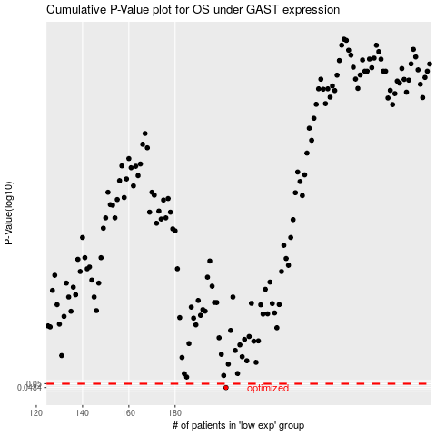

 |  |  |  |  |  | cases_OS | p_OS | rank | exp
 |  |  |  |  |  | 202 | 0.0484 | 74 | -0.2886688174
 |  |  |  |  |  |  | cases_RFS | p_RFS | rank | exp
 |  |  |  |  |  |  | 201 | 0.0484 | 307 | -0.28906962285

