GATAD2A _multivariate
Reported by Tex Li-Hsing Chi. tex@gate.sinica.edu.tw 2019-08-19

Table 2. The clinicopathological features of HNSCC cohort and GATAD2A expression. (Chi square test)
Cutoff at 0.109 (49.8%)
 |  | GATAD2A expression |  | GATAD2A expression |  | (Optimised)
 | Features | Low | (%) | High | (%) | Case no | P-value | Remark | Matthews
Gender | Female | 151 | 36.4 | 155 | 37.3 | 415 | 0.8007 | 0 | 0
2 | Male | 56 | 13.5 | 53 | 12.8
Age at diagnosis | <=65y | 136 | 32.8 | 138 | 33.3 | 415 | 0.9719 | 0 | 0
4 | >65y | 71 | 17.1 | 70 | 16.9
Clinical T Status | T1+T2 | 86 | 20.7 | 63 | 15.2 | 415 | 0.0221 | 1 | 0
6 | T3+T4 | 121 | 29.2 | 145 | 34.9
Clinical N Status | N0 | 101 | 24.3 | 115 | 27.7 | 415 | 0.2201 | 0 | 0
8 | N1-3 | 106 | 25.5 | 93 | 22.4
Clinical M Status | M0 | 205 | 49.4 | 207 | 49.9 | 415 | 0.6232 | 0 | 0
10 | M1 | 2 | 0.5 | 1 | 0.2
Clinical Stage | Stage I+II | 53 | 12.8 | 49 | 11.8 | 415 | 0.7113 | 0 | 0
12 | Stage III+IV | 154 | 37.1 | 159 | 38.3
Surgical Margin status | Negative | 154 | 37.1 | 164 | 39.5 | 415 | 0.2984 | 0 | 0
14 | Positive | 53 | 12.8 | 44 | 10.6
Tobacco Exposure | Low | 82 | 19.8 | 79 | 19 | 415 | 0.763 | 0 | 0
16 | High | 125 | 30.1 | 129 | 31.1

Table 3. Univariate/Multivariate Cox's proportional hazards regression analyses on OS time of GATAD2A gene expression in HNSCC

 |  | Univariate |  |  |  | Multivariate
 | Features | HR | CI95%(L) | CI95%(H) | P-value | HR | CI95%(L) | CI95%(H) | P-value
1 | Female | 1 |  |  |  | 1
Gender | Male | 1.157 | 0.843 | 1.587 | 0.367 | 1.211 | 0.866 | 1.694 | 0.263
11 | <=65y | 1 |  |  |  | 1
Age at diagnosis | >65y | 1.329 | 0.99 | 1.784 | 0.058 | 1.399 | 1.028 | 1.902 | 0.033
12 | T1+T2 | 1 |  |  |  | 1
Clinical T Status | T3+T4 | 1.409 | 1.028 | 1.931 | 0.033 | 2.148 | 1.131 | 4.077 | 0.019
13 | N0 | 1 |  |  |  | 1
Clinical N Status | N1-3 | 1.185 | 0.89 | 1.577 | 0.246 | 1.253 | 0.877 | 1.789 | 0.216
14 | M0 | 1 |  |  |  | 1
Clinical M Status | M1 | 4.097 | 1.009 | 16.644 | 0.049 | 9.315 | 2.032 | 42.706 | 0.004
15 | Stage I+II | 1 |  |  |  | 1
Clinical Stage | Stage III+IV | 1.245 | 0.882 | 1.759 | 0.213 | 0.512 | 0.238 | 1.101 | 0.087
16 | Negative | 1 |  |  |  | 1
Surgical Margin status | Positive | 1.591 | 1.155 | 2.191 | 0.004 | 1.686 | 1.219 | 2.331 | 0.002
17 | Low | 1 |  |  |  | 1
Tobacco Exposure | High | 1.364 | 1.008 | 1.844 | 0.044 | 1.454 | 1.055 | 2.006 | 0.022
18 | Low | 1 |  |  |  | 1
RNAseq(z-score) | High | 1.097 | 0.822 | 1.463 | 0.53 | 1.106 | 0.825 | 1.484 | 0.501

Table 4. Univariate/Multivariate Cox's proportional hazards regression analyses on RFS time of GATAD2A gene expression in HNSCC

 |  | Univariate |  |  |  | Multivariate
 | Features | HR | CI95%(L) | CI95%(H) | P-value | HR | CI95%(L) | CI95%(H) | P-value
1 | Female | 1 |  |  |  | 1
Gender | Male | 1.157 | 0.843 | 1.587 | 0.367 | 1.211 | 0.866 | 1.694 | 0.263
11 | <=65y | 1 |  |  |  | 1
Age at diagnosis | >65y | 1.329 | 0.99 | 1.784 | 0.058 | 1.399 | 1.028 | 1.902 | 0.033
12 | T1+T2 | 1 |  |  |  | 1
Clinical T Status | T3+T4 | 1.409 | 1.028 | 1.931 | 0.033 | 2.148 | 1.131 | 4.077 | 0.019
13 | N0 | 1 |  |  |  | 1
Clinical N Status | N1-3 | 1.185 | 0.89 | 1.577 | 0.246 | 1.253 | 0.877 | 1.789 | 0.216
14 | M0 | 1 |  |  |  | 1
Clinical M Status | M1 | 4.097 | 1.009 | 16.644 | 0.049 | 9.315 | 2.032 | 42.706 | 0.004
15 | Stage I+II | 1 |  |  |  | 1
Clinical Stage | Stage III+IV | 1.245 | 0.882 | 1.759 | 0.213 | 0.512 | 0.238 | 1.101 | 0.087
16 | Negative | 1 |  |  |  | 1
Surgical Margin status | Positive | 1.591 | 1.155 | 2.191 | 0.004 | 1.686 | 1.219 | 2.331 | 0.002
17 | Low | 1 |  |  |  | 1
Tobacco Exposure | High | 1.364 | 1.008 | 1.844 | 0.044 | 1.454 | 1.055 | 2.006 | 0.022
18 | Low | 1 |  |  |  | 1
RNAseq(z-score) | High | 1.097 | 0.822 | 1.463 | 0.53 | 1.106 | 0.825 | 1.484 | 0.501

Kaplan-Meier survival estimate: Cutoff at 0.109 (49.8%)



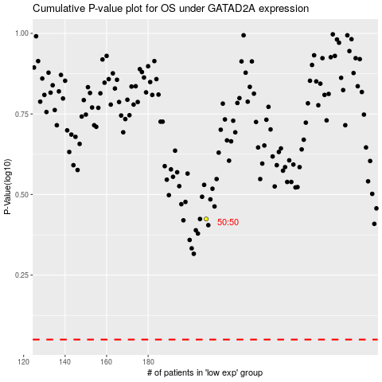

 |  |  |  |  |  | cases_OS | p_OS | rank | exp
 |  |  |  |  |  |  | cases_RFS | p_RFS | rank | exp

