GATAD2B _multivariate
Reported by Tex Li-Hsing Chi. tex@gate.sinica.edu.tw 2019-08-19

Table 2. The clinicopathological features of HNSCC cohort and GATAD2B expression. (Chi square test)
Cutoff at -0.113 (49.8%)
 |  | GATAD2B expression |  | GATAD2B expression |  | (Optimised)
 | Features | Low | (%) | High | (%) | Case no | P-value | Remark | Matthews
Gender | Female | 145 | 34.9 | 161 | 38.8 | 415 | 0.1116 | 0 | 0
2 | Male | 62 | 14.9 | 47 | 11.3
Age at diagnosis | <=65y | 136 | 32.8 | 138 | 33.3 | 415 | 0.9719 | 0 | 0
4 | >65y | 71 | 17.1 | 70 | 16.9
Clinical T Status | T1+T2 | 84 | 20.2 | 65 | 15.7 | 415 | 0.0603 | 0 | 0
6 | T3+T4 | 123 | 29.6 | 143 | 34.5
Clinical N Status | N0 | 114 | 27.5 | 102 | 24.6 | 415 | 0.2576 | 1 | 0
8 | N1-3 | 93 | 22.4 | 106 | 25.5
Clinical M Status | M0 | 204 | 49.2 | 208 | 50.1 | 415 | 0.1232 | 0 | 0
10 | M1 | 3 | 0.7 | 0 | 0
Clinical Stage | Stage I+II | 61 | 14.7 | 41 | 9.9 | 415 | 0.0282 | 1 | 0
12 | Stage III+IV | 146 | 35.2 | 167 | 40.2
Surgical Margin status | Negative | 159 | 38.3 | 159 | 38.3 | 415 | 1 | 0 | 0
14 | Positive | 48 | 11.6 | 49 | 11.8
Tobacco Exposure | Low | 89 | 21.4 | 72 | 17.3 | 415 | 0.0872 | 0 | 0
16 | High | 118 | 28.4 | 136 | 32.8

Table 3. Univariate/Multivariate Cox's proportional hazards regression analyses on OS time of GATAD2B gene expression in HNSCC

 |  | Univariate |  |  |  | Multivariate
 | Features | HR | CI95%(L) | CI95%(H) | P-value | HR | CI95%(L) | CI95%(H) | P-value
1 | Female | 1 |  |  |  | 1
Gender | Male | 1.157 | 0.843 | 1.587 | 0.367 | 1.23 | 0.879 | 1.721 | 0.228
11 | <=65y | 1 |  |  |  | 1
Age at diagnosis | >65y | 1.329 | 0.99 | 1.784 | 0.058 | 1.402 | 1.031 | 1.907 | 0.031
12 | T1+T2 | 1 |  |  |  | 1
Clinical T Status | T3+T4 | 1.409 | 1.028 | 1.931 | 0.033 | 2.241 | 1.184 | 4.239 | 0.013
13 | N0 | 1 |  |  |  | 1
Clinical N Status | N1-3 | 1.185 | 0.89 | 1.577 | 0.246 | 1.247 | 0.873 | 1.781 | 0.225
14 | M0 | 1 |  |  |  | 1
Clinical M Status | M1 | 4.097 | 1.009 | 16.644 | 0.049 | 10.61 | 2.279 | 49.398 | 0.003
15 | Stage I+II | 1 |  |  |  | 1
Clinical Stage | Stage III+IV | 1.245 | 0.882 | 1.759 | 0.213 | 0.478 | 0.222 | 1.034 | 0.061
16 | Negative | 1 |  |  |  | 1
Surgical Margin status | Positive | 1.591 | 1.155 | 2.191 | 0.004 | 1.674 | 1.212 | 2.314 | 0.002
17 | Low | 1 |  |  |  | 1
Tobacco Exposure | High | 1.364 | 1.008 | 1.844 | 0.044 | 1.453 | 1.055 | 2 | 0.022
18 | Low | 1 |  |  |  | 1
RNAseq(z-score) | High | 1.136 | 0.852 | 1.515 | 0.386 | 1.187 | 0.881 | 1.601 | 0.26

Table 4. Univariate/Multivariate Cox's proportional hazards regression analyses on RFS time of GATAD2B gene expression in HNSCC

 |  | Univariate |  |  |  | Multivariate
 | Features | HR | CI95%(L) | CI95%(H) | P-value | HR | CI95%(L) | CI95%(H) | P-value
1 | Female | 1 |  |  |  | 1
Gender | Male | 1.157 | 0.843 | 1.587 | 0.367 | 1.23 | 0.879 | 1.721 | 0.228
11 | <=65y | 1 |  |  |  | 1
Age at diagnosis | >65y | 1.329 | 0.99 | 1.784 | 0.058 | 1.402 | 1.031 | 1.907 | 0.031
12 | T1+T2 | 1 |  |  |  | 1
Clinical T Status | T3+T4 | 1.409 | 1.028 | 1.931 | 0.033 | 2.241 | 1.184 | 4.239 | 0.013
13 | N0 | 1 |  |  |  | 1
Clinical N Status | N1-3 | 1.185 | 0.89 | 1.577 | 0.246 | 1.247 | 0.873 | 1.781 | 0.225
14 | M0 | 1 |  |  |  | 1
Clinical M Status | M1 | 4.097 | 1.009 | 16.644 | 0.049 | 10.61 | 2.279 | 49.398 | 0.003
15 | Stage I+II | 1 |  |  |  | 1
Clinical Stage | Stage III+IV | 1.245 | 0.882 | 1.759 | 0.213 | 0.478 | 0.222 | 1.034 | 0.061
16 | Negative | 1 |  |  |  | 1
Surgical Margin status | Positive | 1.591 | 1.155 | 2.191 | 0.004 | 1.674 | 1.212 | 2.314 | 0.002
17 | Low | 1 |  |  |  | 1
Tobacco Exposure | High | 1.364 | 1.008 | 1.844 | 0.044 | 1.453 | 1.055 | 2 | 0.022
18 | Low | 1 |  |  |  | 1
RNAseq(z-score) | High | 1.136 | 0.852 | 1.515 | 0.386 | 1.187 | 0.881 | 1.601 | 0.26

Kaplan-Meier survival estimate: Cutoff at -0.113 (49.8%)

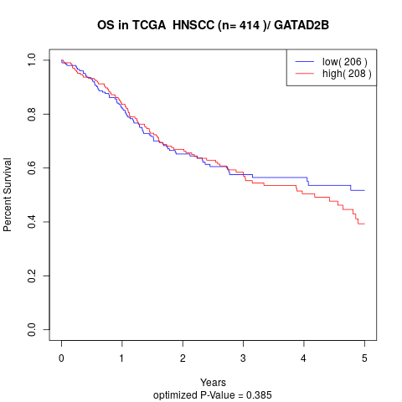

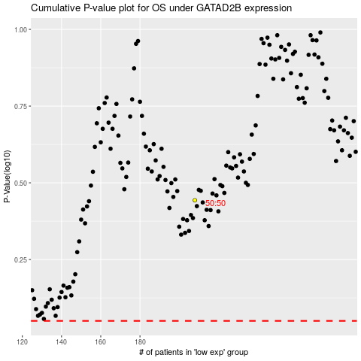

 |  |  |  |  |  | cases_OS | p_OS | rank | exp
 |  |  |  |  |  |  | cases_RFS | p_RFS | rank | exp

