GATM _multivariate
Reported by Tex Li-Hsing Chi. tex@gate.sinica.edu.tw 2019-08-19

Table 2. The clinicopathological features of HNSCC cohort and GATM expression. (Chi square test)
Cutoff at -0.304 (59.7%)
 |  | GATM expression |  | GATM expression |  | (Optimised)
 | Features | Low | (%) | High | (%) | Case no | P-value | Remark | Matthews
Gender | Female | 173 | 41.7 | 133 | 32 | 415 | 0.0332 | 1 | 0
2 | Male | 75 | 18.1 | 34 | 8.2
Age at diagnosis | <=65y | 157 | 37.8 | 117 | 28.2 | 415 | 0.1872 | 0 | 0
4 | >65y | 91 | 21.9 | 50 | 12
Clinical T Status | T1+T2 | 88 | 21.2 | 61 | 14.7 | 415 | 0.9101 | 0 | 0
6 | T3+T4 | 160 | 38.6 | 106 | 25.5
Clinical N Status | N0 | 129 | 31.1 | 87 | 21 | 415 | 1 | 0 | 0
8 | N1-3 | 119 | 28.7 | 80 | 19.3
Clinical M Status | M0 | 245 | 59 | 167 | 40.2 | 415 | 0.2768 | 0 | 0
10 | M1 | 3 | 0.7 | 0 | 0
Clinical Stage | Stage I+II | 62 | 14.9 | 40 | 9.6 | 415 | 0.899 | 0 | 0
12 | Stage III+IV | 186 | 44.8 | 127 | 30.6
Surgical Margin status | Negative | 192 | 46.3 | 126 | 30.4 | 415 | 0.6385 | 0 | 0
14 | Positive | 56 | 13.5 | 41 | 9.9
Tobacco Exposure | Low | 103 | 24.8 | 58 | 14 | 415 | 0.1821 | 0 | 0
16 | High | 145 | 34.9 | 109 | 26.3

Table 3. Univariate/Multivariate Cox's proportional hazards regression analyses on OS time of GATM gene expression in HNSCC

 |  | Univariate |  |  |  | Multivariate
 | Features | HR | CI95%(L) | CI95%(H) | P-value | HR | CI95%(L) | CI95%(H) | P-value
1 | Female | 1 |  |  |  | 1
Gender | Male | 1.157 | 0.843 | 1.587 | 0.367 | 1.16 | 0.828 | 1.627 | 0.389
11 | <=65y | 1 |  |  |  | 1
Age at diagnosis | >65y | 1.329 | 0.99 | 1.784 | 0.058 | 1.36 | 1 | 1.851 | 0.05
12 | T1+T2 | 1 |  |  |  | 1
Clinical T Status | T3+T4 | 1.409 | 1.028 | 1.931 | 0.033 | 2.146 | 1.135 | 4.06 | 0.019
13 | N0 | 1 |  |  |  | 1
Clinical N Status | N1-3 | 1.185 | 0.89 | 1.577 | 0.246 | 1.233 | 0.865 | 1.759 | 0.247
14 | M0 | 1 |  |  |  | 1
Clinical M Status | M1 | 4.097 | 1.009 | 16.644 | 0.049 | 8.185 | 1.774 | 37.773 | 0.007
15 | Stage I+II | 1 |  |  |  | 1
Clinical Stage | Stage III+IV | 1.245 | 0.882 | 1.759 | 0.213 | 0.528 | 0.245 | 1.135 | 0.102
16 | Negative | 1 |  |  |  | 1
Surgical Margin status | Positive | 1.591 | 1.155 | 2.191 | 0.004 | 1.651 | 1.195 | 2.281 | 0.002
17 | Low | 1 |  |  |  | 1
Tobacco Exposure | High | 1.364 | 1.008 | 1.844 | 0.044 | 1.482 | 1.074 | 2.047 | 0.017
18 | Low | 1 |  |  |  | 1
RNAseq(z-score) | High | 0.74 | 0.55 | 0.995 | 0.046 | 0.765 | 0.564 | 1.037 | 0.084

Table 4. Univariate/Multivariate Cox's proportional hazards regression analyses on RFS time of GATM gene expression in HNSCC

 |  | Univariate |  |  |  | Multivariate
 | Features | HR | CI95%(L) | CI95%(H) | P-value | HR | CI95%(L) | CI95%(H) | P-value
1 | Female | 1 |  |  |  | 1
Gender | Male | 1.157 | 0.843 | 1.587 | 0.367 | 1.16 | 0.828 | 1.627 | 0.389
11 | <=65y | 1 |  |  |  | 1
Age at diagnosis | >65y | 1.329 | 0.99 | 1.784 | 0.058 | 1.36 | 1 | 1.851 | 0.05
12 | T1+T2 | 1 |  |  |  | 1
Clinical T Status | T3+T4 | 1.409 | 1.028 | 1.931 | 0.033 | 2.146 | 1.135 | 4.06 | 0.019
13 | N0 | 1 |  |  |  | 1
Clinical N Status | N1-3 | 1.185 | 0.89 | 1.577 | 0.246 | 1.233 | 0.865 | 1.759 | 0.247
14 | M0 | 1 |  |  |  | 1
Clinical M Status | M1 | 4.097 | 1.009 | 16.644 | 0.049 | 8.185 | 1.774 | 37.773 | 0.007
15 | Stage I+II | 1 |  |  |  | 1
Clinical Stage | Stage III+IV | 1.245 | 0.882 | 1.759 | 0.213 | 0.528 | 0.245 | 1.135 | 0.102
16 | Negative | 1 |  |  |  | 1
Surgical Margin status | Positive | 1.591 | 1.155 | 2.191 | 0.004 | 1.651 | 1.195 | 2.281 | 0.002
17 | Low | 1 |  |  |  | 1
Tobacco Exposure | High | 1.364 | 1.008 | 1.844 | 0.044 | 1.482 | 1.074 | 2.047 | 0.017
18 | Low | 1 |  |  |  | 1
RNAseq(z-score) | High | 0.74 | 0.55 | 0.995 | 0.046 | 0.765 | 0.564 | 1.037 | 0.084

Kaplan-Meier survival estimate: Cutoff at -0.304 (59.7%)



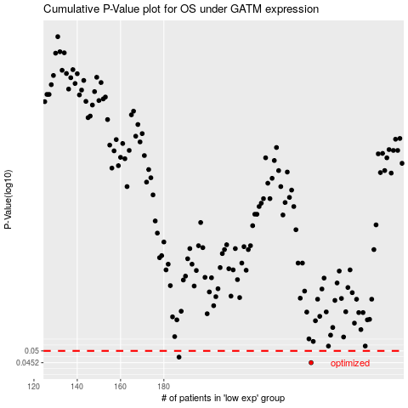

 |  |  |  |  |  | cases_OS | p_OS | rank | exp
 |  |  |  |  |  | 248 | 0.0452 | 324 | -0.30374889313
 |  |  |  |  |  | 187 | 0.0474 | 232 | -0.54878103776
 |  |  |  |  |  |  | cases_RFS | p_RFS | rank | exp
 |  |  |  |  |  |  | 247 | 0.0452 | 74 | -0.31163742574
 |  |  |  |  |  |  | 186 | 0.0474 | 224 | -0.54982745219

