GATSL2 _multivariate
Reported by Tex Li-Hsing Chi. tex@gate.sinica.edu.tw 2019-08-19

Table 2. The clinicopathological features of HNSCC cohort and GATSL2 expression. (Chi square test)
Cutoff at -0.368 (50.0%)
 |  | GATSL2 expression |  | GATSL2 expression |  | (Optimised)
 | Features | Low | (%) | High | (%) | Case no | P-value | Remark | Matthews
Gender | Female | 147 | 35.4 | 159 | 38.3 | 415 | 0.2523 | 0 | 0
2 | Male | 60 | 14.5 | 49 | 11.8
Age at diagnosis | <=65y | 138 | 33.3 | 136 | 32.8 | 415 | 0.8634 | 0 | 0
4 | >65y | 69 | 16.6 | 72 | 17.3
Clinical T Status | T1+T2 | 74 | 17.8 | 75 | 18.1 | 415 | 1 | 0 | 0
6 | T3+T4 | 133 | 32 | 133 | 32
Clinical N Status | N0 | 99 | 23.9 | 117 | 28.2 | 415 | 0.1054 | 0 | 0
8 | N1-3 | 108 | 26 | 91 | 21.9
Clinical M Status | M0 | 205 | 49.4 | 207 | 49.9 | 415 | 0.6232 | 0 | 0
10 | M1 | 2 | 0.5 | 1 | 0.2
Clinical Stage | Stage I+II | 46 | 11.1 | 56 | 13.5 | 415 | 0.3182 | 0 | 0
12 | Stage III+IV | 161 | 38.8 | 152 | 36.6
Surgical Margin status | Negative | 150 | 36.1 | 168 | 40.5 | 415 | 0.0492 | 1 | 0
14 | Positive | 57 | 13.7 | 40 | 9.6
Tobacco Exposure | Low | 88 | 21.2 | 73 | 17.6 | 415 | 0.1314 | 0 | 0
16 | High | 119 | 28.7 | 135 | 32.5

Table 3. Univariate/Multivariate Cox's proportional hazards regression analyses on OS time of GATSL2 gene expression in HNSCC

 |  | Univariate |  |  |  | Multivariate
 | Features | HR | CI95%(L) | CI95%(H) | P-value | HR | CI95%(L) | CI95%(H) | P-value
1 | Female | 1 |  |  |  | 1
Gender | Male | 1.157 | 0.843 | 1.587 | 0.367 | 1.182 | 0.843 | 1.657 | 0.333
11 | <=65y | 1 |  |  |  | 1
Age at diagnosis | >65y | 1.329 | 0.99 | 1.784 | 0.058 | 1.394 | 1.025 | 1.895 | 0.034
12 | T1+T2 | 1 |  |  |  | 1
Clinical T Status | T3+T4 | 1.409 | 1.028 | 1.931 | 0.033 | 2.202 | 1.165 | 4.162 | 0.015
13 | N0 | 1 |  |  |  | 1
Clinical N Status | N1-3 | 1.185 | 0.89 | 1.577 | 0.246 | 1.232 | 0.863 | 1.758 | 0.251
14 | M0 | 1 |  |  |  | 1
Clinical M Status | M1 | 4.097 | 1.009 | 16.644 | 0.049 | 9.135 | 1.987 | 41.997 | 0.004
15 | Stage I+II | 1 |  |  |  | 1
Clinical Stage | Stage III+IV | 1.245 | 0.882 | 1.759 | 0.213 | 0.506 | 0.236 | 1.085 | 0.08
16 | Negative | 1 |  |  |  | 1
Surgical Margin status | Positive | 1.591 | 1.155 | 2.191 | 0.004 | 1.651 | 1.192 | 2.287 | 0.003
17 | Low | 1 |  |  |  | 1
Tobacco Exposure | High | 1.364 | 1.008 | 1.844 | 0.044 | 1.457 | 1.057 | 2.008 | 0.021
18 | Low | 1 |  |  |  | 1
RNAseq(z-score) | High | 0.858 | 0.644 | 1.143 | 0.296 | 0.912 | 0.679 | 1.225 | 0.543

Table 4. Univariate/Multivariate Cox's proportional hazards regression analyses on RFS time of GATSL2 gene expression in HNSCC

 |  | Univariate |  |  |  | Multivariate
 | Features | HR | CI95%(L) | CI95%(H) | P-value | HR | CI95%(L) | CI95%(H) | P-value
1 | Female | 1 |  |  |  | 1
Gender | Male | 1.157 | 0.843 | 1.587 | 0.367 | 1.182 | 0.843 | 1.657 | 0.333
11 | <=65y | 1 |  |  |  | 1
Age at diagnosis | >65y | 1.329 | 0.99 | 1.784 | 0.058 | 1.394 | 1.025 | 1.895 | 0.034
12 | T1+T2 | 1 |  |  |  | 1
Clinical T Status | T3+T4 | 1.409 | 1.028 | 1.931 | 0.033 | 2.202 | 1.165 | 4.162 | 0.015
13 | N0 | 1 |  |  |  | 1
Clinical N Status | N1-3 | 1.185 | 0.89 | 1.577 | 0.246 | 1.232 | 0.863 | 1.758 | 0.251
14 | M0 | 1 |  |  |  | 1
Clinical M Status | M1 | 4.097 | 1.009 | 16.644 | 0.049 | 9.135 | 1.987 | 41.997 | 0.004
15 | Stage I+II | 1 |  |  |  | 1
Clinical Stage | Stage III+IV | 1.245 | 0.882 | 1.759 | 0.213 | 0.506 | 0.236 | 1.085 | 0.08
16 | Negative | 1 |  |  |  | 1
Surgical Margin status | Positive | 1.591 | 1.155 | 2.191 | 0.004 | 1.651 | 1.192 | 2.287 | 0.003
17 | Low | 1 |  |  |  | 1
Tobacco Exposure | High | 1.364 | 1.008 | 1.844 | 0.044 | 1.457 | 1.057 | 2.008 | 0.021
18 | Low | 1 |  |  |  | 1
RNAseq(z-score) | High | 0.858 | 0.644 | 1.143 | 0.296 | 0.912 | 0.679 | 1.225 | 0.543

Kaplan-Meier survival estimate: Cutoff at -0.368 (50.0%)



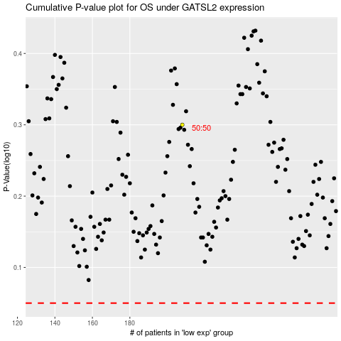

 |  |  |  |  |  | cases_OS | p_OS | rank | exp
 |  |  |  |  |  |  | cases_RFS | p_RFS | rank | exp

