GBA _multivariate
Reported by Tex Li-Hsing Chi. tex@gate.sinica.edu.tw 2019-08-19

Table 2. The clinicopathological features of HNSCC cohort and GBA expression. (Chi square test)
Cutoff at -0.153 (50.0%)
 |  | GBA expression |  | GBA expression |  | (Optimised)
 | Features | Low | (%) | High | (%) | Case no | P-value | Remark | Matthews
Gender | Female | 156 | 37.6 | 150 | 36.1 | 415 | 0.5222 | 0 | 0
2 | Male | 51 | 12.3 | 58 | 14
Age at diagnosis | <=65y | 142 | 34.2 | 132 | 31.8 | 415 | 0.3167 | 0 | 0
4 | >65y | 65 | 15.7 | 76 | 18.3
Clinical T Status | T1+T2 | 80 | 19.3 | 69 | 16.6 | 415 | 0.2891 | 0 | 0
6 | T3+T4 | 127 | 30.6 | 139 | 33.5
Clinical N Status | N0 | 100 | 24.1 | 116 | 28 | 415 | 0.1548 | 0 | 0
8 | N1-3 | 107 | 25.8 | 92 | 22.2
Clinical M Status | M0 | 205 | 49.4 | 207 | 49.9 | 415 | 0.6232 | 0 | 0
10 | M1 | 2 | 0.5 | 1 | 0.2
Clinical Stage | Stage I+II | 53 | 12.8 | 49 | 11.8 | 415 | 0.7113 | 0 | 0
12 | Stage III+IV | 154 | 37.1 | 159 | 38.3
Surgical Margin status | Negative | 155 | 37.3 | 163 | 39.3 | 415 | 0.4187 | 0 | 0
14 | Positive | 52 | 12.5 | 45 | 10.8
Tobacco Exposure | Low | 75 | 18.1 | 86 | 20.7 | 415 | 0.3141 | 0 | 0
16 | High | 132 | 31.8 | 122 | 29.4

Table 3. Univariate/Multivariate Cox's proportional hazards regression analyses on OS time of GBA gene expression in HNSCC

 |  | Univariate |  |  |  | Multivariate
 | Features | HR | CI95%(L) | CI95%(H) | P-value | HR | CI95%(L) | CI95%(H) | P-value
1 | Female | 1 |  |  |  | 1
Gender | Male | 1.157 | 0.843 | 1.587 | 0.367 | 1.203 | 0.861 | 1.681 | 0.279
11 | <=65y | 1 |  |  |  | 1
Age at diagnosis | >65y | 1.329 | 0.99 | 1.784 | 0.058 | 1.395 | 1.026 | 1.897 | 0.034
12 | T1+T2 | 1 |  |  |  | 1
Clinical T Status | T3+T4 | 1.409 | 1.028 | 1.931 | 0.033 | 2.203 | 1.165 | 4.165 | 0.015
13 | N0 | 1 |  |  |  | 1
Clinical N Status | N1-3 | 1.185 | 0.89 | 1.577 | 0.246 | 1.225 | 0.856 | 1.755 | 0.267
14 | M0 | 1 |  |  |  | 1
Clinical M Status | M1 | 4.097 | 1.009 | 16.644 | 0.049 | 9.39 | 2.049 | 43.037 | 0.004
15 | Stage I+II | 1 |  |  |  | 1
Clinical Stage | Stage III+IV | 1.245 | 0.882 | 1.759 | 0.213 | 0.51 | 0.237 | 1.096 | 0.084
16 | Negative | 1 |  |  |  | 1
Surgical Margin status | Positive | 1.591 | 1.155 | 2.191 | 0.004 | 1.668 | 1.207 | 2.305 | 0.002
17 | Low | 1 |  |  |  | 1
Tobacco Exposure | High | 1.364 | 1.008 | 1.844 | 0.044 | 1.45 | 1.052 | 1.998 | 0.023
18 | Low | 1 |  |  |  | 1
RNAseq(z-score) | High | 0.927 | 0.696 | 1.236 | 0.607 | 0.932 | 0.696 | 1.248 | 0.637

Table 4. Univariate/Multivariate Cox's proportional hazards regression analyses on RFS time of GBA gene expression in HNSCC

 |  | Univariate |  |  |  | Multivariate
 | Features | HR | CI95%(L) | CI95%(H) | P-value | HR | CI95%(L) | CI95%(H) | P-value
1 | Female | 1 |  |  |  | 1
Gender | Male | 1.157 | 0.843 | 1.587 | 0.367 | 1.203 | 0.861 | 1.681 | 0.279
11 | <=65y | 1 |  |  |  | 1
Age at diagnosis | >65y | 1.329 | 0.99 | 1.784 | 0.058 | 1.395 | 1.026 | 1.897 | 0.034
12 | T1+T2 | 1 |  |  |  | 1
Clinical T Status | T3+T4 | 1.409 | 1.028 | 1.931 | 0.033 | 2.203 | 1.165 | 4.165 | 0.015
13 | N0 | 1 |  |  |  | 1
Clinical N Status | N1-3 | 1.185 | 0.89 | 1.577 | 0.246 | 1.225 | 0.856 | 1.755 | 0.267
14 | M0 | 1 |  |  |  | 1
Clinical M Status | M1 | 4.097 | 1.009 | 16.644 | 0.049 | 9.39 | 2.049 | 43.037 | 0.004
15 | Stage I+II | 1 |  |  |  | 1
Clinical Stage | Stage III+IV | 1.245 | 0.882 | 1.759 | 0.213 | 0.51 | 0.237 | 1.096 | 0.084
16 | Negative | 1 |  |  |  | 1
Surgical Margin status | Positive | 1.591 | 1.155 | 2.191 | 0.004 | 1.668 | 1.207 | 2.305 | 0.002
17 | Low | 1 |  |  |  | 1
Tobacco Exposure | High | 1.364 | 1.008 | 1.844 | 0.044 | 1.45 | 1.052 | 1.998 | 0.023
18 | Low | 1 |  |  |  | 1
RNAseq(z-score) | High | 0.927 | 0.696 | 1.236 | 0.607 | 0.932 | 0.696 | 1.248 | 0.637

Kaplan-Meier survival estimate: Cutoff at -0.153 (50.0%)



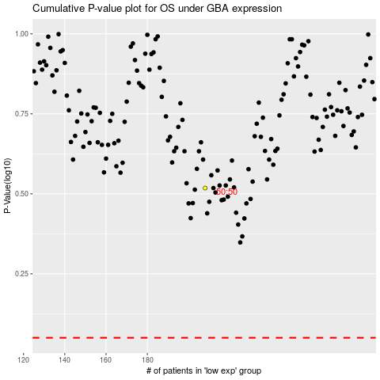

 |  |  |  |  |  | cases_OS | p_OS | rank | exp
 |  |  |  |  |  |  | cases_RFS | p_RFS | rank | exp

