GBA2 _multivariate
Reported by Tex Li-Hsing Chi. tex@gate.sinica.edu.tw 2019-08-19

Table 2. The clinicopathological features of HNSCC cohort and GBA2 expression. (Chi square test)
Cutoff at -0.194 (50.0%)
 |  | GBA2 expression |  | GBA2 expression |  | (Optimised)
 | Features | Low | (%) | High | (%) | Case no | P-value | Remark | Matthews
Gender | Female | 153 | 36.9 | 153 | 36.9 | 415 | 1 | 0 | 0
2 | Male | 54 | 13 | 55 | 13.3
Age at diagnosis | <=65y | 139 | 33.5 | 135 | 32.5 | 415 | 0.7044 | 0 | 0
4 | >65y | 68 | 16.4 | 73 | 17.6
Clinical T Status | T1+T2 | 63 | 15.2 | 86 | 20.7 | 415 | 0.0268 | 1 | 0
6 | T3+T4 | 144 | 34.7 | 122 | 29.4
Clinical N Status | N0 | 104 | 25.1 | 112 | 27 | 415 | 0.5243 | 0 | 0
8 | N1-3 | 103 | 24.8 | 96 | 23.1
Clinical M Status | M0 | 205 | 49.4 | 207 | 49.9 | 415 | 0.6232 | 0 | 0
10 | M1 | 2 | 0.5 | 1 | 0.2
Clinical Stage | Stage I+II | 43 | 10.4 | 59 | 14.2 | 415 | 0.0925 | 0 | 0
12 | Stage III+IV | 164 | 39.5 | 149 | 35.9
Surgical Margin status | Negative | 164 | 39.5 | 154 | 37.1 | 415 | 0.2462 | 0 | 0
14 | Positive | 43 | 10.4 | 54 | 13
Tobacco Exposure | Low | 71 | 17.1 | 90 | 21.7 | 415 | 0.0698 | 0 | 0
16 | High | 136 | 32.8 | 118 | 28.4

Table 3. Univariate/Multivariate Cox's proportional hazards regression analyses on OS time of GBA2 gene expression in HNSCC

 |  | Univariate |  |  |  | Multivariate
 | Features | HR | CI95%(L) | CI95%(H) | P-value | HR | CI95%(L) | CI95%(H) | P-value
1 | Female | 1 |  |  |  | 1
Gender | Male | 1.157 | 0.843 | 1.587 | 0.367 | 1.186 | 0.85 | 1.656 | 0.315
11 | <=65y | 1 |  |  |  | 1
Age at diagnosis | >65y | 1.329 | 0.99 | 1.784 | 0.058 | 1.46 | 1.07 | 1.992 | 0.017
12 | T1+T2 | 1 |  |  |  | 1
Clinical T Status | T3+T4 | 1.409 | 1.028 | 1.931 | 0.033 | 2.145 | 1.135 | 4.054 | 0.019
13 | N0 | 1 |  |  |  | 1
Clinical N Status | N1-3 | 1.185 | 0.89 | 1.577 | 0.246 | 1.247 | 0.874 | 1.78 | 0.224
14 | M0 | 1 |  |  |  | 1
Clinical M Status | M1 | 4.097 | 1.009 | 16.644 | 0.049 | 8.651 | 1.882 | 39.763 | 0.006
15 | Stage I+II | 1 |  |  |  | 1
Clinical Stage | Stage III+IV | 1.245 | 0.882 | 1.759 | 0.213 | 0.497 | 0.232 | 1.067 | 0.073
16 | Negative | 1 |  |  |  | 1
Surgical Margin status | Positive | 1.591 | 1.155 | 2.191 | 0.004 | 1.709 | 1.236 | 2.365 | 0.001
17 | Low | 1 |  |  |  | 1
Tobacco Exposure | High | 1.364 | 1.008 | 1.844 | 0.044 | 1.411 | 1.023 | 1.947 | 0.036
18 | Low | 1 |  |  |  | 1
RNAseq(z-score) | High | 0.797 | 0.597 | 1.062 | 0.122 | 0.778 | 0.576 | 1.052 | 0.103

Table 4. Univariate/Multivariate Cox's proportional hazards regression analyses on RFS time of GBA2 gene expression in HNSCC

 |  | Univariate |  |  |  | Multivariate
 | Features | HR | CI95%(L) | CI95%(H) | P-value | HR | CI95%(L) | CI95%(H) | P-value
1 | Female | 1 |  |  |  | 1
Gender | Male | 1.157 | 0.843 | 1.587 | 0.367 | 1.186 | 0.85 | 1.656 | 0.315
11 | <=65y | 1 |  |  |  | 1
Age at diagnosis | >65y | 1.329 | 0.99 | 1.784 | 0.058 | 1.46 | 1.07 | 1.992 | 0.017
12 | T1+T2 | 1 |  |  |  | 1
Clinical T Status | T3+T4 | 1.409 | 1.028 | 1.931 | 0.033 | 2.145 | 1.135 | 4.054 | 0.019
13 | N0 | 1 |  |  |  | 1
Clinical N Status | N1-3 | 1.185 | 0.89 | 1.577 | 0.246 | 1.247 | 0.874 | 1.78 | 0.224
14 | M0 | 1 |  |  |  | 1
Clinical M Status | M1 | 4.097 | 1.009 | 16.644 | 0.049 | 8.651 | 1.882 | 39.763 | 0.006
15 | Stage I+II | 1 |  |  |  | 1
Clinical Stage | Stage III+IV | 1.245 | 0.882 | 1.759 | 0.213 | 0.497 | 0.232 | 1.067 | 0.073
16 | Negative | 1 |  |  |  | 1
Surgical Margin status | Positive | 1.591 | 1.155 | 2.191 | 0.004 | 1.709 | 1.236 | 2.365 | 0.001
17 | Low | 1 |  |  |  | 1
Tobacco Exposure | High | 1.364 | 1.008 | 1.844 | 0.044 | 1.411 | 1.023 | 1.947 | 0.036
18 | Low | 1 |  |  |  | 1
RNAseq(z-score) | High | 0.797 | 0.597 | 1.062 | 0.122 | 0.778 | 0.576 | 1.052 | 0.103

Kaplan-Meier survival estimate: Cutoff at -0.194 (50.0%)



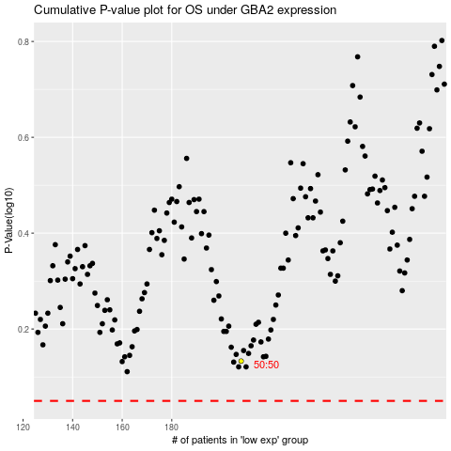

 |  |  |  |  |  | cases_OS | p_OS | rank | exp
 |  |  |  |  |  |  | cases_RFS | p_RFS | rank | exp

