GBE1 _multivariate
Reported by Tex Li-Hsing Chi. tex@gate.sinica.edu.tw 2019-08-19

Table 2. The clinicopathological features of HNSCC cohort and GBE1 expression. (Chi square test)
Cutoff at -0.28 (50.0%)
 |  | GBE1 expression |  | GBE1 expression |  | (Optimised)
 | Features | Low | (%) | High | (%) | Case no | P-value | Remark | Matthews
Gender | Female | 166 | 40 | 140 | 33.7 | 415 | 0.0041 | 1 | 0
2 | Male | 41 | 9.9 | 68 | 16.4
Age at diagnosis | <=65y | 141 | 34 | 133 | 32 | 415 | 0.4272 | 0 | 0
4 | >65y | 66 | 15.9 | 75 | 18.1
Clinical T Status | T1+T2 | 67 | 16.1 | 82 | 19.8 | 415 | 0.1628 | 0 | 0
6 | T3+T4 | 140 | 33.7 | 126 | 30.4
Clinical N Status | N0 | 105 | 25.3 | 111 | 26.7 | 415 | 0.6598 | 0 | 0
8 | N1-3 | 102 | 24.6 | 97 | 23.4
Clinical M Status | M0 | 204 | 49.2 | 208 | 50.1 | 415 | 0.1232 | 0 | 0
10 | M1 | 3 | 0.7 | 0 | 0
Clinical Stage | Stage I+II | 42 | 10.1 | 60 | 14.5 | 415 | 0.0561 | 0 | 0
12 | Stage III+IV | 165 | 39.8 | 148 | 35.7
Surgical Margin status | Negative | 158 | 38.1 | 160 | 38.6 | 415 | 0.9081 | 0 | 0
14 | Positive | 49 | 11.8 | 48 | 11.6
Tobacco Exposure | Low | 73 | 17.6 | 88 | 21.2 | 415 | 0.1587 | 0 | 0
16 | High | 134 | 32.3 | 120 | 28.9

Table 3. Univariate/Multivariate Cox's proportional hazards regression analyses on OS time of GBE1 gene expression in HNSCC

 |  | Univariate |  |  |  | Multivariate
 | Features | HR | CI95%(L) | CI95%(H) | P-value | HR | CI95%(L) | CI95%(H) | P-value
1 | Female | 1 |  |  |  | 1
Gender | Male | 1.157 | 0.843 | 1.587 | 0.367 | 1.193 | 0.853 | 1.669 | 0.303
11 | <=65y | 1 |  |  |  | 1
Age at diagnosis | >65y | 1.329 | 0.99 | 1.784 | 0.058 | 1.392 | 1.024 | 1.892 | 0.035
12 | T1+T2 | 1 |  |  |  | 1
Clinical T Status | T3+T4 | 1.409 | 1.028 | 1.931 | 0.033 | 2.209 | 1.168 | 4.177 | 0.015
13 | N0 | 1 |  |  |  | 1
Clinical N Status | N1-3 | 1.185 | 0.89 | 1.577 | 0.246 | 1.239 | 0.869 | 1.768 | 0.237
14 | M0 | 1 |  |  |  | 1
Clinical M Status | M1 | 4.097 | 1.009 | 16.644 | 0.049 | 9.741 | 2.107 | 45.026 | 0.004
15 | Stage I+II | 1 |  |  |  | 1
Clinical Stage | Stage III+IV | 1.245 | 0.882 | 1.759 | 0.213 | 0.505 | 0.235 | 1.083 | 0.079
16 | Negative | 1 |  |  |  | 1
Surgical Margin status | Positive | 1.591 | 1.155 | 2.191 | 0.004 | 1.687 | 1.218 | 2.337 | 0.002
17 | Low | 1 |  |  |  | 1
Tobacco Exposure | High | 1.364 | 1.008 | 1.844 | 0.044 | 1.456 | 1.057 | 2.007 | 0.022
18 | Low | 1 |  |  |  | 1
RNAseq(z-score) | High | 0.996 | 0.748 | 1.327 | 0.979 | 1.068 | 0.797 | 1.431 | 0.662

Table 4. Univariate/Multivariate Cox's proportional hazards regression analyses on RFS time of GBE1 gene expression in HNSCC

 |  | Univariate |  |  |  | Multivariate
 | Features | HR | CI95%(L) | CI95%(H) | P-value | HR | CI95%(L) | CI95%(H) | P-value
1 | Female | 1 |  |  |  | 1
Gender | Male | 1.157 | 0.843 | 1.587 | 0.367 | 1.193 | 0.853 | 1.669 | 0.303
11 | <=65y | 1 |  |  |  | 1
Age at diagnosis | >65y | 1.329 | 0.99 | 1.784 | 0.058 | 1.392 | 1.024 | 1.892 | 0.035
12 | T1+T2 | 1 |  |  |  | 1
Clinical T Status | T3+T4 | 1.409 | 1.028 | 1.931 | 0.033 | 2.209 | 1.168 | 4.177 | 0.015
13 | N0 | 1 |  |  |  | 1
Clinical N Status | N1-3 | 1.185 | 0.89 | 1.577 | 0.246 | 1.239 | 0.869 | 1.768 | 0.237
14 | M0 | 1 |  |  |  | 1
Clinical M Status | M1 | 4.097 | 1.009 | 16.644 | 0.049 | 9.741 | 2.107 | 45.026 | 0.004
15 | Stage I+II | 1 |  |  |  | 1
Clinical Stage | Stage III+IV | 1.245 | 0.882 | 1.759 | 0.213 | 0.505 | 0.235 | 1.083 | 0.079
16 | Negative | 1 |  |  |  | 1
Surgical Margin status | Positive | 1.591 | 1.155 | 2.191 | 0.004 | 1.687 | 1.218 | 2.337 | 0.002
17 | Low | 1 |  |  |  | 1
Tobacco Exposure | High | 1.364 | 1.008 | 1.844 | 0.044 | 1.456 | 1.057 | 2.007 | 0.022
18 | Low | 1 |  |  |  | 1
RNAseq(z-score) | High | 0.996 | 0.748 | 1.327 | 0.979 | 1.068 | 0.797 | 1.431 | 0.662

Kaplan-Meier survival estimate: Cutoff at -0.28 (50.0%)



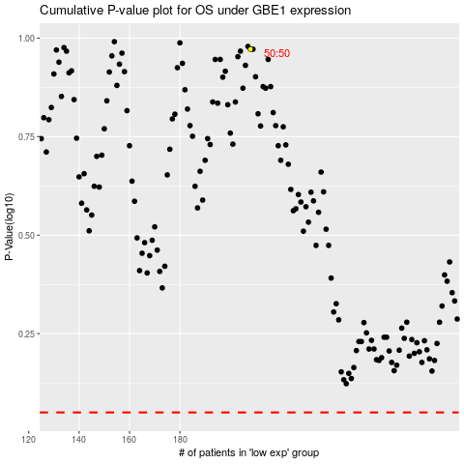

 |  |  |  |  |  | cases_OS | p_OS | rank | exp
 |  |  |  |  |  |  | cases_RFS | p_RFS | rank | exp

