GBP1 _multivariate
Reported by Tex Li-Hsing Chi. tex@gate.sinica.edu.tw 2019-08-19

Table 2. The clinicopathological features of HNSCC cohort and GBP1 expression. (Chi square test)
Cutoff at -0.314 (50.0%)
 |  | GBP1 expression |  | GBP1 expression |  | (Optimised)
 | Features | Low | (%) | High | (%) | Case no | P-value | Remark | Matthews
Gender | Female | 164 | 39.5 | 142 | 34.2 | 415 | 0.0153 | 1 | 0
2 | Male | 43 | 10.4 | 66 | 15.9
Age at diagnosis | <=65y | 152 | 36.6 | 122 | 29.4 | 415 | 0.0021 | 1 | 0
4 | >65y | 55 | 13.3 | 86 | 20.7
Clinical T Status | T1+T2 | 58 | 14 | 91 | 21.9 | 415 | 0.0012 | 1 | 0
6 | T3+T4 | 149 | 35.9 | 117 | 28.2
Clinical N Status | N0 | 106 | 25.5 | 110 | 26.5 | 415 | 0.8075 | 0 | 0
8 | N1-3 | 101 | 24.3 | 98 | 23.6
Clinical M Status | M0 | 207 | 49.9 | 205 | 49.4 | 415 | 0.2482 | 0 | 0
10 | M1 | 0 | 0 | 3 | 0.7
Clinical Stage | Stage I+II | 38 | 9.2 | 64 | 15.4 | 415 | 0.0048 | 1 | 0
12 | Stage III+IV | 169 | 40.7 | 144 | 34.7
Surgical Margin status | Negative | 161 | 38.8 | 157 | 37.8 | 415 | 0.6429 | 0 | 0
14 | Positive | 46 | 11.1 | 51 | 12.3
Tobacco Exposure | Low | 66 | 15.9 | 95 | 22.9 | 415 | 0.0048 | 1 | 0
16 | High | 141 | 34 | 113 | 27.2

Table 3. Univariate/Multivariate Cox's proportional hazards regression analyses on OS time of GBP1 gene expression in HNSCC

 |  | Univariate |  |  |  | Multivariate
 | Features | HR | CI95%(L) | CI95%(H) | P-value | HR | CI95%(L) | CI95%(H) | P-value
1 | Female | 1 |  |  |  | 1
Gender | Male | 1.157 | 0.843 | 1.587 | 0.367 | 1.2 | 0.859 | 1.678 | 0.286
11 | <=65y | 1 |  |  |  | 1
Age at diagnosis | >65y | 1.329 | 0.99 | 1.784 | 0.058 | 1.389 | 1.02 | 1.892 | 0.037
12 | T1+T2 | 1 |  |  |  | 1
Clinical T Status | T3+T4 | 1.409 | 1.028 | 1.931 | 0.033 | 2.205 | 1.166 | 4.172 | 0.015
13 | N0 | 1 |  |  |  | 1
Clinical N Status | N1-3 | 1.185 | 0.89 | 1.577 | 0.246 | 1.24 | 0.869 | 1.769 | 0.237
14 | M0 | 1 |  |  |  | 1
Clinical M Status | M1 | 4.097 | 1.009 | 16.644 | 0.049 | 9.328 | 2.02 | 43.07 | 0.004
15 | Stage I+II | 1 |  |  |  | 1
Clinical Stage | Stage III+IV | 1.245 | 0.882 | 1.759 | 0.213 | 0.506 | 0.235 | 1.088 | 0.081
16 | Negative | 1 |  |  |  | 1
Surgical Margin status | Positive | 1.591 | 1.155 | 2.191 | 0.004 | 1.67 | 1.208 | 2.308 | 0.002
17 | Low | 1 |  |  |  | 1
Tobacco Exposure | High | 1.364 | 1.008 | 1.844 | 0.044 | 1.455 | 1.055 | 2.006 | 0.022
18 | Low | 1 |  |  |  | 1
RNAseq(z-score) | High | 1.037 | 0.778 | 1.381 | 0.806 | 1.017 | 0.753 | 1.373 | 0.912

Table 4. Univariate/Multivariate Cox's proportional hazards regression analyses on RFS time of GBP1 gene expression in HNSCC

 |  | Univariate |  |  |  | Multivariate
 | Features | HR | CI95%(L) | CI95%(H) | P-value | HR | CI95%(L) | CI95%(H) | P-value
1 | Female | 1 |  |  |  | 1
Gender | Male | 1.157 | 0.843 | 1.587 | 0.367 | 1.2 | 0.859 | 1.678 | 0.286
11 | <=65y | 1 |  |  |  | 1
Age at diagnosis | >65y | 1.329 | 0.99 | 1.784 | 0.058 | 1.389 | 1.02 | 1.892 | 0.037
12 | T1+T2 | 1 |  |  |  | 1
Clinical T Status | T3+T4 | 1.409 | 1.028 | 1.931 | 0.033 | 2.205 | 1.166 | 4.172 | 0.015
13 | N0 | 1 |  |  |  | 1
Clinical N Status | N1-3 | 1.185 | 0.89 | 1.577 | 0.246 | 1.24 | 0.869 | 1.769 | 0.237
14 | M0 | 1 |  |  |  | 1
Clinical M Status | M1 | 4.097 | 1.009 | 16.644 | 0.049 | 9.328 | 2.02 | 43.07 | 0.004
15 | Stage I+II | 1 |  |  |  | 1
Clinical Stage | Stage III+IV | 1.245 | 0.882 | 1.759 | 0.213 | 0.506 | 0.235 | 1.088 | 0.081
16 | Negative | 1 |  |  |  | 1
Surgical Margin status | Positive | 1.591 | 1.155 | 2.191 | 0.004 | 1.67 | 1.208 | 2.308 | 0.002
17 | Low | 1 |  |  |  | 1
Tobacco Exposure | High | 1.364 | 1.008 | 1.844 | 0.044 | 1.455 | 1.055 | 2.006 | 0.022
18 | Low | 1 |  |  |  | 1
RNAseq(z-score) | High | 1.037 | 0.778 | 1.381 | 0.806 | 1.017 | 0.753 | 1.373 | 0.912

Kaplan-Meier survival estimate: Cutoff at -0.314 (50.0%)



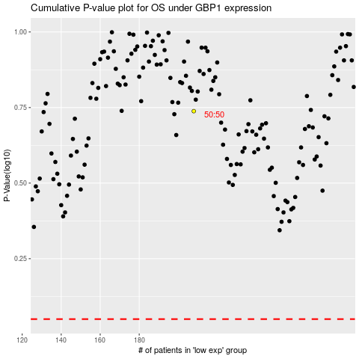

 |  |  |  |  |  | cases_OS | p_OS | rank | exp
 |  |  |  |  |  |  | cases_RFS | p_RFS | rank | exp

