GBP2 _multivariate
Reported by Tex Li-Hsing Chi. tex@gate.sinica.edu.tw 2019-08-19

Table 2. The clinicopathological features of HNSCC cohort and GBP2 expression. (Chi square test)
Cutoff at -0.298 (50.0%)
 |  | GBP2 expression |  | GBP2 expression |  | (Optimised)
 | Features | Low | (%) | High | (%) | Case no | P-value | Remark | Matthews
Gender | Female | 155 | 37.3 | 151 | 36.4 | 415 | 0.6768 | 0 | 0
2 | Male | 52 | 12.5 | 57 | 13.7
Age at diagnosis | <=65y | 145 | 34.9 | 129 | 31.1 | 415 | 0.1046 | 0 | 0
4 | >65y | 62 | 14.9 | 79 | 19
Clinical T Status | T1+T2 | 64 | 15.4 | 85 | 20.5 | 415 | 0.0445 | 1 | 0
6 | T3+T4 | 143 | 34.5 | 123 | 29.6
Clinical N Status | N0 | 111 | 26.7 | 105 | 25.3 | 415 | 0.5875 | 0 | 0
8 | N1-3 | 96 | 23.1 | 103 | 24.8
Clinical M Status | M0 | 207 | 49.9 | 205 | 49.4 | 415 | 0.2482 | 0 | 0
10 | M1 | 0 | 0 | 3 | 0.7
Clinical Stage | Stage I+II | 47 | 11.3 | 55 | 13.3 | 415 | 0.4413 | 0 | 0
12 | Stage III+IV | 160 | 38.6 | 153 | 36.9
Surgical Margin status | Negative | 156 | 37.6 | 162 | 39 | 415 | 0.5636 | 0 | 0
14 | Positive | 51 | 12.3 | 46 | 11.1
Tobacco Exposure | Low | 66 | 15.9 | 95 | 22.9 | 415 | 0.0048 | 1 | 0
16 | High | 141 | 34 | 113 | 27.2

Table 3. Univariate/Multivariate Cox's proportional hazards regression analyses on OS time of GBP2 gene expression in HNSCC

 |  | Univariate |  |  |  | Multivariate
 | Features | HR | CI95%(L) | CI95%(H) | P-value | HR | CI95%(L) | CI95%(H) | P-value
1 | Female | 1 |  |  |  | 1
Gender | Male | 1.157 | 0.843 | 1.587 | 0.367 | 1.205 | 0.862 | 1.685 | 0.275
11 | <=65y | 1 |  |  |  | 1
Age at diagnosis | >65y | 1.329 | 0.99 | 1.784 | 0.058 | 1.398 | 1.027 | 1.902 | 0.033
12 | T1+T2 | 1 |  |  |  | 1
Clinical T Status | T3+T4 | 1.409 | 1.028 | 1.931 | 0.033 | 2.199 | 1.163 | 4.159 | 0.015
13 | N0 | 1 |  |  |  | 1
Clinical N Status | N1-3 | 1.185 | 0.89 | 1.577 | 0.246 | 1.245 | 0.872 | 1.779 | 0.227
14 | M0 | 1 |  |  |  | 1
Clinical M Status | M1 | 4.097 | 1.009 | 16.644 | 0.049 | 9.607 | 2.08 | 44.366 | 0.004
15 | Stage I+II | 1 |  |  |  | 1
Clinical Stage | Stage III+IV | 1.245 | 0.882 | 1.759 | 0.213 | 0.503 | 0.234 | 1.08 | 0.078
16 | Negative | 1 |  |  |  | 1
Surgical Margin status | Positive | 1.591 | 1.155 | 2.191 | 0.004 | 1.671 | 1.209 | 2.308 | 0.002
17 | Low | 1 |  |  |  | 1
Tobacco Exposure | High | 1.364 | 1.008 | 1.844 | 0.044 | 1.443 | 1.043 | 1.995 | 0.027
18 | Low | 1 |  |  |  | 1
RNAseq(z-score) | High | 0.96 | 0.718 | 1.282 | 0.781 | 0.958 | 0.709 | 1.295 | 0.78

Table 4. Univariate/Multivariate Cox's proportional hazards regression analyses on RFS time of GBP2 gene expression in HNSCC

 |  | Univariate |  |  |  | Multivariate
 | Features | HR | CI95%(L) | CI95%(H) | P-value | HR | CI95%(L) | CI95%(H) | P-value
1 | Female | 1 |  |  |  | 1
Gender | Male | 1.157 | 0.843 | 1.587 | 0.367 | 1.205 | 0.862 | 1.685 | 0.275
11 | <=65y | 1 |  |  |  | 1
Age at diagnosis | >65y | 1.329 | 0.99 | 1.784 | 0.058 | 1.398 | 1.027 | 1.902 | 0.033
12 | T1+T2 | 1 |  |  |  | 1
Clinical T Status | T3+T4 | 1.409 | 1.028 | 1.931 | 0.033 | 2.199 | 1.163 | 4.159 | 0.015
13 | N0 | 1 |  |  |  | 1
Clinical N Status | N1-3 | 1.185 | 0.89 | 1.577 | 0.246 | 1.245 | 0.872 | 1.779 | 0.227
14 | M0 | 1 |  |  |  | 1
Clinical M Status | M1 | 4.097 | 1.009 | 16.644 | 0.049 | 9.607 | 2.08 | 44.366 | 0.004
15 | Stage I+II | 1 |  |  |  | 1
Clinical Stage | Stage III+IV | 1.245 | 0.882 | 1.759 | 0.213 | 0.503 | 0.234 | 1.08 | 0.078
16 | Negative | 1 |  |  |  | 1
Surgical Margin status | Positive | 1.591 | 1.155 | 2.191 | 0.004 | 1.671 | 1.209 | 2.308 | 0.002
17 | Low | 1 |  |  |  | 1
Tobacco Exposure | High | 1.364 | 1.008 | 1.844 | 0.044 | 1.443 | 1.043 | 1.995 | 0.027
18 | Low | 1 |  |  |  | 1
RNAseq(z-score) | High | 0.96 | 0.718 | 1.282 | 0.781 | 0.958 | 0.709 | 1.295 | 0.78

Kaplan-Meier survival estimate: Cutoff at -0.298 (50.0%)



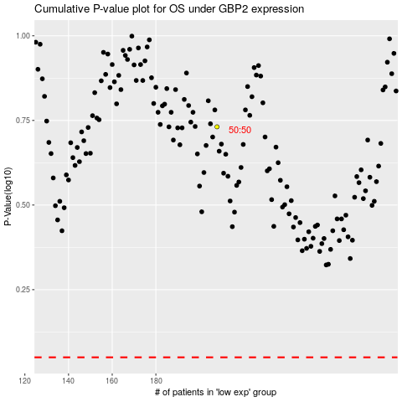

 |  |  |  |  |  | cases_OS | p_OS | rank | exp
 |  |  |  |  |  |  | cases_RFS | p_RFS | rank | exp

