GBP4 _multivariate
Reported by Tex Li-Hsing Chi. tex@gate.sinica.edu.tw 2019-08-19

Table 2. The clinicopathological features of HNSCC cohort and GBP4 expression. (Chi square test)
Cutoff at -0.297 (49.8%)
 |  | GBP4 expression |  | GBP4 expression |  | (Optimised)
 | Features | Low | (%) | High | (%) | Case no | P-value | Remark | Matthews
Gender | Female | 159 | 38.3 | 147 | 35.4 | 415 | 0.1905 | 0 | 0
2 | Male | 48 | 11.6 | 61 | 14.7
Age at diagnosis | <=65y | 144 | 34.7 | 130 | 31.3 | 415 | 0.1568 | 0 | 0
4 | >65y | 63 | 15.2 | 78 | 18.8
Clinical T Status | T1+T2 | 60 | 14.5 | 89 | 21.4 | 415 | 0.0047 | 1 | 0
6 | T3+T4 | 147 | 35.4 | 119 | 28.7
Clinical N Status | N0 | 118 | 28.4 | 98 | 23.6 | 415 | 0.0551 | 1 | 0
8 | N1-3 | 89 | 21.4 | 110 | 26.5
Clinical M Status | M0 | 207 | 49.9 | 205 | 49.4 | 415 | 0.2482 | 0 | 0
10 | M1 | 0 | 0 | 3 | 0.7
Clinical Stage | Stage I+II | 46 | 11.1 | 56 | 13.5 | 415 | 0.3182 | 0 | 0
12 | Stage III+IV | 161 | 38.8 | 152 | 36.6
Surgical Margin status | Negative | 164 | 39.5 | 154 | 37.1 | 415 | 0.2462 | 0 | 0
14 | Positive | 43 | 10.4 | 54 | 13
Tobacco Exposure | Low | 71 | 17.1 | 90 | 21.7 | 415 | 0.0698 | 0 | 0
16 | High | 136 | 32.8 | 118 | 28.4

Table 3. Univariate/Multivariate Cox's proportional hazards regression analyses on OS time of GBP4 gene expression in HNSCC

 |  | Univariate |  |  |  | Multivariate
 | Features | HR | CI95%(L) | CI95%(H) | P-value | HR | CI95%(L) | CI95%(H) | P-value
1 | Female | 1 |  |  |  | 1
Gender | Male | 1.157 | 0.843 | 1.587 | 0.367 | 1.202 | 0.861 | 1.68 | 0.28
11 | <=65y | 1 |  |  |  | 1
Age at diagnosis | >65y | 1.329 | 0.99 | 1.784 | 0.058 | 1.4 | 1.03 | 1.903 | 0.032
12 | T1+T2 | 1 |  |  |  | 1
Clinical T Status | T3+T4 | 1.409 | 1.028 | 1.931 | 0.033 | 2.167 | 1.145 | 4.103 | 0.018
13 | N0 | 1 |  |  |  | 1
Clinical N Status | N1-3 | 1.185 | 0.89 | 1.577 | 0.246 | 1.261 | 0.882 | 1.804 | 0.204
14 | M0 | 1 |  |  |  | 1
Clinical M Status | M1 | 4.097 | 1.009 | 16.644 | 0.049 | 9.798 | 2.129 | 45.095 | 0.003
15 | Stage I+II | 1 |  |  |  | 1
Clinical Stage | Stage III+IV | 1.245 | 0.882 | 1.759 | 0.213 | 0.501 | 0.234 | 1.076 | 0.076
16 | Negative | 1 |  |  |  | 1
Surgical Margin status | Positive | 1.591 | 1.155 | 2.191 | 0.004 | 1.688 | 1.22 | 2.334 | 0.002
17 | Low | 1 |  |  |  | 1
Tobacco Exposure | High | 1.364 | 1.008 | 1.844 | 0.044 | 1.433 | 1.038 | 1.978 | 0.029
18 | Low | 1 |  |  |  | 1
RNAseq(z-score) | High | 0.912 | 0.685 | 1.216 | 0.531 | 0.893 | 0.663 | 1.202 | 0.455

Table 4. Univariate/Multivariate Cox's proportional hazards regression analyses on RFS time of GBP4 gene expression in HNSCC

 |  | Univariate |  |  |  | Multivariate
 | Features | HR | CI95%(L) | CI95%(H) | P-value | HR | CI95%(L) | CI95%(H) | P-value
1 | Female | 1 |  |  |  | 1
Gender | Male | 1.157 | 0.843 | 1.587 | 0.367 | 1.202 | 0.861 | 1.68 | 0.28
11 | <=65y | 1 |  |  |  | 1
Age at diagnosis | >65y | 1.329 | 0.99 | 1.784 | 0.058 | 1.4 | 1.03 | 1.903 | 0.032
12 | T1+T2 | 1 |  |  |  | 1
Clinical T Status | T3+T4 | 1.409 | 1.028 | 1.931 | 0.033 | 2.167 | 1.145 | 4.103 | 0.018
13 | N0 | 1 |  |  |  | 1
Clinical N Status | N1-3 | 1.185 | 0.89 | 1.577 | 0.246 | 1.261 | 0.882 | 1.804 | 0.204
14 | M0 | 1 |  |  |  | 1
Clinical M Status | M1 | 4.097 | 1.009 | 16.644 | 0.049 | 9.798 | 2.129 | 45.095 | 0.003
15 | Stage I+II | 1 |  |  |  | 1
Clinical Stage | Stage III+IV | 1.245 | 0.882 | 1.759 | 0.213 | 0.501 | 0.234 | 1.076 | 0.076
16 | Negative | 1 |  |  |  | 1
Surgical Margin status | Positive | 1.591 | 1.155 | 2.191 | 0.004 | 1.688 | 1.22 | 2.334 | 0.002
17 | Low | 1 |  |  |  | 1
Tobacco Exposure | High | 1.364 | 1.008 | 1.844 | 0.044 | 1.433 | 1.038 | 1.978 | 0.029
18 | Low | 1 |  |  |  | 1
RNAseq(z-score) | High | 0.912 | 0.685 | 1.216 | 0.531 | 0.893 | 0.663 | 1.202 | 0.455

Kaplan-Meier survival estimate: Cutoff at -0.297 (49.8%)



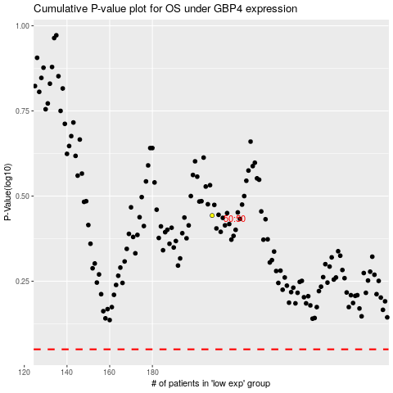

 |  |  |  |  |  | cases_OS | p_OS | rank | exp
 |  |  |  |  |  |  | cases_RFS | p_RFS | rank | exp

