GBP6 _multivariate
Reported by Tex Li-Hsing Chi. tex@gate.sinica.edu.tw 2019-08-19

Table 2. The clinicopathological features of HNSCC cohort and GBP6 expression. (Chi square test)
Cutoff at -0.429 (35.5%)
 |  | GBP6 expression |  | GBP6 expression |  | (Optimised)
 | Features | Low | (%) | High | (%) | Case no | P-value | Remark | Matthews
Gender | Female | 114 | 27.5 | 192 | 46.3 | 415 | 0.2334 | 0 | 0
2 | Male | 33 | 8 | 76 | 18.3
Age at diagnosis | <=65y | 104 | 25.1 | 170 | 41 | 415 | 0.1625 | 0 | 0
4 | >65y | 43 | 10.4 | 98 | 23.6
Clinical T Status | T1+T2 | 44 | 10.6 | 105 | 25.3 | 415 | 0.0765 | 0 | 0
6 | T3+T4 | 103 | 24.8 | 163 | 39.3
Clinical N Status | N0 | 75 | 18.1 | 141 | 34 | 415 | 0.8355 | 0 | 0
8 | N1-3 | 72 | 17.3 | 127 | 30.6
Clinical M Status | M0 | 146 | 35.2 | 266 | 64.1 | 415 | 1 | 0 | 0
10 | M1 | 1 | 0.2 | 2 | 0.5
Clinical Stage | Stage I+II | 33 | 8 | 69 | 16.6 | 415 | 0.5307 | 0 | 0
12 | Stage III+IV | 114 | 27.5 | 199 | 48
Surgical Margin status | Negative | 113 | 27.2 | 205 | 49.4 | 415 | 1 | 0 | 0
14 | Positive | 34 | 8.2 | 63 | 15.2
Tobacco Exposure | Low | 52 | 12.5 | 109 | 26.3 | 415 | 0.2948 | 0 | 0
16 | High | 95 | 22.9 | 159 | 38.3

Table 3. Univariate/Multivariate Cox's proportional hazards regression analyses on OS time of GBP6 gene expression in HNSCC

 |  | Univariate |  |  |  | Multivariate
 | Features | HR | CI95%(L) | CI95%(H) | P-value | HR | CI95%(L) | CI95%(H) | P-value
1 | Female | 1 |  |  |  | 1
Gender | Male | 1.157 | 0.843 | 1.587 | 0.367 | 1.227 | 0.876 | 1.72 | 0.233
11 | <=65y | 1 |  |  |  | 1
Age at diagnosis | >65y | 1.329 | 0.99 | 1.784 | 0.058 | 1.392 | 1.024 | 1.892 | 0.035
12 | T1+T2 | 1 |  |  |  | 1
Clinical T Status | T3+T4 | 1.409 | 1.028 | 1.931 | 0.033 | 2.071 | 1.094 | 3.921 | 0.025
13 | N0 | 1 |  |  |  | 1
Clinical N Status | N1-3 | 1.185 | 0.89 | 1.577 | 0.246 | 1.228 | 0.86 | 1.753 | 0.258
14 | M0 | 1 |  |  |  | 1
Clinical M Status | M1 | 4.097 | 1.009 | 16.644 | 0.049 | 8.811 | 1.919 | 40.459 | 0.005
15 | Stage I+II | 1 |  |  |  | 1
Clinical Stage | Stage III+IV | 1.245 | 0.882 | 1.759 | 0.213 | 0.527 | 0.246 | 1.133 | 0.101
16 | Negative | 1 |  |  |  | 1
Surgical Margin status | Positive | 1.591 | 1.155 | 2.191 | 0.004 | 1.663 | 1.204 | 2.297 | 0.002
17 | Low | 1 |  |  |  | 1
Tobacco Exposure | High | 1.364 | 1.008 | 1.844 | 0.044 | 1.48 | 1.071 | 2.044 | 0.017
18 | Low | 1 |  |  |  | 1
RNAseq(z-score) | High | 0.677 | 0.505 | 0.907 | 0.009 | 0.695 | 0.518 | 0.933 | 0.016

Table 4. Univariate/Multivariate Cox's proportional hazards regression analyses on RFS time of GBP6 gene expression in HNSCC

 |  | Univariate |  |  |  | Multivariate
 | Features | HR | CI95%(L) | CI95%(H) | P-value | HR | CI95%(L) | CI95%(H) | P-value
1 | Female | 1 |  |  |  | 1
Gender | Male | 1.157 | 0.843 | 1.587 | 0.367 | 1.227 | 0.876 | 1.72 | 0.233
11 | <=65y | 1 |  |  |  | 1
Age at diagnosis | >65y | 1.329 | 0.99 | 1.784 | 0.058 | 1.392 | 1.024 | 1.892 | 0.035
12 | T1+T2 | 1 |  |  |  | 1
Clinical T Status | T3+T4 | 1.409 | 1.028 | 1.931 | 0.033 | 2.071 | 1.094 | 3.921 | 0.025
13 | N0 | 1 |  |  |  | 1
Clinical N Status | N1-3 | 1.185 | 0.89 | 1.577 | 0.246 | 1.228 | 0.86 | 1.753 | 0.258
14 | M0 | 1 |  |  |  | 1
Clinical M Status | M1 | 4.097 | 1.009 | 16.644 | 0.049 | 8.811 | 1.919 | 40.459 | 0.005
15 | Stage I+II | 1 |  |  |  | 1
Clinical Stage | Stage III+IV | 1.245 | 0.882 | 1.759 | 0.213 | 0.527 | 0.246 | 1.133 | 0.101
16 | Negative | 1 |  |  |  | 1
Surgical Margin status | Positive | 1.591 | 1.155 | 2.191 | 0.004 | 1.663 | 1.204 | 2.297 | 0.002
17 | Low | 1 |  |  |  | 1
Tobacco Exposure | High | 1.364 | 1.008 | 1.844 | 0.044 | 1.48 | 1.071 | 2.044 | 0.017
18 | Low | 1 |  |  |  | 1
RNAseq(z-score) | High | 0.677 | 0.505 | 0.907 | 0.009 | 0.695 | 0.518 | 0.933 | 0.016

Kaplan-Meier survival estimate: Cutoff at -0.429 (35.5%)

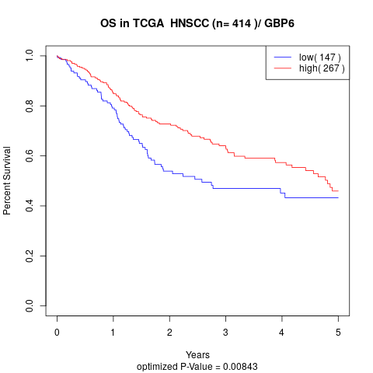

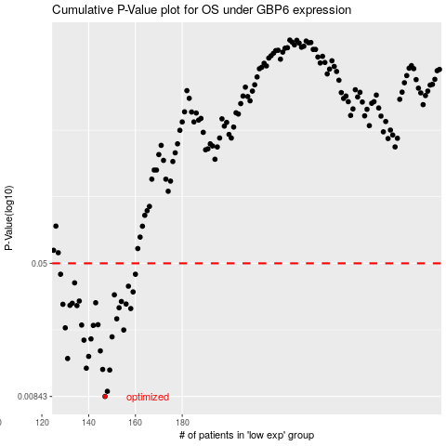

 |  |  |  |  |  | cases_OS | p_OS | rank | exp
 |  |  |  |  |  | 147 | 0.00843 | 304 | -0.42946670962
 |  |  |  |  |  | 148 | 0.00903 | 327 | -0.42913780237
 |  |  |  |  |  | 149 | 0.012 | 368 | -0.42388495998
 |  |  |  |  |  | 146 | 0.0121 | 97 | -0.43052416118
 |  |  |  |  |  | 139 | 0.0123 | 353 | -0.43483821017
 |  |  |  |  |  | 131 | 0.014 | 270 | -0.45481426905
 |  |  |  |  |  | 140 | 0.0144 | 234 | -0.43450935795
 |  |  |  |  |  | 145 | 0.0155 | 202 | -0.4305896344
 |  |  |  |  |  | 138 | 0.0179 | 148 | -0.43567565632
 |  |  |  |  |  | 141 | 0.0182 | 194 | -0.43434323929
 |  |  |  |  |  | 150 | 0.0187 | 26 | -0.42190818635
 |  |  |  |  |  | 155 | 0.0205 | 396 | -0.41036394341
 |  |  |  |  |  | 130 | 0.0211 | 276 | -0.4567308398
 |  |  |  |  |  | 142 | 0.0218 | 127 | -0.43287155062
 |  |  |  |  |  | 137 | 0.0219 | 267 | -0.43568319716
 |  |  |  |  |  | 144 | 0.022 | 114 | -0.43210250871
 |  |  |  |  |  | 152 | 0.0238 | 367 | -0.41707337901
 |  |  |  |  |  | 158 | 0.0273 | 300 | -0.4073564827
 |  |  |  |  |  | 153 | 0.0276 | 146 | -0.41345883934
 |  |  |  |  |  | 135 | 0.0284 | 277 | -0.44519921538
 |  |  |  |  |  | 132 | 0.0285 | 179 | -0.45459614886
 |  |  |  |  |  | 129 | 0.0289 | 54 | -0.45685307573
 |  |  |  |  |  | 156 | 0.029 | 42 | -0.41033654594
 |  |  |  |  |  | 133 | 0.0293 | 75 | -0.45059212751
 |  |  |  |  |  | 143 | 0.0295 | 208 | -0.43246002437
 |  |  |  |  |  | 154 | 0.03 | 85 | -0.41063282667
 |  |  |  |  |  | 136 | 0.0302 | 12 | -0.4439088922
 |  |  |  |  |  | 151 | 0.0328 | 66 | -0.42169312102
 |  |  |  |  |  | 159 | 0.0341 | 14 | -0.40545112689
 |  |  |  |  |  | 157 | 0.0368 | 227 | -0.40820518507
 |  |  |  |  |  | 134 | 0.0385 | 52 | -0.44614232963
 |  |  |  |  |  | 160 | 0.0432 | 35 | -0.40512329296
 |  |  |  |  |  | 128 | 0.0432 | 370 | -0.45839476486
 |  |  |  |  |  |  | cases_RFS | p_RFS | rank | exp
 |  |  |  |  |  |  | 146 | 0.00843 | 97 | -0.43052416118
 |  |  |  |  |  |  | 147 | 0.00903 | 304 | -0.42946670962
 |  |  |  |  |  |  | 148 | 0.012 | 327 | -0.42913780237
 |  |  |  |  |  |  | 145 | 0.0121 | 202 | -0.4305896344
 |  |  |  |  |  |  | 138 | 0.0123 | 148 | -0.43567565632
 |  |  |  |  |  |  | 130 | 0.014 | 276 | -0.4567308398
 |  |  |  |  |  |  | 139 | 0.0144 | 353 | -0.43483821017
 |  |  |  |  |  |  | 144 | 0.0155 | 114 | -0.43210250871
 |  |  |  |  |  |  | 137 | 0.0179 | 267 | -0.43568319716
 |  |  |  |  |  |  | 140 | 0.0182 | 234 | -0.43450935795
 |  |  |  |  |  |  | 149 | 0.0187 | 368 | -0.42388495998
 |  |  |  |  |  |  | 154 | 0.0205 | 85 | -0.41063282667
 |  |  |  |  |  |  | 129 | 0.0211 | 54 | -0.45685307573
 |  |  |  |  |  |  | 141 | 0.0218 | 194 | -0.43434323929
 |  |  |  |  |  |  | 136 | 0.0219 | 12 | -0.4439088922
 |  |  |  |  |  |  | 143 | 0.022 | 208 | -0.43246002437
 |  |  |  |  |  |  | 151 | 0.0238 | 66 | -0.42169312102
 |  |  |  |  |  |  | 157 | 0.0273 | 227 | -0.40820518507
 |  |  |  |  |  |  | 152 | 0.0276 | 367 | -0.41707337901
 |  |  |  |  |  |  | 134 | 0.0284 | 52 | -0.44614232963
 |  |  |  |  |  |  | 131 | 0.0285 | 270 | -0.45481426905
 |  |  |  |  |  |  | 128 | 0.0289 | 370 | -0.45839476486
 |  |  |  |  |  |  | 155 | 0.029 | 396 | -0.41036394341
 |  |  |  |  |  |  | 132 | 0.0293 | 179 | -0.45459614886
 |  |  |  |  |  |  | 142 | 0.0295 | 127 | -0.43287155062
 |  |  |  |  |  |  | 153 | 0.03 | 146 | -0.41345883934
 |  |  |  |  |  |  | 135 | 0.0302 | 277 | -0.44519921538
 |  |  |  |  |  |  | 150 | 0.0328 | 26 | -0.42190818635
 |  |  |  |  |  |  | 158 | 0.0341 | 300 | -0.4073564827
 |  |  |  |  |  |  | 156 | 0.0368 | 42 | -0.41033654594
 |  |  |  |  |  |  | 133 | 0.0385 | 75 | -0.45059212751
 |  |  |  |  |  |  | 159 | 0.0432 | 14 | -0.40545112689
 |  |  |  |  |  |  | 127 | 0.0432 | 326 | -0.4585452927

