GCA _multivariate
Reported by Tex Li-Hsing Chi. tex@gate.sinica.edu.tw 2019-08-19

Table 2. The clinicopathological features of HNSCC cohort and GCA expression. (Chi square test)
Cutoff at -0.161 (49.8%)
 |  | GCA expression |  | GCA expression |  | (Optimised)
 | Features | Low | (%) | High | (%) | Case no | P-value | Remark | Matthews
Gender | Female | 154 | 37.1 | 152 | 36.6 | 415 | 0.8463 | 0 | 0
2 | Male | 53 | 12.8 | 56 | 13.5
Age at diagnosis | <=65y | 133 | 32 | 141 | 34 | 415 | 0.5111 | 0 | 0
4 | >65y | 74 | 17.8 | 67 | 16.1
Clinical T Status | T1+T2 | 70 | 16.9 | 79 | 19 | 415 | 0.4343 | 0 | 0
6 | T3+T4 | 137 | 33 | 129 | 31.1
Clinical N Status | N0 | 116 | 28 | 100 | 24.1 | 415 | 0.1273 | 1 | 0
8 | N1-3 | 91 | 21.9 | 108 | 26
Clinical M Status | M0 | 206 | 49.6 | 206 | 49.6 | 415 | 1 | 0 | 0
10 | M1 | 1 | 0.2 | 2 | 0.5
Clinical Stage | Stage I+II | 52 | 12.5 | 50 | 12 | 415 | 0.8871 | 0 | 0
12 | Stage III+IV | 155 | 37.3 | 158 | 38.1
Surgical Margin status | Negative | 160 | 38.6 | 158 | 38.1 | 415 | 0.8167 | 0 | 0
14 | Positive | 47 | 11.3 | 50 | 12
Tobacco Exposure | Low | 85 | 20.5 | 76 | 18.3 | 415 | 0.3655 | 0 | 0
16 | High | 122 | 29.4 | 132 | 31.8

Table 3. Univariate/Multivariate Cox's proportional hazards regression analyses on OS time of GCA gene expression in HNSCC

 |  | Univariate |  |  |  | Multivariate
 | Features | HR | CI95%(L) | CI95%(H) | P-value | HR | CI95%(L) | CI95%(H) | P-value
1 | Female | 1 |  |  |  | 1
Gender | Male | 1.157 | 0.843 | 1.587 | 0.367 | 1.196 | 0.857 | 1.67 | 0.293
11 | <=65y | 1 |  |  |  | 1
Age at diagnosis | >65y | 1.329 | 0.99 | 1.784 | 0.058 | 1.4 | 1.029 | 1.904 | 0.032
12 | T1+T2 | 1 |  |  |  | 1
Clinical T Status | T3+T4 | 1.409 | 1.028 | 1.931 | 0.033 | 2.228 | 1.177 | 4.218 | 0.014
13 | N0 | 1 |  |  |  | 1
Clinical N Status | N1-3 | 1.185 | 0.89 | 1.577 | 0.246 | 1.229 | 0.861 | 1.755 | 0.256
14 | M0 | 1 |  |  |  | 1
Clinical M Status | M1 | 4.097 | 1.009 | 16.644 | 0.049 | 9.435 | 2.058 | 43.254 | 0.004
15 | Stage I+II | 1 |  |  |  | 1
Clinical Stage | Stage III+IV | 1.245 | 0.882 | 1.759 | 0.213 | 0.5 | 0.233 | 1.074 | 0.075
16 | Negative | 1 |  |  |  | 1
Surgical Margin status | Positive | 1.591 | 1.155 | 2.191 | 0.004 | 1.666 | 1.206 | 2.303 | 0.002
17 | Low | 1 |  |  |  | 1
Tobacco Exposure | High | 1.364 | 1.008 | 1.844 | 0.044 | 1.446 | 1.05 | 1.991 | 0.024
18 | Low | 1 |  |  |  | 1
RNAseq(z-score) | High | 1.112 | 0.835 | 1.482 | 0.466 | 1.119 | 0.838 | 1.494 | 0.446

Table 4. Univariate/Multivariate Cox's proportional hazards regression analyses on RFS time of GCA gene expression in HNSCC

 |  | Univariate |  |  |  | Multivariate
 | Features | HR | CI95%(L) | CI95%(H) | P-value | HR | CI95%(L) | CI95%(H) | P-value
1 | Female | 1 |  |  |  | 1
Gender | Male | 1.157 | 0.843 | 1.587 | 0.367 | 1.196 | 0.857 | 1.67 | 0.293
11 | <=65y | 1 |  |  |  | 1
Age at diagnosis | >65y | 1.329 | 0.99 | 1.784 | 0.058 | 1.4 | 1.029 | 1.904 | 0.032
12 | T1+T2 | 1 |  |  |  | 1
Clinical T Status | T3+T4 | 1.409 | 1.028 | 1.931 | 0.033 | 2.228 | 1.177 | 4.218 | 0.014
13 | N0 | 1 |  |  |  | 1
Clinical N Status | N1-3 | 1.185 | 0.89 | 1.577 | 0.246 | 1.229 | 0.861 | 1.755 | 0.256
14 | M0 | 1 |  |  |  | 1
Clinical M Status | M1 | 4.097 | 1.009 | 16.644 | 0.049 | 9.435 | 2.058 | 43.254 | 0.004
15 | Stage I+II | 1 |  |  |  | 1
Clinical Stage | Stage III+IV | 1.245 | 0.882 | 1.759 | 0.213 | 0.5 | 0.233 | 1.074 | 0.075
16 | Negative | 1 |  |  |  | 1
Surgical Margin status | Positive | 1.591 | 1.155 | 2.191 | 0.004 | 1.666 | 1.206 | 2.303 | 0.002
17 | Low | 1 |  |  |  | 1
Tobacco Exposure | High | 1.364 | 1.008 | 1.844 | 0.044 | 1.446 | 1.05 | 1.991 | 0.024
18 | Low | 1 |  |  |  | 1
RNAseq(z-score) | High | 1.112 | 0.835 | 1.482 | 0.466 | 1.119 | 0.838 | 1.494 | 0.446

Kaplan-Meier survival estimate: Cutoff at -0.161 (49.8%)

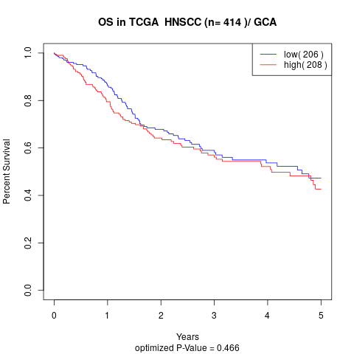

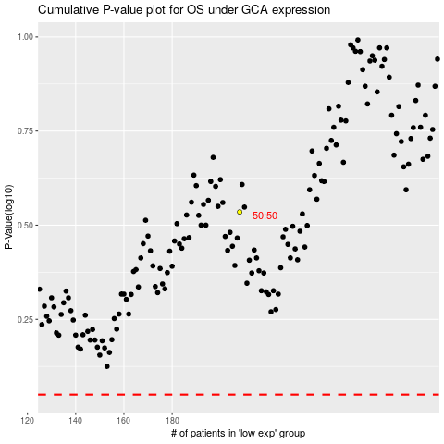

 |  |  |  |  |  | cases_OS | p_OS | rank | exp
 |  |  |  |  |  |  | cases_RFS | p_RFS | rank | exp

