GCAT _multivariate
Reported by Tex Li-Hsing Chi. tex@gate.sinica.edu.tw 2019-08-19

Table 2. The clinicopathological features of HNSCC cohort and GCAT expression. (Chi square test)
Cutoff at -0.281 (49.8%)
 |  | GCAT expression |  | GCAT expression |  | (Optimised)
 | Features | Low | (%) | High | (%) | Case no | P-value | Remark | Matthews
Gender | Female | 144 | 34.7 | 162 | 39 | 415 | 0.0697 | 0 | 0
2 | Male | 63 | 15.2 | 46 | 11.1
Age at diagnosis | <=65y | 128 | 30.8 | 146 | 35.2 | 415 | 0.0904 | 0 | 0
4 | >65y | 79 | 19 | 62 | 14.9
Clinical T Status | T1+T2 | 85 | 20.5 | 64 | 15.4 | 415 | 0.0372 | 1 | 0
6 | T3+T4 | 122 | 29.4 | 144 | 34.7
Clinical N Status | N0 | 111 | 26.7 | 105 | 25.3 | 415 | 0.5875 | 0 | 0
8 | N1-3 | 96 | 23.1 | 103 | 24.8
Clinical M Status | M0 | 205 | 49.4 | 207 | 49.9 | 415 | 0.6232 | 0 | 0
10 | M1 | 2 | 0.5 | 1 | 0.2
Clinical Stage | Stage I+II | 58 | 14 | 44 | 10.6 | 415 | 0.131 | 0 | 0
12 | Stage III+IV | 149 | 35.9 | 164 | 39.5
Surgical Margin status | Negative | 157 | 37.8 | 161 | 38.8 | 415 | 0.729 | 0 | 0
14 | Positive | 50 | 12 | 47 | 11.3
Tobacco Exposure | Low | 100 | 24.1 | 61 | 14.7 | 415 | 1e-04 | 1 | 0
16 | High | 107 | 25.8 | 147 | 35.4

Table 3. Univariate/Multivariate Cox's proportional hazards regression analyses on OS time of GCAT gene expression in HNSCC

 |  | Univariate |  |  |  | Multivariate
 | Features | HR | CI95%(L) | CI95%(H) | P-value | HR | CI95%(L) | CI95%(H) | P-value
1 | Female | 1 |  |  |  | 1
Gender | Male | 1.157 | 0.843 | 1.587 | 0.367 | 1.203 | 0.861 | 1.681 | 0.278
11 | <=65y | 1 |  |  |  | 1
Age at diagnosis | >65y | 1.329 | 0.99 | 1.784 | 0.058 | 1.406 | 1.034 | 1.913 | 0.03
12 | T1+T2 | 1 |  |  |  | 1
Clinical T Status | T3+T4 | 1.409 | 1.028 | 1.931 | 0.033 | 2.158 | 1.14 | 4.086 | 0.018
13 | N0 | 1 |  |  |  | 1
Clinical N Status | N1-3 | 1.185 | 0.89 | 1.577 | 0.246 | 1.227 | 0.859 | 1.753 | 0.26
14 | M0 | 1 |  |  |  | 1
Clinical M Status | M1 | 4.097 | 1.009 | 16.644 | 0.049 | 9.414 | 2.054 | 43.152 | 0.004
15 | Stage I+II | 1 |  |  |  | 1
Clinical Stage | Stage III+IV | 1.245 | 0.882 | 1.759 | 0.213 | 0.51 | 0.238 | 1.094 | 0.084
16 | Negative | 1 |  |  |  | 1
Surgical Margin status | Positive | 1.591 | 1.155 | 2.191 | 0.004 | 1.677 | 1.213 | 2.317 | 0.002
17 | Low | 1 |  |  |  | 1
Tobacco Exposure | High | 1.364 | 1.008 | 1.844 | 0.044 | 1.426 | 1.033 | 1.971 | 0.031
18 | Low | 1 |  |  |  | 1
RNAseq(z-score) | High | 1.182 | 0.887 | 1.576 | 0.253 | 1.132 | 0.841 | 1.522 | 0.413

Table 4. Univariate/Multivariate Cox's proportional hazards regression analyses on RFS time of GCAT gene expression in HNSCC

 |  | Univariate |  |  |  | Multivariate
 | Features | HR | CI95%(L) | CI95%(H) | P-value | HR | CI95%(L) | CI95%(H) | P-value
1 | Female | 1 |  |  |  | 1
Gender | Male | 1.157 | 0.843 | 1.587 | 0.367 | 1.203 | 0.861 | 1.681 | 0.278
11 | <=65y | 1 |  |  |  | 1
Age at diagnosis | >65y | 1.329 | 0.99 | 1.784 | 0.058 | 1.406 | 1.034 | 1.913 | 0.03
12 | T1+T2 | 1 |  |  |  | 1
Clinical T Status | T3+T4 | 1.409 | 1.028 | 1.931 | 0.033 | 2.158 | 1.14 | 4.086 | 0.018
13 | N0 | 1 |  |  |  | 1
Clinical N Status | N1-3 | 1.185 | 0.89 | 1.577 | 0.246 | 1.227 | 0.859 | 1.753 | 0.26
14 | M0 | 1 |  |  |  | 1
Clinical M Status | M1 | 4.097 | 1.009 | 16.644 | 0.049 | 9.414 | 2.054 | 43.152 | 0.004
15 | Stage I+II | 1 |  |  |  | 1
Clinical Stage | Stage III+IV | 1.245 | 0.882 | 1.759 | 0.213 | 0.51 | 0.238 | 1.094 | 0.084
16 | Negative | 1 |  |  |  | 1
Surgical Margin status | Positive | 1.591 | 1.155 | 2.191 | 0.004 | 1.677 | 1.213 | 2.317 | 0.002
17 | Low | 1 |  |  |  | 1
Tobacco Exposure | High | 1.364 | 1.008 | 1.844 | 0.044 | 1.426 | 1.033 | 1.971 | 0.031
18 | Low | 1 |  |  |  | 1
RNAseq(z-score) | High | 1.182 | 0.887 | 1.576 | 0.253 | 1.132 | 0.841 | 1.522 | 0.413

Kaplan-Meier survival estimate: Cutoff at -0.281 (49.8%)



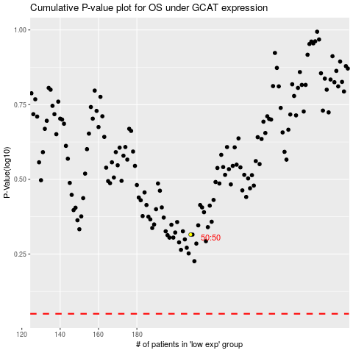

 |  |  |  |  |  | cases_OS | p_OS | rank | exp
 |  |  |  |  |  |  | cases_RFS | p_RFS | rank | exp

