GCC1 _multivariate
Reported by Tex Li-Hsing Chi. tex@gate.sinica.edu.tw 2019-08-19

Table 2. The clinicopathological features of HNSCC cohort and GCC1 expression. (Chi square test)
Cutoff at -0.053 (50.0%)
 |  | GCC1 expression |  | GCC1 expression |  | (Optimised)
 | Features | Low | (%) | High | (%) | Case no | P-value | Remark | Matthews
Gender | Female | 153 | 36.9 | 153 | 36.9 | 415 | 1 | 0 | 0
2 | Male | 54 | 13 | 55 | 13.3
Age at diagnosis | <=65y | 131 | 31.6 | 143 | 34.5 | 415 | 0.2839 | 0 | 0
4 | >65y | 76 | 18.3 | 65 | 15.7
Clinical T Status | T1+T2 | 78 | 18.8 | 71 | 17.1 | 415 | 0.5152 | 0 | 0
6 | T3+T4 | 129 | 31.1 | 137 | 33
Clinical N Status | N0 | 105 | 25.3 | 111 | 26.7 | 415 | 0.6598 | 0 | 0
8 | N1-3 | 102 | 24.6 | 97 | 23.4
Clinical M Status | M0 | 207 | 49.9 | 205 | 49.4 | 415 | 0.2482 | 0 | 0
10 | M1 | 0 | 0 | 3 | 0.7
Clinical Stage | Stage I+II | 50 | 12 | 52 | 12.5 | 415 | 0.9315 | 0 | 0
12 | Stage III+IV | 157 | 37.8 | 156 | 37.6
Surgical Margin status | Negative | 157 | 37.8 | 161 | 38.8 | 415 | 0.729 | 0 | 0
14 | Positive | 50 | 12 | 47 | 11.3
Tobacco Exposure | Low | 88 | 21.2 | 73 | 17.6 | 415 | 0.1314 | 0 | 0
16 | High | 119 | 28.7 | 135 | 32.5

Table 3. Univariate/Multivariate Cox's proportional hazards regression analyses on OS time of GCC1 gene expression in HNSCC

 |  | Univariate |  |  |  | Multivariate
 | Features | HR | CI95%(L) | CI95%(H) | P-value | HR | CI95%(L) | CI95%(H) | P-value
1 | Female | 1 |  |  |  | 1
Gender | Male | 1.157 | 0.843 | 1.587 | 0.367 | 1.204 | 0.862 | 1.683 | 0.276
11 | <=65y | 1 |  |  |  | 1
Age at diagnosis | >65y | 1.329 | 0.99 | 1.784 | 0.058 | 1.384 | 1.018 | 1.883 | 0.038
12 | T1+T2 | 1 |  |  |  | 1
Clinical T Status | T3+T4 | 1.409 | 1.028 | 1.931 | 0.033 | 2.215 | 1.171 | 4.188 | 0.014
13 | N0 | 1 |  |  |  | 1
Clinical N Status | N1-3 | 1.185 | 0.89 | 1.577 | 0.246 | 1.229 | 0.86 | 1.755 | 0.257
14 | M0 | 1 |  |  |  | 1
Clinical M Status | M1 | 4.097 | 1.009 | 16.644 | 0.049 | 9.964 | 2.151 | 46.148 | 0.003
15 | Stage I+II | 1 |  |  |  | 1
Clinical Stage | Stage III+IV | 1.245 | 0.882 | 1.759 | 0.213 | 0.502 | 0.234 | 1.078 | 0.077
16 | Negative | 1 |  |  |  | 1
Surgical Margin status | Positive | 1.591 | 1.155 | 2.191 | 0.004 | 1.667 | 1.206 | 2.304 | 0.002
17 | Low | 1 |  |  |  | 1
Tobacco Exposure | High | 1.364 | 1.008 | 1.844 | 0.044 | 1.461 | 1.06 | 2.014 | 0.021
18 | Low | 1 |  |  |  | 1
RNAseq(z-score) | High | 0.929 | 0.698 | 1.238 | 0.617 | 0.908 | 0.679 | 1.215 | 0.517

Table 4. Univariate/Multivariate Cox's proportional hazards regression analyses on RFS time of GCC1 gene expression in HNSCC

 |  | Univariate |  |  |  | Multivariate
 | Features | HR | CI95%(L) | CI95%(H) | P-value | HR | CI95%(L) | CI95%(H) | P-value
1 | Female | 1 |  |  |  | 1
Gender | Male | 1.157 | 0.843 | 1.587 | 0.367 | 1.204 | 0.862 | 1.683 | 0.276
11 | <=65y | 1 |  |  |  | 1
Age at diagnosis | >65y | 1.329 | 0.99 | 1.784 | 0.058 | 1.384 | 1.018 | 1.883 | 0.038
12 | T1+T2 | 1 |  |  |  | 1
Clinical T Status | T3+T4 | 1.409 | 1.028 | 1.931 | 0.033 | 2.215 | 1.171 | 4.188 | 0.014
13 | N0 | 1 |  |  |  | 1
Clinical N Status | N1-3 | 1.185 | 0.89 | 1.577 | 0.246 | 1.229 | 0.86 | 1.755 | 0.257
14 | M0 | 1 |  |  |  | 1
Clinical M Status | M1 | 4.097 | 1.009 | 16.644 | 0.049 | 9.964 | 2.151 | 46.148 | 0.003
15 | Stage I+II | 1 |  |  |  | 1
Clinical Stage | Stage III+IV | 1.245 | 0.882 | 1.759 | 0.213 | 0.502 | 0.234 | 1.078 | 0.077
16 | Negative | 1 |  |  |  | 1
Surgical Margin status | Positive | 1.591 | 1.155 | 2.191 | 0.004 | 1.667 | 1.206 | 2.304 | 0.002
17 | Low | 1 |  |  |  | 1
Tobacco Exposure | High | 1.364 | 1.008 | 1.844 | 0.044 | 1.461 | 1.06 | 2.014 | 0.021
18 | Low | 1 |  |  |  | 1
RNAseq(z-score) | High | 0.929 | 0.698 | 1.238 | 0.617 | 0.908 | 0.679 | 1.215 | 0.517

Kaplan-Meier survival estimate: Cutoff at -0.053 (50.0%)



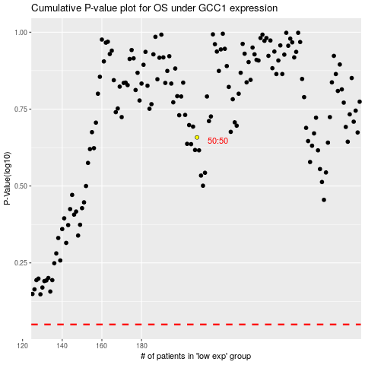

 |  |  |  |  |  | cases_OS | p_OS | rank | exp
 |  |  |  |  |  |  | cases_RFS | p_RFS | rank | exp

