GCDH _multivariate
Reported by Tex Li-Hsing Chi. tex@gate.sinica.edu.tw 2019-08-19

Table 2. The clinicopathological features of HNSCC cohort and GCDH expression. (Chi square test)
Cutoff at -0.313 (49.8%)
 |  | GCDH expression |  | GCDH expression |  | (Optimised)
 | Features | Low | (%) | High | (%) | Case no | P-value | Remark | Matthews
Gender | Female | 137 | 33 | 169 | 40.7 | 415 | 7e-04 | 1 | 0
2 | Male | 70 | 16.9 | 39 | 9.4
Age at diagnosis | <=65y | 128 | 30.8 | 146 | 35.2 | 415 | 0.0904 | 0 | 0
4 | >65y | 79 | 19 | 62 | 14.9
Clinical T Status | T1+T2 | 81 | 19.5 | 68 | 16.4 | 415 | 0.206 | 0 | 0
6 | T3+T4 | 126 | 30.4 | 140 | 33.7
Clinical N Status | N0 | 120 | 28.9 | 96 | 23.1 | 415 | 0.0208 | 1 | 0
8 | N1-3 | 87 | 21 | 112 | 27
Clinical M Status | M0 | 206 | 49.6 | 206 | 49.6 | 415 | 1 | 0 | 0
10 | M1 | 1 | 0.2 | 2 | 0.5
Clinical Stage | Stage I+II | 61 | 14.7 | 41 | 9.9 | 415 | 0.0282 | 1 | 0
12 | Stage III+IV | 146 | 35.2 | 167 | 40.2
Surgical Margin status | Negative | 163 | 39.3 | 155 | 37.3 | 415 | 0.3537 | 0 | 0
14 | Positive | 44 | 10.6 | 53 | 12.8
Tobacco Exposure | Low | 93 | 22.4 | 68 | 16.4 | 415 | 0.0118 | 1 | 0
16 | High | 114 | 27.5 | 140 | 33.7

Table 3. Univariate/Multivariate Cox's proportional hazards regression analyses on OS time of GCDH gene expression in HNSCC

 |  | Univariate |  |  |  | Multivariate
 | Features | HR | CI95%(L) | CI95%(H) | P-value | HR | CI95%(L) | CI95%(H) | P-value
1 | Female | 1 |  |  |  | 1
Gender | Male | 1.157 | 0.843 | 1.587 | 0.367 | 1.198 | 0.855 | 1.679 | 0.293
11 | <=65y | 1 |  |  |  | 1
Age at diagnosis | >65y | 1.329 | 0.99 | 1.784 | 0.058 | 1.39 | 1.022 | 1.891 | 0.036
12 | T1+T2 | 1 |  |  |  | 1
Clinical T Status | T3+T4 | 1.409 | 1.028 | 1.931 | 0.033 | 2.205 | 1.166 | 4.17 | 0.015
13 | N0 | 1 |  |  |  | 1
Clinical N Status | N1-3 | 1.185 | 0.89 | 1.577 | 0.246 | 1.243 | 0.87 | 1.774 | 0.232
14 | M0 | 1 |  |  |  | 1
Clinical M Status | M1 | 4.097 | 1.009 | 16.644 | 0.049 | 9.447 | 2.058 | 43.371 | 0.004
15 | Stage I+II | 1 |  |  |  | 1
Clinical Stage | Stage III+IV | 1.245 | 0.882 | 1.759 | 0.213 | 0.506 | 0.235 | 1.087 | 0.081
16 | Negative | 1 |  |  |  | 1
Surgical Margin status | Positive | 1.591 | 1.155 | 2.191 | 0.004 | 1.675 | 1.21 | 2.319 | 0.002
17 | Low | 1 |  |  |  | 1
Tobacco Exposure | High | 1.364 | 1.008 | 1.844 | 0.044 | 1.454 | 1.055 | 2.004 | 0.022
18 | Low | 1 |  |  |  | 1
RNAseq(z-score) | High | 1.059 | 0.795 | 1.411 | 0.693 | 0.981 | 0.726 | 1.326 | 0.899

Table 4. Univariate/Multivariate Cox's proportional hazards regression analyses on RFS time of GCDH gene expression in HNSCC

 |  | Univariate |  |  |  | Multivariate
 | Features | HR | CI95%(L) | CI95%(H) | P-value | HR | CI95%(L) | CI95%(H) | P-value
1 | Female | 1 |  |  |  | 1
Gender | Male | 1.157 | 0.843 | 1.587 | 0.367 | 1.198 | 0.855 | 1.679 | 0.293
11 | <=65y | 1 |  |  |  | 1
Age at diagnosis | >65y | 1.329 | 0.99 | 1.784 | 0.058 | 1.39 | 1.022 | 1.891 | 0.036
12 | T1+T2 | 1 |  |  |  | 1
Clinical T Status | T3+T4 | 1.409 | 1.028 | 1.931 | 0.033 | 2.205 | 1.166 | 4.17 | 0.015
13 | N0 | 1 |  |  |  | 1
Clinical N Status | N1-3 | 1.185 | 0.89 | 1.577 | 0.246 | 1.243 | 0.87 | 1.774 | 0.232
14 | M0 | 1 |  |  |  | 1
Clinical M Status | M1 | 4.097 | 1.009 | 16.644 | 0.049 | 9.447 | 2.058 | 43.371 | 0.004
15 | Stage I+II | 1 |  |  |  | 1
Clinical Stage | Stage III+IV | 1.245 | 0.882 | 1.759 | 0.213 | 0.506 | 0.235 | 1.087 | 0.081
16 | Negative | 1 |  |  |  | 1
Surgical Margin status | Positive | 1.591 | 1.155 | 2.191 | 0.004 | 1.675 | 1.21 | 2.319 | 0.002
17 | Low | 1 |  |  |  | 1
Tobacco Exposure | High | 1.364 | 1.008 | 1.844 | 0.044 | 1.454 | 1.055 | 2.004 | 0.022
18 | Low | 1 |  |  |  | 1
RNAseq(z-score) | High | 1.059 | 0.795 | 1.411 | 0.693 | 0.981 | 0.726 | 1.326 | 0.899

Kaplan-Meier survival estimate: Cutoff at -0.313 (49.8%)



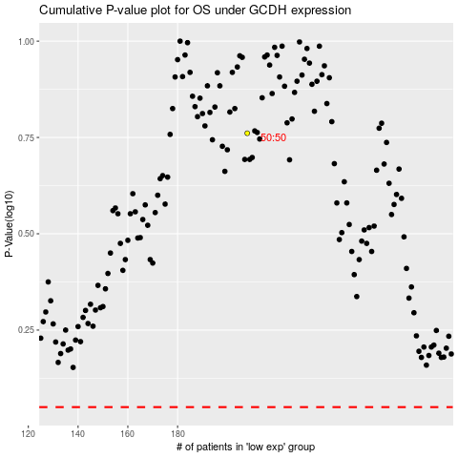

 |  |  |  |  |  | cases_OS | p_OS | rank | exp
 |  |  |  |  |  |  | cases_RFS | p_RFS | rank | exp

