GCH1 _multivariate
Reported by Tex Li-Hsing Chi. tex@gate.sinica.edu.tw 2019-08-19

Table 2. The clinicopathological features of HNSCC cohort and GCH1 expression. (Chi square test)
Cutoff at -0.291 (49.8%)
 |  | GCH1 expression |  | GCH1 expression |  | (Optimised)
 | Features | Low | (%) | High | (%) | Case no | P-value | Remark | Matthews
Gender | Female | 160 | 38.6 | 146 | 35.2 | 415 | 0.1254 | 0 | 0
2 | Male | 47 | 11.3 | 62 | 14.9
Age at diagnosis | <=65y | 150 | 36.1 | 124 | 29.9 | 415 | 0.0078 | 1 | 0
4 | >65y | 57 | 13.7 | 84 | 20.2
Clinical T Status | T1+T2 | 77 | 18.6 | 72 | 17.3 | 415 | 0.6556 | 0 | 0
6 | T3+T4 | 130 | 31.3 | 136 | 32.8
Clinical N Status | N0 | 108 | 26 | 108 | 26 | 415 | 1 | 0 | 0
8 | N1-3 | 99 | 23.9 | 100 | 24.1
Clinical M Status | M0 | 206 | 49.6 | 206 | 49.6 | 415 | 1 | 0 | 0
10 | M1 | 1 | 0.2 | 2 | 0.5
Clinical Stage | Stage I+II | 54 | 13 | 48 | 11.6 | 415 | 0.5498 | 0 | 0
12 | Stage III+IV | 153 | 36.9 | 160 | 38.6
Surgical Margin status | Negative | 163 | 39.3 | 155 | 37.3 | 415 | 0.3537 | 0 | 0
14 | Positive | 44 | 10.6 | 53 | 12.8
Tobacco Exposure | Low | 70 | 16.9 | 91 | 21.9 | 415 | 0.0439 | 1 | 0
16 | High | 137 | 33 | 117 | 28.2

Table 3. Univariate/Multivariate Cox's proportional hazards regression analyses on OS time of GCH1 gene expression in HNSCC

 |  | Univariate |  |  |  | Multivariate
 | Features | HR | CI95%(L) | CI95%(H) | P-value | HR | CI95%(L) | CI95%(H) | P-value
1 | Female | 1 |  |  |  | 1
Gender | Male | 1.157 | 0.843 | 1.587 | 0.367 | 1.204 | 0.861 | 1.683 | 0.278
11 | <=65y | 1 |  |  |  | 1
Age at diagnosis | >65y | 1.329 | 0.99 | 1.784 | 0.058 | 1.404 | 1.032 | 1.91 | 0.031
12 | T1+T2 | 1 |  |  |  | 1
Clinical T Status | T3+T4 | 1.409 | 1.028 | 1.931 | 0.033 | 2.197 | 1.162 | 4.154 | 0.015
13 | N0 | 1 |  |  |  | 1
Clinical N Status | N1-3 | 1.185 | 0.89 | 1.577 | 0.246 | 1.23 | 0.862 | 1.757 | 0.254
14 | M0 | 1 |  |  |  | 1
Clinical M Status | M1 | 4.097 | 1.009 | 16.644 | 0.049 | 9.514 | 2.075 | 43.626 | 0.004
15 | Stage I+II | 1 |  |  |  | 1
Clinical Stage | Stage III+IV | 1.245 | 0.882 | 1.759 | 0.213 | 0.507 | 0.236 | 1.089 | 0.082
16 | Negative | 1 |  |  |  | 1
Surgical Margin status | Positive | 1.591 | 1.155 | 2.191 | 0.004 | 1.685 | 1.219 | 2.33 | 0.002
17 | Low | 1 |  |  |  | 1
Tobacco Exposure | High | 1.364 | 1.008 | 1.844 | 0.044 | 1.438 | 1.043 | 1.984 | 0.027
18 | Low | 1 |  |  |  | 1
RNAseq(z-score) | High | 0.909 | 0.682 | 1.211 | 0.514 | 0.897 | 0.67 | 1.2 | 0.463

Table 4. Univariate/Multivariate Cox's proportional hazards regression analyses on RFS time of GCH1 gene expression in HNSCC

 |  | Univariate |  |  |  | Multivariate
 | Features | HR | CI95%(L) | CI95%(H) | P-value | HR | CI95%(L) | CI95%(H) | P-value
1 | Female | 1 |  |  |  | 1
Gender | Male | 1.157 | 0.843 | 1.587 | 0.367 | 1.204 | 0.861 | 1.683 | 0.278
11 | <=65y | 1 |  |  |  | 1
Age at diagnosis | >65y | 1.329 | 0.99 | 1.784 | 0.058 | 1.404 | 1.032 | 1.91 | 0.031
12 | T1+T2 | 1 |  |  |  | 1
Clinical T Status | T3+T4 | 1.409 | 1.028 | 1.931 | 0.033 | 2.197 | 1.162 | 4.154 | 0.015
13 | N0 | 1 |  |  |  | 1
Clinical N Status | N1-3 | 1.185 | 0.89 | 1.577 | 0.246 | 1.23 | 0.862 | 1.757 | 0.254
14 | M0 | 1 |  |  |  | 1
Clinical M Status | M1 | 4.097 | 1.009 | 16.644 | 0.049 | 9.514 | 2.075 | 43.626 | 0.004
15 | Stage I+II | 1 |  |  |  | 1
Clinical Stage | Stage III+IV | 1.245 | 0.882 | 1.759 | 0.213 | 0.507 | 0.236 | 1.089 | 0.082
16 | Negative | 1 |  |  |  | 1
Surgical Margin status | Positive | 1.591 | 1.155 | 2.191 | 0.004 | 1.685 | 1.219 | 2.33 | 0.002
17 | Low | 1 |  |  |  | 1
Tobacco Exposure | High | 1.364 | 1.008 | 1.844 | 0.044 | 1.438 | 1.043 | 1.984 | 0.027
18 | Low | 1 |  |  |  | 1
RNAseq(z-score) | High | 0.909 | 0.682 | 1.211 | 0.514 | 0.897 | 0.67 | 1.2 | 0.463

Kaplan-Meier survival estimate: Cutoff at -0.291 (49.8%)



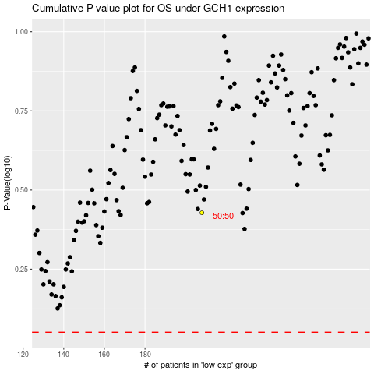

 |  |  |  |  |  | cases_OS | p_OS | rank | exp
 |  |  |  |  |  |  | cases_RFS | p_RFS | rank | exp

