GCLC _multivariate
Reported by Tex Li-Hsing Chi. tex@gate.sinica.edu.tw 2019-08-19

Table 2. The clinicopathological features of HNSCC cohort and GCLC expression. (Chi square test)
Cutoff at -0.326 (49.8%)
 |  | GCLC expression |  | GCLC expression |  | (Optimised)
 | Features | Low | (%) | High | (%) | Case no | P-value | Remark | Matthews
Gender | Female | 142 | 34.2 | 164 | 39.5 | 415 | 0.0238 | 1 | 0
2 | Male | 65 | 15.7 | 44 | 10.6
Age at diagnosis | <=65y | 137 | 33 | 137 | 33 | 415 | 1 | 0 | 0
4 | >65y | 70 | 16.9 | 71 | 17.1
Clinical T Status | T1+T2 | 89 | 21.4 | 60 | 14.5 | 415 | 0.0037 | 1 | 0
6 | T3+T4 | 118 | 28.4 | 148 | 35.7
Clinical N Status | N0 | 111 | 26.7 | 105 | 25.3 | 415 | 0.5875 | 0 | 0
8 | N1-3 | 96 | 23.1 | 103 | 24.8
Clinical M Status | M0 | 206 | 49.6 | 206 | 49.6 | 415 | 1 | 0 | 0
10 | M1 | 1 | 0.2 | 2 | 0.5
Clinical Stage | Stage I+II | 61 | 14.7 | 41 | 9.9 | 415 | 0.0282 | 1 | 0
12 | Stage III+IV | 146 | 35.2 | 167 | 40.2
Surgical Margin status | Negative | 164 | 39.5 | 154 | 37.1 | 415 | 0.2462 | 0 | 0
14 | Positive | 43 | 10.4 | 54 | 13
Tobacco Exposure | Low | 95 | 22.9 | 66 | 15.9 | 415 | 0.0035 | 1 | 0
16 | High | 112 | 27 | 142 | 34.2

Table 3. Univariate/Multivariate Cox's proportional hazards regression analyses on OS time of GCLC gene expression in HNSCC

 |  | Univariate |  |  |  | Multivariate
 | Features | HR | CI95%(L) | CI95%(H) | P-value | HR | CI95%(L) | CI95%(H) | P-value
1 | Female | 1 |  |  |  | 1
Gender | Male | 1.157 | 0.843 | 1.587 | 0.367 | 1.208 | 0.863 | 1.691 | 0.271
11 | <=65y | 1 |  |  |  | 1
Age at diagnosis | >65y | 1.329 | 0.99 | 1.784 | 0.058 | 1.392 | 1.024 | 1.893 | 0.035
12 | T1+T2 | 1 |  |  |  | 1
Clinical T Status | T3+T4 | 1.409 | 1.028 | 1.931 | 0.033 | 2.196 | 1.161 | 4.153 | 0.016
13 | N0 | 1 |  |  |  | 1
Clinical N Status | N1-3 | 1.185 | 0.89 | 1.577 | 0.246 | 1.241 | 0.869 | 1.771 | 0.235
14 | M0 | 1 |  |  |  | 1
Clinical M Status | M1 | 4.097 | 1.009 | 16.644 | 0.049 | 9.364 | 2.042 | 42.939 | 0.004
15 | Stage I+II | 1 |  |  |  | 1
Clinical Stage | Stage III+IV | 1.245 | 0.882 | 1.759 | 0.213 | 0.503 | 0.234 | 1.08 | 0.078
16 | Negative | 1 |  |  |  | 1
Surgical Margin status | Positive | 1.591 | 1.155 | 2.191 | 0.004 | 1.668 | 1.207 | 2.306 | 0.002
17 | Low | 1 |  |  |  | 1
Tobacco Exposure | High | 1.364 | 1.008 | 1.844 | 0.044 | 1.448 | 1.049 | 1.997 | 0.024
18 | Low | 1 |  |  |  | 1
RNAseq(z-score) | High | 1.114 | 0.836 | 1.483 | 0.462 | 1.042 | 0.776 | 1.399 | 0.787

Table 4. Univariate/Multivariate Cox's proportional hazards regression analyses on RFS time of GCLC gene expression in HNSCC

 |  | Univariate |  |  |  | Multivariate
 | Features | HR | CI95%(L) | CI95%(H) | P-value | HR | CI95%(L) | CI95%(H) | P-value
1 | Female | 1 |  |  |  | 1
Gender | Male | 1.157 | 0.843 | 1.587 | 0.367 | 1.208 | 0.863 | 1.691 | 0.271
11 | <=65y | 1 |  |  |  | 1
Age at diagnosis | >65y | 1.329 | 0.99 | 1.784 | 0.058 | 1.392 | 1.024 | 1.893 | 0.035
12 | T1+T2 | 1 |  |  |  | 1
Clinical T Status | T3+T4 | 1.409 | 1.028 | 1.931 | 0.033 | 2.196 | 1.161 | 4.153 | 0.016
13 | N0 | 1 |  |  |  | 1
Clinical N Status | N1-3 | 1.185 | 0.89 | 1.577 | 0.246 | 1.241 | 0.869 | 1.771 | 0.235
14 | M0 | 1 |  |  |  | 1
Clinical M Status | M1 | 4.097 | 1.009 | 16.644 | 0.049 | 9.364 | 2.042 | 42.939 | 0.004
15 | Stage I+II | 1 |  |  |  | 1
Clinical Stage | Stage III+IV | 1.245 | 0.882 | 1.759 | 0.213 | 0.503 | 0.234 | 1.08 | 0.078
16 | Negative | 1 |  |  |  | 1
Surgical Margin status | Positive | 1.591 | 1.155 | 2.191 | 0.004 | 1.668 | 1.207 | 2.306 | 0.002
17 | Low | 1 |  |  |  | 1
Tobacco Exposure | High | 1.364 | 1.008 | 1.844 | 0.044 | 1.448 | 1.049 | 1.997 | 0.024
18 | Low | 1 |  |  |  | 1
RNAseq(z-score) | High | 1.114 | 0.836 | 1.483 | 0.462 | 1.042 | 0.776 | 1.399 | 0.787

Kaplan-Meier survival estimate: Cutoff at -0.326 (49.8%)



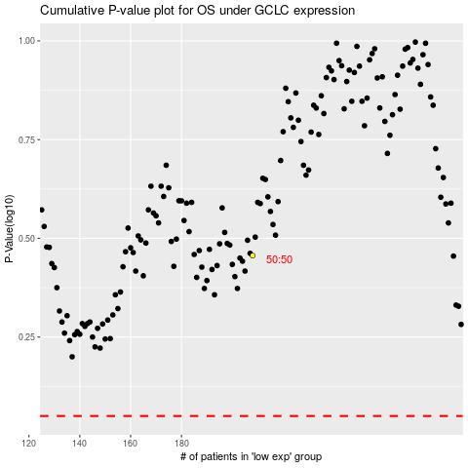

 |  |  |  |  |  | cases_OS | p_OS | rank | exp
 |  |  |  |  |  |  | cases_RFS | p_RFS | rank | exp

