GCN1L1 _multivariate
Reported by Tex Li-Hsing Chi. tex@gate.sinica.edu.tw 2019-08-19

Table 2. The clinicopathological features of HNSCC cohort and GCN1L1 expression. (Chi square test)
Cutoff at -0.096 (49.8%)
 |  | GCN1L1 expression |  | GCN1L1 expression |  | (Optimised)
 | Features | Low | (%) | High | (%) | Case no | P-value | Remark | Matthews
Gender | Female | 149 | 35.9 | 157 | 37.8 | 415 | 0.4848 | 0 | 0
2 | Male | 58 | 14 | 51 | 12.3
Age at diagnosis | <=65y | 138 | 33.3 | 136 | 32.8 | 415 | 0.8634 | 0 | 0
4 | >65y | 69 | 16.6 | 72 | 17.3
Clinical T Status | T1+T2 | 75 | 18.1 | 74 | 17.8 | 415 | 0.9707 | 0 | 0
6 | T3+T4 | 132 | 31.8 | 134 | 32.3
Clinical N Status | N0 | 112 | 27 | 104 | 25.1 | 415 | 0.4599 | 0 | 0
8 | N1-3 | 95 | 22.9 | 104 | 25.1
Clinical M Status | M0 | 205 | 49.4 | 207 | 49.9 | 415 | 0.6232 | 0 | 0
10 | M1 | 2 | 0.5 | 1 | 0.2
Clinical Stage | Stage I+II | 53 | 12.8 | 49 | 11.8 | 415 | 0.7113 | 0 | 0
12 | Stage III+IV | 154 | 37.1 | 159 | 38.3
Surgical Margin status | Negative | 158 | 38.1 | 160 | 38.6 | 415 | 0.9081 | 0 | 0
14 | Positive | 49 | 11.8 | 48 | 11.6
Tobacco Exposure | Low | 80 | 19.3 | 81 | 19.5 | 415 | 1 | 0 | 0
16 | High | 127 | 30.6 | 127 | 30.6

Table 3. Univariate/Multivariate Cox's proportional hazards regression analyses on OS time of GCN1L1 gene expression in HNSCC

 |  | Univariate |  |  |  | Multivariate
 | Features | HR | CI95%(L) | CI95%(H) | P-value | HR | CI95%(L) | CI95%(H) | P-value
1 | Female | 1 |  |  |  | 1
Gender | Male | 1.157 | 0.843 | 1.587 | 0.367 | 1.231 | 0.88 | 1.723 | 0.226
11 | <=65y | 1 |  |  |  | 1
Age at diagnosis | >65y | 1.329 | 0.99 | 1.784 | 0.058 | 1.379 | 1.014 | 1.877 | 0.041
12 | T1+T2 | 1 |  |  |  | 1
Clinical T Status | T3+T4 | 1.409 | 1.028 | 1.931 | 0.033 | 2.219 | 1.174 | 4.196 | 0.014
13 | N0 | 1 |  |  |  | 1
Clinical N Status | N1-3 | 1.185 | 0.89 | 1.577 | 0.246 | 1.231 | 0.862 | 1.757 | 0.253
14 | M0 | 1 |  |  |  | 1
Clinical M Status | M1 | 4.097 | 1.009 | 16.644 | 0.049 | 10.192 | 2.214 | 46.924 | 0.003
15 | Stage I+II | 1 |  |  |  | 1
Clinical Stage | Stage III+IV | 1.245 | 0.882 | 1.759 | 0.213 | 0.499 | 0.232 | 1.072 | 0.075
16 | Negative | 1 |  |  |  | 1
Surgical Margin status | Positive | 1.591 | 1.155 | 2.191 | 0.004 | 1.675 | 1.213 | 2.314 | 0.002
17 | Low | 1 |  |  |  | 1
Tobacco Exposure | High | 1.364 | 1.008 | 1.844 | 0.044 | 1.462 | 1.06 | 2.016 | 0.021
18 | Low | 1 |  |  |  | 1
RNAseq(z-score) | High | 1.198 | 0.899 | 1.598 | 0.218 | 1.223 | 0.914 | 1.636 | 0.175

Table 4. Univariate/Multivariate Cox's proportional hazards regression analyses on RFS time of GCN1L1 gene expression in HNSCC

 |  | Univariate |  |  |  | Multivariate
 | Features | HR | CI95%(L) | CI95%(H) | P-value | HR | CI95%(L) | CI95%(H) | P-value
1 | Female | 1 |  |  |  | 1
Gender | Male | 1.157 | 0.843 | 1.587 | 0.367 | 1.231 | 0.88 | 1.723 | 0.226
11 | <=65y | 1 |  |  |  | 1
Age at diagnosis | >65y | 1.329 | 0.99 | 1.784 | 0.058 | 1.379 | 1.014 | 1.877 | 0.041
12 | T1+T2 | 1 |  |  |  | 1
Clinical T Status | T3+T4 | 1.409 | 1.028 | 1.931 | 0.033 | 2.219 | 1.174 | 4.196 | 0.014
13 | N0 | 1 |  |  |  | 1
Clinical N Status | N1-3 | 1.185 | 0.89 | 1.577 | 0.246 | 1.231 | 0.862 | 1.757 | 0.253
14 | M0 | 1 |  |  |  | 1
Clinical M Status | M1 | 4.097 | 1.009 | 16.644 | 0.049 | 10.192 | 2.214 | 46.924 | 0.003
15 | Stage I+II | 1 |  |  |  | 1
Clinical Stage | Stage III+IV | 1.245 | 0.882 | 1.759 | 0.213 | 0.499 | 0.232 | 1.072 | 0.075
16 | Negative | 1 |  |  |  | 1
Surgical Margin status | Positive | 1.591 | 1.155 | 2.191 | 0.004 | 1.675 | 1.213 | 2.314 | 0.002
17 | Low | 1 |  |  |  | 1
Tobacco Exposure | High | 1.364 | 1.008 | 1.844 | 0.044 | 1.462 | 1.06 | 2.016 | 0.021
18 | Low | 1 |  |  |  | 1
RNAseq(z-score) | High | 1.198 | 0.899 | 1.598 | 0.218 | 1.223 | 0.914 | 1.636 | 0.175

Kaplan-Meier survival estimate: Cutoff at -0.096 (49.8%)



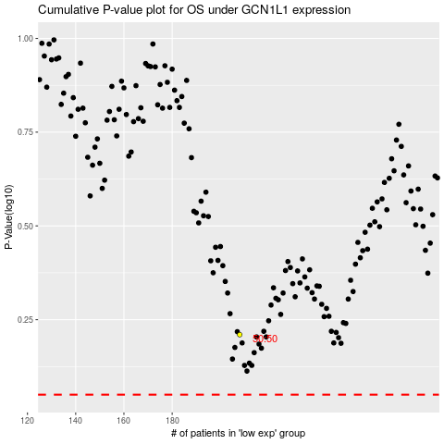

 |  |  |  |  |  | cases_OS | p_OS | rank | exp
 |  |  |  |  |  |  | cases_RFS | p_RFS | rank | exp

