GCNT2 _multivariate
Reported by Tex Li-Hsing Chi. tex@gate.sinica.edu.tw 2019-08-19

Table 2. The clinicopathological features of HNSCC cohort and GCNT2 expression. (Chi square test)
Cutoff at -0.446 (49.8%)
 |  | GCNT2 expression |  | GCNT2 expression |  | (Optimised)
 | Features | Low | (%) | High | (%) | Case no | P-value | Remark | Matthews
Gender | Female | 142 | 34.2 | 164 | 39.5 | 415 | 0.0238 | 1 | 0
2 | Male | 65 | 15.7 | 44 | 10.6
Age at diagnosis | <=65y | 133 | 32 | 141 | 34 | 415 | 0.5111 | 0 | 0
4 | >65y | 74 | 17.8 | 67 | 16.1
Clinical T Status | T1+T2 | 69 | 16.6 | 80 | 19.3 | 415 | 0.3239 | 0 | 0
6 | T3+T4 | 138 | 33.3 | 128 | 30.8
Clinical N Status | N0 | 111 | 26.7 | 105 | 25.3 | 415 | 0.5875 | 0 | 0
8 | N1-3 | 96 | 23.1 | 103 | 24.8
Clinical M Status | M0 | 206 | 49.6 | 206 | 49.6 | 415 | 1 | 0 | 0
10 | M1 | 1 | 0.2 | 2 | 0.5
Clinical Stage | Stage I+II | 52 | 12.5 | 50 | 12 | 415 | 0.8871 | 0 | 0
12 | Stage III+IV | 155 | 37.3 | 158 | 38.1
Surgical Margin status | Negative | 158 | 38.1 | 160 | 38.6 | 415 | 0.9081 | 0 | 0
14 | Positive | 49 | 11.8 | 48 | 11.6
Tobacco Exposure | Low | 95 | 22.9 | 66 | 15.9 | 415 | 0.0035 | 1 | 0
16 | High | 112 | 27 | 142 | 34.2

Table 3. Univariate/Multivariate Cox's proportional hazards regression analyses on OS time of GCNT2 gene expression in HNSCC

 |  | Univariate |  |  |  | Multivariate
 | Features | HR | CI95%(L) | CI95%(H) | P-value | HR | CI95%(L) | CI95%(H) | P-value
1 | Female | 1 |  |  |  | 1
Gender | Male | 1.157 | 0.843 | 1.587 | 0.367 | 1.199 | 0.855 | 1.681 | 0.294
11 | <=65y | 1 |  |  |  | 1
Age at diagnosis | >65y | 1.329 | 0.99 | 1.784 | 0.058 | 1.392 | 1.024 | 1.892 | 0.035
12 | T1+T2 | 1 |  |  |  | 1
Clinical T Status | T3+T4 | 1.409 | 1.028 | 1.931 | 0.033 | 2.198 | 1.161 | 4.161 | 0.016
13 | N0 | 1 |  |  |  | 1
Clinical N Status | N1-3 | 1.185 | 0.89 | 1.577 | 0.246 | 1.242 | 0.87 | 1.772 | 0.233
14 | M0 | 1 |  |  |  | 1
Clinical M Status | M1 | 4.097 | 1.009 | 16.644 | 0.049 | 9.395 | 2.049 | 43.075 | 0.004
15 | Stage I+II | 1 |  |  |  | 1
Clinical Stage | Stage III+IV | 1.245 | 0.882 | 1.759 | 0.213 | 0.506 | 0.235 | 1.09 | 0.082
16 | Negative | 1 |  |  |  | 1
Surgical Margin status | Positive | 1.591 | 1.155 | 2.191 | 0.004 | 1.671 | 1.209 | 2.309 | 0.002
17 | Low | 1 |  |  |  | 1
Tobacco Exposure | High | 1.364 | 1.008 | 1.844 | 0.044 | 1.456 | 1.054 | 2.013 | 0.023
18 | Low | 1 |  |  |  | 1
RNAseq(z-score) | High | 0.991 | 0.742 | 1.322 | 0.949 | 0.985 | 0.728 | 1.333 | 0.923

Table 4. Univariate/Multivariate Cox's proportional hazards regression analyses on RFS time of GCNT2 gene expression in HNSCC

 |  | Univariate |  |  |  | Multivariate
 | Features | HR | CI95%(L) | CI95%(H) | P-value | HR | CI95%(L) | CI95%(H) | P-value
1 | Female | 1 |  |  |  | 1
Gender | Male | 1.157 | 0.843 | 1.587 | 0.367 | 1.199 | 0.855 | 1.681 | 0.294
11 | <=65y | 1 |  |  |  | 1
Age at diagnosis | >65y | 1.329 | 0.99 | 1.784 | 0.058 | 1.392 | 1.024 | 1.892 | 0.035
12 | T1+T2 | 1 |  |  |  | 1
Clinical T Status | T3+T4 | 1.409 | 1.028 | 1.931 | 0.033 | 2.198 | 1.161 | 4.161 | 0.016
13 | N0 | 1 |  |  |  | 1
Clinical N Status | N1-3 | 1.185 | 0.89 | 1.577 | 0.246 | 1.242 | 0.87 | 1.772 | 0.233
14 | M0 | 1 |  |  |  | 1
Clinical M Status | M1 | 4.097 | 1.009 | 16.644 | 0.049 | 9.395 | 2.049 | 43.075 | 0.004
15 | Stage I+II | 1 |  |  |  | 1
Clinical Stage | Stage III+IV | 1.245 | 0.882 | 1.759 | 0.213 | 0.506 | 0.235 | 1.09 | 0.082
16 | Negative | 1 |  |  |  | 1
Surgical Margin status | Positive | 1.591 | 1.155 | 2.191 | 0.004 | 1.671 | 1.209 | 2.309 | 0.002
17 | Low | 1 |  |  |  | 1
Tobacco Exposure | High | 1.364 | 1.008 | 1.844 | 0.044 | 1.456 | 1.054 | 2.013 | 0.023
18 | Low | 1 |  |  |  | 1
RNAseq(z-score) | High | 0.991 | 0.742 | 1.322 | 0.949 | 0.985 | 0.728 | 1.333 | 0.923

Kaplan-Meier survival estimate: Cutoff at -0.446 (49.8%)



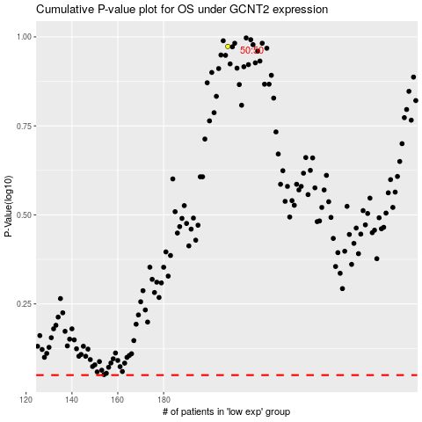

 |  |  |  |  |  | cases_OS | p_OS | rank | exp
 |  |  |  |  |  |  | cases_RFS | p_RFS | rank | exp

