GCOM1 _multivariate
Reported by Tex Li-Hsing Chi. tex@gate.sinica.edu.tw 2019-08-19

Table 2. The clinicopathological features of HNSCC cohort and GCOM1 expression. (Chi square test)
Cutoff at -0.502 (31.2%)
 |  | GCOM1 expression |  | GCOM1 expression |  | (Optimised)
 | Features | Low | (%) | High | (%) | Case no | P-value | Remark | Matthews
Gender | Female | 108 | 26 | 198 | 47.7 | 415 | 0.0028 | 1 | 0
2 | Male | 21 | 5.1 | 88 | 21.2
Age at diagnosis | <=65y | 88 | 21.2 | 186 | 44.8 | 415 | 0.602 | 0 | 0
4 | >65y | 41 | 9.9 | 100 | 24.1
Clinical T Status | T1+T2 | 36 | 8.7 | 113 | 27.2 | 415 | 0.03 | 1 | 0
6 | T3+T4 | 93 | 22.4 | 173 | 41.7
Clinical N Status | N0 | 60 | 14.5 | 156 | 37.6 | 415 | 0.1585 | 0 | 0
8 | N1-3 | 69 | 16.6 | 130 | 31.3
Clinical M Status | M0 | 128 | 30.8 | 284 | 68.4 | 415 | 1 | 0 | 0
10 | M1 | 1 | 0.2 | 2 | 0.5
Clinical Stage | Stage I+II | 24 | 5.8 | 78 | 18.8 | 415 | 0.0759 | 0 | 0
12 | Stage III+IV | 105 | 25.3 | 208 | 50.1
Surgical Margin status | Negative | 95 | 22.9 | 223 | 53.7 | 415 | 0.3805 | 0 | 0
14 | Positive | 34 | 8.2 | 63 | 15.2
Tobacco Exposure | Low | 25 | 6 | 136 | 32.8 | 415 | 0 | 1 | 0
16 | High | 104 | 25.1 | 150 | 36.1

Table 3. Univariate/Multivariate Cox's proportional hazards regression analyses on OS time of GCOM1 gene expression in HNSCC

 |  | Univariate |  |  |  | Multivariate
 | Features | HR | CI95%(L) | CI95%(H) | P-value | HR | CI95%(L) | CI95%(H) | P-value
1 | Female | 1 |  |  |  | 1
Gender | Male | 1.157 | 0.843 | 1.587 | 0.367 | 1.229 | 0.877 | 1.721 | 0.231
11 | <=65y | 1 |  |  |  | 1
Age at diagnosis | >65y | 1.329 | 0.99 | 1.784 | 0.058 | 1.404 | 1.033 | 1.91 | 0.03
12 | T1+T2 | 1 |  |  |  | 1
Clinical T Status | T3+T4 | 1.409 | 1.028 | 1.931 | 0.033 | 2.121 | 1.119 | 4.017 | 0.021
13 | N0 | 1 |  |  |  | 1
Clinical N Status | N1-3 | 1.185 | 0.89 | 1.577 | 0.246 | 1.218 | 0.852 | 1.74 | 0.28
14 | M0 | 1 |  |  |  | 1
Clinical M Status | M1 | 4.097 | 1.009 | 16.644 | 0.049 | 9.039 | 1.968 | 41.517 | 0.005
15 | Stage I+II | 1 |  |  |  | 1
Clinical Stage | Stage III+IV | 1.245 | 0.882 | 1.759 | 0.213 | 0.513 | 0.239 | 1.101 | 0.087
16 | Negative | 1 |  |  |  | 1
Surgical Margin status | Positive | 1.591 | 1.155 | 2.191 | 0.004 | 1.657 | 1.199 | 2.291 | 0.002
17 | Low | 1 |  |  |  | 1
Tobacco Exposure | High | 1.364 | 1.008 | 1.844 | 0.044 | 1.398 | 1.009 | 1.938 | 0.044
18 | Low | 1 |  |  |  | 1
RNAseq(z-score) | High | 0.719 | 0.536 | 0.966 | 0.028 | 0.799 | 0.587 | 1.087 | 0.152

Table 4. Univariate/Multivariate Cox's proportional hazards regression analyses on RFS time of GCOM1 gene expression in HNSCC

 |  | Univariate |  |  |  | Multivariate
 | Features | HR | CI95%(L) | CI95%(H) | P-value | HR | CI95%(L) | CI95%(H) | P-value
1 | Female | 1 |  |  |  | 1
Gender | Male | 1.157 | 0.843 | 1.587 | 0.367 | 1.229 | 0.877 | 1.721 | 0.231
11 | <=65y | 1 |  |  |  | 1
Age at diagnosis | >65y | 1.329 | 0.99 | 1.784 | 0.058 | 1.404 | 1.033 | 1.91 | 0.03
12 | T1+T2 | 1 |  |  |  | 1
Clinical T Status | T3+T4 | 1.409 | 1.028 | 1.931 | 0.033 | 2.121 | 1.119 | 4.017 | 0.021
13 | N0 | 1 |  |  |  | 1
Clinical N Status | N1-3 | 1.185 | 0.89 | 1.577 | 0.246 | 1.218 | 0.852 | 1.74 | 0.28
14 | M0 | 1 |  |  |  | 1
Clinical M Status | M1 | 4.097 | 1.009 | 16.644 | 0.049 | 9.039 | 1.968 | 41.517 | 0.005
15 | Stage I+II | 1 |  |  |  | 1
Clinical Stage | Stage III+IV | 1.245 | 0.882 | 1.759 | 0.213 | 0.513 | 0.239 | 1.101 | 0.087
16 | Negative | 1 |  |  |  | 1
Surgical Margin status | Positive | 1.591 | 1.155 | 2.191 | 0.004 | 1.657 | 1.199 | 2.291 | 0.002
17 | Low | 1 |  |  |  | 1
Tobacco Exposure | High | 1.364 | 1.008 | 1.844 | 0.044 | 1.398 | 1.009 | 1.938 | 0.044
18 | Low | 1 |  |  |  | 1
RNAseq(z-score) | High | 0.719 | 0.536 | 0.966 | 0.028 | 0.799 | 0.587 | 1.087 | 0.152

Kaplan-Meier survival estimate: Cutoff at -0.502 (31.2%)



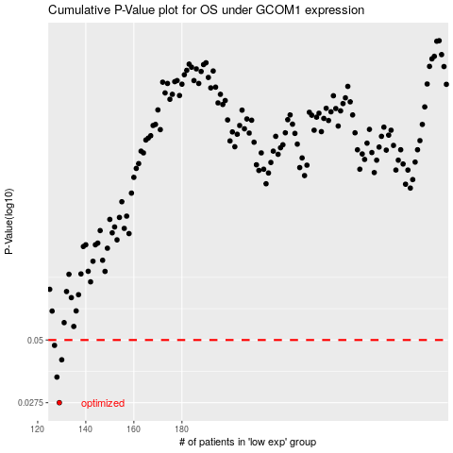

 |  |  |  |  |  | cases_OS | p_OS | rank | exp
 |  |  |  |  |  | 129 | 0.0275 | 231 | -0.50241402039
 |  |  |  |  |  | 128 | 0.0351 | 180 | -0.50271672266
 |  |  |  |  |  | 130 | 0.0414 | 110 | -0.49976639477
 |  |  |  |  |  | 127 | 0.0475 | 207 | -0.50354507709
 |  |  |  |  |  |  | cases_RFS | p_RFS | rank | exp
 |  |  |  |  |  |  | 128 | 0.0275 | 180 | -0.50271672266
 |  |  |  |  |  |  | 127 | 0.0351 | 207 | -0.50354507709
 |  |  |  |  |  |  | 129 | 0.0414 | 231 | -0.50241402039
 |  |  |  |  |  |  | 126 | 0.0475 | 389 | -0.50370228862

