GCSH _multivariate
Reported by Tex Li-Hsing Chi. tex@gate.sinica.edu.tw 2019-08-19

Table 2. The clinicopathological features of HNSCC cohort and GCSH expression. (Chi square test)
Cutoff at -0.185 (49.8%)
 |  | GCSH expression |  | GCSH expression |  | (Optimised)
 | Features | Low | (%) | High | (%) | Case no | P-value | Remark | Matthews
Gender | Female | 146 | 35.2 | 160 | 38.6 | 415 | 0.1714 | 0 | 0
2 | Male | 61 | 14.7 | 48 | 11.6
Age at diagnosis | <=65y | 131 | 31.6 | 143 | 34.5 | 415 | 0.2839 | 0 | 0
4 | >65y | 76 | 18.3 | 65 | 15.7
Clinical T Status | T1+T2 | 76 | 18.3 | 73 | 17.6 | 415 | 0.8092 | 0 | 0
6 | T3+T4 | 131 | 31.6 | 135 | 32.5
Clinical N Status | N0 | 107 | 25.8 | 109 | 26.3 | 415 | 0.9624 | 0 | 0
8 | N1-3 | 100 | 24.1 | 99 | 23.9
Clinical M Status | M0 | 207 | 49.9 | 205 | 49.4 | 415 | 0.2482 | 0 | 0
10 | M1 | 0 | 0 | 3 | 0.7
Clinical Stage | Stage I+II | 53 | 12.8 | 49 | 11.8 | 415 | 0.7113 | 0 | 0
12 | Stage III+IV | 154 | 37.1 | 159 | 38.3
Surgical Margin status | Negative | 161 | 38.8 | 157 | 37.8 | 415 | 0.6429 | 0 | 0
14 | Positive | 46 | 11.1 | 51 | 12.3
Tobacco Exposure | Low | 101 | 24.3 | 60 | 14.5 | 415 | 0 | 1 | 0
16 | High | 106 | 25.5 | 148 | 35.7

Table 3. Univariate/Multivariate Cox's proportional hazards regression analyses on OS time of GCSH gene expression in HNSCC

 |  | Univariate |  |  |  | Multivariate
 | Features | HR | CI95%(L) | CI95%(H) | P-value | HR | CI95%(L) | CI95%(H) | P-value
1 | Female | 1 |  |  |  | 1
Gender | Male | 1.157 | 0.843 | 1.587 | 0.367 | 1.201 | 0.859 | 1.678 | 0.284
11 | <=65y | 1 |  |  |  | 1
Age at diagnosis | >65y | 1.329 | 0.99 | 1.784 | 0.058 | 1.394 | 1.025 | 1.895 | 0.034
12 | T1+T2 | 1 |  |  |  | 1
Clinical T Status | T3+T4 | 1.409 | 1.028 | 1.931 | 0.033 | 2.194 | 1.159 | 4.152 | 0.016
13 | N0 | 1 |  |  |  | 1
Clinical N Status | N1-3 | 1.185 | 0.89 | 1.577 | 0.246 | 1.243 | 0.871 | 1.774 | 0.231
14 | M0 | 1 |  |  |  | 1
Clinical M Status | M1 | 4.097 | 1.009 | 16.644 | 0.049 | 9.208 | 1.983 | 42.755 | 0.005
15 | Stage I+II | 1 |  |  |  | 1
Clinical Stage | Stage III+IV | 1.245 | 0.882 | 1.759 | 0.213 | 0.507 | 0.236 | 1.089 | 0.082
16 | Negative | 1 |  |  |  | 1
Surgical Margin status | Positive | 1.591 | 1.155 | 2.191 | 0.004 | 1.664 | 1.2 | 2.306 | 0.002
17 | Low | 1 |  |  |  | 1
Tobacco Exposure | High | 1.364 | 1.008 | 1.844 | 0.044 | 1.441 | 1.035 | 2.005 | 0.03
18 | Low | 1 |  |  |  | 1
RNAseq(z-score) | High | 1.169 | 0.876 | 1.56 | 0.288 | 1.033 | 0.763 | 1.399 | 0.834

Table 4. Univariate/Multivariate Cox's proportional hazards regression analyses on RFS time of GCSH gene expression in HNSCC

 |  | Univariate |  |  |  | Multivariate
 | Features | HR | CI95%(L) | CI95%(H) | P-value | HR | CI95%(L) | CI95%(H) | P-value
1 | Female | 1 |  |  |  | 1
Gender | Male | 1.157 | 0.843 | 1.587 | 0.367 | 1.201 | 0.859 | 1.678 | 0.284
11 | <=65y | 1 |  |  |  | 1
Age at diagnosis | >65y | 1.329 | 0.99 | 1.784 | 0.058 | 1.394 | 1.025 | 1.895 | 0.034
12 | T1+T2 | 1 |  |  |  | 1
Clinical T Status | T3+T4 | 1.409 | 1.028 | 1.931 | 0.033 | 2.194 | 1.159 | 4.152 | 0.016
13 | N0 | 1 |  |  |  | 1
Clinical N Status | N1-3 | 1.185 | 0.89 | 1.577 | 0.246 | 1.243 | 0.871 | 1.774 | 0.231
14 | M0 | 1 |  |  |  | 1
Clinical M Status | M1 | 4.097 | 1.009 | 16.644 | 0.049 | 9.208 | 1.983 | 42.755 | 0.005
15 | Stage I+II | 1 |  |  |  | 1
Clinical Stage | Stage III+IV | 1.245 | 0.882 | 1.759 | 0.213 | 0.507 | 0.236 | 1.089 | 0.082
16 | Negative | 1 |  |  |  | 1
Surgical Margin status | Positive | 1.591 | 1.155 | 2.191 | 0.004 | 1.664 | 1.2 | 2.306 | 0.002
17 | Low | 1 |  |  |  | 1
Tobacco Exposure | High | 1.364 | 1.008 | 1.844 | 0.044 | 1.441 | 1.035 | 2.005 | 0.03
18 | Low | 1 |  |  |  | 1
RNAseq(z-score) | High | 1.169 | 0.876 | 1.56 | 0.288 | 1.033 | 0.763 | 1.399 | 0.834

Kaplan-Meier survival estimate: Cutoff at -0.185 (49.8%)



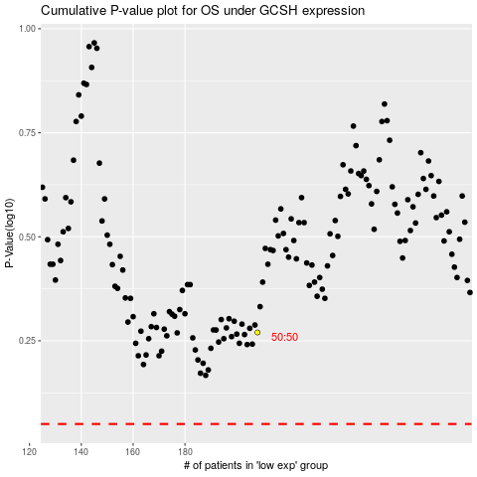

 |  |  |  |  |  | cases_OS | p_OS | rank | exp
 |  |  |  |  |  |  | cases_RFS | p_RFS | rank | exp

