GDA _multivariate
Reported by Tex Li-Hsing Chi. tex@gate.sinica.edu.tw 2019-08-19

Table 2. The clinicopathological features of HNSCC cohort and GDA expression. (Chi square test)
Cutoff at -0.454 (50.0%)
 |  | GDA expression |  | GDA expression |  | (Optimised)
 | Features | Low | (%) | High | (%) | Case no | P-value | Remark | Matthews
Gender | Female | 146 | 35.2 | 160 | 38.6 | 415 | 0.1714 | 0 | 0
2 | Male | 61 | 14.7 | 48 | 11.6
Age at diagnosis | <=65y | 133 | 32 | 141 | 34 | 415 | 0.5111 | 0 | 0
4 | >65y | 74 | 17.8 | 67 | 16.1
Clinical T Status | T1+T2 | 80 | 19.3 | 69 | 16.6 | 415 | 0.2891 | 0 | 0
6 | T3+T4 | 127 | 30.6 | 139 | 33.5
Clinical N Status | N0 | 112 | 27 | 104 | 25.1 | 415 | 0.4599 | 0 | 0
8 | N1-3 | 95 | 22.9 | 104 | 25.1
Clinical M Status | M0 | 206 | 49.6 | 206 | 49.6 | 415 | 1 | 0 | 0
10 | M1 | 1 | 0.2 | 2 | 0.5
Clinical Stage | Stage I+II | 63 | 15.2 | 39 | 9.4 | 415 | 0.008 | 1 | 0
12 | Stage III+IV | 144 | 34.7 | 169 | 40.7
Surgical Margin status | Negative | 157 | 37.8 | 161 | 38.8 | 415 | 0.729 | 0 | 0
14 | Positive | 50 | 12 | 47 | 11.3
Tobacco Exposure | Low | 100 | 24.1 | 61 | 14.7 | 415 | 1e-04 | 1 | 0
16 | High | 107 | 25.8 | 147 | 35.4

Table 3. Univariate/Multivariate Cox's proportional hazards regression analyses on OS time of GDA gene expression in HNSCC

 |  | Univariate |  |  |  | Multivariate
 | Features | HR | CI95%(L) | CI95%(H) | P-value | HR | CI95%(L) | CI95%(H) | P-value
1 | Female | 1 |  |  |  | 1
Gender | Male | 1.157 | 0.843 | 1.587 | 0.367 | 1.201 | 0.859 | 1.679 | 0.283
11 | <=65y | 1 |  |  |  | 1
Age at diagnosis | >65y | 1.329 | 0.99 | 1.784 | 0.058 | 1.392 | 1.024 | 1.893 | 0.035
12 | T1+T2 | 1 |  |  |  | 1
Clinical T Status | T3+T4 | 1.409 | 1.028 | 1.931 | 0.033 | 2.164 | 1.142 | 4.1 | 0.018
13 | N0 | 1 |  |  |  | 1
Clinical N Status | N1-3 | 1.185 | 0.89 | 1.577 | 0.246 | 1.228 | 0.859 | 1.754 | 0.26
14 | M0 | 1 |  |  |  | 1
Clinical M Status | M1 | 4.097 | 1.009 | 16.644 | 0.049 | 9.4 | 2.05 | 43.093 | 0.004
15 | Stage I+II | 1 |  |  |  | 1
Clinical Stage | Stage III+IV | 1.245 | 0.882 | 1.759 | 0.213 | 0.52 | 0.241 | 1.123 | 0.096
16 | Negative | 1 |  |  |  | 1
Surgical Margin status | Positive | 1.591 | 1.155 | 2.191 | 0.004 | 1.676 | 1.213 | 2.317 | 0.002
17 | Low | 1 |  |  |  | 1
Tobacco Exposure | High | 1.364 | 1.008 | 1.844 | 0.044 | 1.491 | 1.071 | 2.074 | 0.018
18 | Low | 1 |  |  |  | 1
RNAseq(z-score) | High | 0.951 | 0.714 | 1.267 | 0.731 | 0.905 | 0.671 | 1.22 | 0.512

Table 4. Univariate/Multivariate Cox's proportional hazards regression analyses on RFS time of GDA gene expression in HNSCC

 |  | Univariate |  |  |  | Multivariate
 | Features | HR | CI95%(L) | CI95%(H) | P-value | HR | CI95%(L) | CI95%(H) | P-value
1 | Female | 1 |  |  |  | 1
Gender | Male | 1.157 | 0.843 | 1.587 | 0.367 | 1.201 | 0.859 | 1.679 | 0.283
11 | <=65y | 1 |  |  |  | 1
Age at diagnosis | >65y | 1.329 | 0.99 | 1.784 | 0.058 | 1.392 | 1.024 | 1.893 | 0.035
12 | T1+T2 | 1 |  |  |  | 1
Clinical T Status | T3+T4 | 1.409 | 1.028 | 1.931 | 0.033 | 2.164 | 1.142 | 4.1 | 0.018
13 | N0 | 1 |  |  |  | 1
Clinical N Status | N1-3 | 1.185 | 0.89 | 1.577 | 0.246 | 1.228 | 0.859 | 1.754 | 0.26
14 | M0 | 1 |  |  |  | 1
Clinical M Status | M1 | 4.097 | 1.009 | 16.644 | 0.049 | 9.4 | 2.05 | 43.093 | 0.004
15 | Stage I+II | 1 |  |  |  | 1
Clinical Stage | Stage III+IV | 1.245 | 0.882 | 1.759 | 0.213 | 0.52 | 0.241 | 1.123 | 0.096
16 | Negative | 1 |  |  |  | 1
Surgical Margin status | Positive | 1.591 | 1.155 | 2.191 | 0.004 | 1.676 | 1.213 | 2.317 | 0.002
17 | Low | 1 |  |  |  | 1
Tobacco Exposure | High | 1.364 | 1.008 | 1.844 | 0.044 | 1.491 | 1.071 | 2.074 | 0.018
18 | Low | 1 |  |  |  | 1
RNAseq(z-score) | High | 0.951 | 0.714 | 1.267 | 0.731 | 0.905 | 0.671 | 1.22 | 0.512

Kaplan-Meier survival estimate: Cutoff at -0.454 (50.0%)



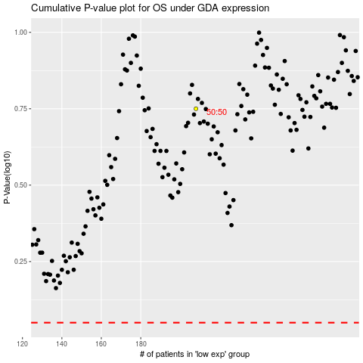

 |  |  |  |  |  | cases_OS | p_OS | rank | exp
 |  |  |  |  |  |  | cases_RFS | p_RFS | rank | exp

