GDAP1 _multivariate
Reported by Tex Li-Hsing Chi. tex@gate.sinica.edu.tw 2019-08-19

Table 2. The clinicopathological features of HNSCC cohort and GDAP1 expression. (Chi square test)
Cutoff at -0.519 (32.6%)
 |  | GDAP1 expression |  | GDAP1 expression |  | (Optimised)
 | Features | Low | (%) | High | (%) | Case no | P-value | Remark | Matthews
Gender | Female | 102 | 24.6 | 204 | 49.2 | 415 | 0.7718 | 0 | 0
2 | Male | 34 | 8.2 | 75 | 18.1
Age at diagnosis | <=65y | 90 | 21.7 | 184 | 44.3 | 415 | 1 | 0 | 0
4 | >65y | 46 | 11.1 | 95 | 22.9
Clinical T Status | T1+T2 | 51 | 12.3 | 98 | 23.6 | 415 | 0.7156 | 0 | 0
6 | T3+T4 | 85 | 20.5 | 181 | 43.6
Clinical N Status | N0 | 66 | 15.9 | 150 | 36.1 | 415 | 0.3697 | 0 | 0
8 | N1-3 | 70 | 16.9 | 129 | 31.1
Clinical M Status | M0 | 134 | 32.3 | 278 | 67 | 415 | 0.2512 | 0 | 0
10 | M1 | 2 | 0.5 | 1 | 0.2
Clinical Stage | Stage I+II | 32 | 7.7 | 70 | 16.9 | 415 | 0.8219 | 0 | 0
12 | Stage III+IV | 104 | 25.1 | 209 | 50.4
Surgical Margin status | Negative | 102 | 24.6 | 216 | 52 | 415 | 0.6217 | 0 | 0
14 | Positive | 34 | 8.2 | 63 | 15.2
Tobacco Exposure | Low | 47 | 11.3 | 114 | 27.5 | 415 | 0.2385 | 0 | 0
16 | High | 89 | 21.4 | 165 | 39.8

Table 3. Univariate/Multivariate Cox's proportional hazards regression analyses on OS time of GDAP1 gene expression in HNSCC

 |  | Univariate |  |  |  | Multivariate
 | Features | HR | CI95%(L) | CI95%(H) | P-value | HR | CI95%(L) | CI95%(H) | P-value
1 | Female | 1 |  |  |  | 1
Gender | Male | 1.157 | 0.843 | 1.587 | 0.367 | 1.218 | 0.871 | 1.703 | 0.249
11 | <=65y | 1 |  |  |  | 1
Age at diagnosis | >65y | 1.329 | 0.99 | 1.784 | 0.058 | 1.371 | 1.007 | 1.866 | 0.045
12 | T1+T2 | 1 |  |  |  | 1
Clinical T Status | T3+T4 | 1.409 | 1.028 | 1.931 | 0.033 | 2.263 | 1.196 | 4.282 | 0.012
13 | N0 | 1 |  |  |  | 1
Clinical N Status | N1-3 | 1.185 | 0.89 | 1.577 | 0.246 | 1.237 | 0.867 | 1.764 | 0.241
14 | M0 | 1 |  |  |  | 1
Clinical M Status | M1 | 4.097 | 1.009 | 16.644 | 0.049 | 8.502 | 1.846 | 39.158 | 0.006
15 | Stage I+II | 1 |  |  |  | 1
Clinical Stage | Stage III+IV | 1.245 | 0.882 | 1.759 | 0.213 | 0.497 | 0.231 | 1.067 | 0.073
16 | Negative | 1 |  |  |  | 1
Surgical Margin status | Positive | 1.591 | 1.155 | 2.191 | 0.004 | 1.651 | 1.195 | 2.282 | 0.002
17 | Low | 1 |  |  |  | 1
Tobacco Exposure | High | 1.364 | 1.008 | 1.844 | 0.044 | 1.445 | 1.047 | 1.995 | 0.025
18 | Low | 1 |  |  |  | 1
RNAseq(z-score) | High | 0.739 | 0.549 | 0.997 | 0.048 | 0.767 | 0.567 | 1.038 | 0.086

Table 4. Univariate/Multivariate Cox's proportional hazards regression analyses on RFS time of GDAP1 gene expression in HNSCC

 |  | Univariate |  |  |  | Multivariate
 | Features | HR | CI95%(L) | CI95%(H) | P-value | HR | CI95%(L) | CI95%(H) | P-value
1 | Female | 1 |  |  |  | 1
Gender | Male | 1.157 | 0.843 | 1.587 | 0.367 | 1.218 | 0.871 | 1.703 | 0.249
11 | <=65y | 1 |  |  |  | 1
Age at diagnosis | >65y | 1.329 | 0.99 | 1.784 | 0.058 | 1.371 | 1.007 | 1.866 | 0.045
12 | T1+T2 | 1 |  |  |  | 1
Clinical T Status | T3+T4 | 1.409 | 1.028 | 1.931 | 0.033 | 2.263 | 1.196 | 4.282 | 0.012
13 | N0 | 1 |  |  |  | 1
Clinical N Status | N1-3 | 1.185 | 0.89 | 1.577 | 0.246 | 1.237 | 0.867 | 1.764 | 0.241
14 | M0 | 1 |  |  |  | 1
Clinical M Status | M1 | 4.097 | 1.009 | 16.644 | 0.049 | 8.502 | 1.846 | 39.158 | 0.006
15 | Stage I+II | 1 |  |  |  | 1
Clinical Stage | Stage III+IV | 1.245 | 0.882 | 1.759 | 0.213 | 0.497 | 0.231 | 1.067 | 0.073
16 | Negative | 1 |  |  |  | 1
Surgical Margin status | Positive | 1.591 | 1.155 | 2.191 | 0.004 | 1.651 | 1.195 | 2.282 | 0.002
17 | Low | 1 |  |  |  | 1
Tobacco Exposure | High | 1.364 | 1.008 | 1.844 | 0.044 | 1.445 | 1.047 | 1.995 | 0.025
18 | Low | 1 |  |  |  | 1
RNAseq(z-score) | High | 0.739 | 0.549 | 0.997 | 0.048 | 0.767 | 0.567 | 1.038 | 0.086

Kaplan-Meier survival estimate: Cutoff at -0.519 (32.6%)



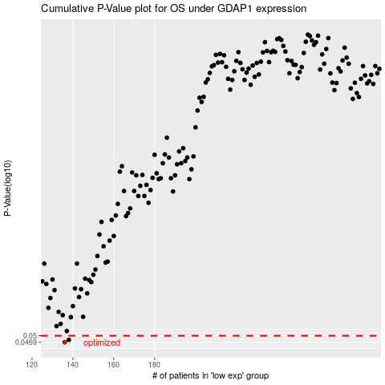

 |  |  |  |  |  | cases_OS | p_OS | rank | exp
 |  |  |  |  |  | 136 | 0.0469 | 147 | -0.51917348037
 |  |  |  |  |  | 138 | 0.048 | 233 | -0.51655932831
 |  |  |  |  |  |  | cases_RFS | p_RFS | rank | exp
 |  |  |  |  |  |  | 135 | 0.0469 | 385 | -0.51975542429
 |  |  |  |  |  |  | 137 | 0.048 | 256 | -0.51790171765

