GDAP2 _multivariate
Reported by Tex Li-Hsing Chi. tex@gate.sinica.edu.tw 2019-08-19

Table 2. The clinicopathological features of HNSCC cohort and GDAP2 expression. (Chi square test)
Cutoff at -0.063 (50.0%)
 |  | GDAP2 expression |  | GDAP2 expression |  | (Optimised)
 | Features | Low | (%) | High | (%) | Case no | P-value | Remark | Matthews
Gender | Female | 153 | 36.9 | 153 | 36.9 | 415 | 1 | 0 | 0
2 | Male | 54 | 13 | 55 | 13.3
Age at diagnosis | <=65y | 135 | 32.5 | 139 | 33.5 | 415 | 0.8084 | 0 | 0
4 | >65y | 72 | 17.3 | 69 | 16.6
Clinical T Status | T1+T2 | 68 | 16.4 | 81 | 19.5 | 415 | 0.2336 | 0 | 0
6 | T3+T4 | 139 | 33.5 | 127 | 30.6
Clinical N Status | N0 | 117 | 28.2 | 99 | 23.9 | 415 | 0.0852 | 1 | 0
8 | N1-3 | 90 | 21.7 | 109 | 26.3
Clinical M Status | M0 | 205 | 49.4 | 207 | 49.9 | 415 | 0.6232 | 0 | 0
10 | M1 | 2 | 0.5 | 1 | 0.2
Clinical Stage | Stage I+II | 50 | 12 | 52 | 12.5 | 415 | 0.9315 | 0 | 0
12 | Stage III+IV | 157 | 37.8 | 156 | 37.6
Surgical Margin status | Negative | 164 | 39.5 | 154 | 37.1 | 415 | 0.2462 | 0 | 0
14 | Positive | 43 | 10.4 | 54 | 13
Tobacco Exposure | Low | 83 | 20 | 78 | 18.8 | 415 | 0.6152 | 0 | 0
16 | High | 124 | 29.9 | 130 | 31.3

Table 3. Univariate/Multivariate Cox's proportional hazards regression analyses on OS time of GDAP2 gene expression in HNSCC

 |  | Univariate |  |  |  | Multivariate
 | Features | HR | CI95%(L) | CI95%(H) | P-value | HR | CI95%(L) | CI95%(H) | P-value
1 | Female | 1 |  |  |  | 1
Gender | Male | 1.157 | 0.843 | 1.587 | 0.367 | 1.205 | 0.863 | 1.683 | 0.274
11 | <=65y | 1 |  |  |  | 1
Age at diagnosis | >65y | 1.329 | 0.99 | 1.784 | 0.058 | 1.385 | 1.019 | 1.884 | 0.038
12 | T1+T2 | 1 |  |  |  | 1
Clinical T Status | T3+T4 | 1.409 | 1.028 | 1.931 | 0.033 | 2.23 | 1.178 | 4.222 | 0.014
13 | N0 | 1 |  |  |  | 1
Clinical N Status | N1-3 | 1.185 | 0.89 | 1.577 | 0.246 | 1.234 | 0.865 | 1.762 | 0.246
14 | M0 | 1 |  |  |  | 1
Clinical M Status | M1 | 4.097 | 1.009 | 16.644 | 0.049 | 9.636 | 2.098 | 44.256 | 0.004
15 | Stage I+II | 1 |  |  |  | 1
Clinical Stage | Stage III+IV | 1.245 | 0.882 | 1.759 | 0.213 | 0.501 | 0.233 | 1.076 | 0.076
16 | Negative | 1 |  |  |  | 1
Surgical Margin status | Positive | 1.591 | 1.155 | 2.191 | 0.004 | 1.671 | 1.209 | 2.31 | 0.002
17 | Low | 1 |  |  |  | 1
Tobacco Exposure | High | 1.364 | 1.008 | 1.844 | 0.044 | 1.449 | 1.052 | 1.997 | 0.023
18 | Low | 1 |  |  |  | 1
RNAseq(z-score) | High | 1.067 | 0.801 | 1.421 | 0.657 | 1.091 | 0.818 | 1.456 | 0.552

Table 4. Univariate/Multivariate Cox's proportional hazards regression analyses on RFS time of GDAP2 gene expression in HNSCC

 |  | Univariate |  |  |  | Multivariate
 | Features | HR | CI95%(L) | CI95%(H) | P-value | HR | CI95%(L) | CI95%(H) | P-value
1 | Female | 1 |  |  |  | 1
Gender | Male | 1.157 | 0.843 | 1.587 | 0.367 | 1.205 | 0.863 | 1.683 | 0.274
11 | <=65y | 1 |  |  |  | 1
Age at diagnosis | >65y | 1.329 | 0.99 | 1.784 | 0.058 | 1.385 | 1.019 | 1.884 | 0.038
12 | T1+T2 | 1 |  |  |  | 1
Clinical T Status | T3+T4 | 1.409 | 1.028 | 1.931 | 0.033 | 2.23 | 1.178 | 4.222 | 0.014
13 | N0 | 1 |  |  |  | 1
Clinical N Status | N1-3 | 1.185 | 0.89 | 1.577 | 0.246 | 1.234 | 0.865 | 1.762 | 0.246
14 | M0 | 1 |  |  |  | 1
Clinical M Status | M1 | 4.097 | 1.009 | 16.644 | 0.049 | 9.636 | 2.098 | 44.256 | 0.004
15 | Stage I+II | 1 |  |  |  | 1
Clinical Stage | Stage III+IV | 1.245 | 0.882 | 1.759 | 0.213 | 0.501 | 0.233 | 1.076 | 0.076
16 | Negative | 1 |  |  |  | 1
Surgical Margin status | Positive | 1.591 | 1.155 | 2.191 | 0.004 | 1.671 | 1.209 | 2.31 | 0.002
17 | Low | 1 |  |  |  | 1
Tobacco Exposure | High | 1.364 | 1.008 | 1.844 | 0.044 | 1.449 | 1.052 | 1.997 | 0.023
18 | Low | 1 |  |  |  | 1
RNAseq(z-score) | High | 1.067 | 0.801 | 1.421 | 0.657 | 1.091 | 0.818 | 1.456 | 0.552

Kaplan-Meier survival estimate: Cutoff at -0.063 (50.0%)



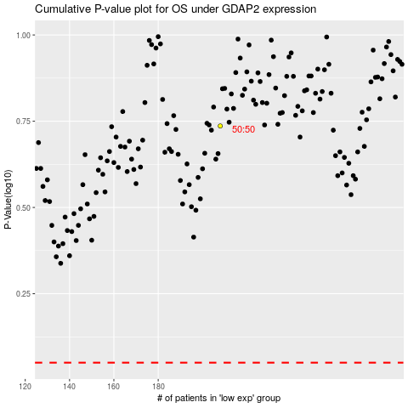

 |  |  |  |  |  | cases_OS | p_OS | rank | exp
 |  |  |  |  |  |  | cases_RFS | p_RFS | rank | exp

