GDF10 _multivariate
Reported by Tex Li-Hsing Chi. tex@gate.sinica.edu.tw 2019-08-19

Table 2. The clinicopathological features of HNSCC cohort and GDF10 expression. (Chi square test)
Cutoff at -0.25 (50.0%)
 |  | GDF10 expression |  | GDF10 expression |  | (Optimised)
 | Features | Low | (%) | High | (%) | Case no | P-value | Remark | Matthews
Gender | Female | 156 | 37.6 | 150 | 36.1 | 415 | 0.5222 | 0 | 0
2 | Male | 51 | 12.3 | 58 | 14
Age at diagnosis | <=65y | 138 | 33.3 | 136 | 32.8 | 415 | 0.8634 | 0 | 0
4 | >65y | 69 | 16.6 | 72 | 17.3
Clinical T Status | T1+T2 | 64 | 15.4 | 85 | 20.5 | 415 | 0.0445 | 1 | 0
6 | T3+T4 | 143 | 34.5 | 123 | 29.6
Clinical N Status | N0 | 106 | 25.5 | 110 | 26.5 | 415 | 0.8075 | 0 | 0
8 | N1-3 | 101 | 24.3 | 98 | 23.6
Clinical M Status | M0 | 206 | 49.6 | 206 | 49.6 | 415 | 1 | 0 | 0
10 | M1 | 1 | 0.2 | 2 | 0.5
Clinical Stage | Stage I+II | 43 | 10.4 | 59 | 14.2 | 415 | 0.0925 | 0 | 0
12 | Stage III+IV | 164 | 39.5 | 149 | 35.9
Surgical Margin status | Negative | 154 | 37.1 | 164 | 39.5 | 415 | 0.2984 | 0 | 0
14 | Positive | 53 | 12.8 | 44 | 10.6
Tobacco Exposure | Low | 82 | 19.8 | 79 | 19 | 415 | 0.763 | 0 | 0
16 | High | 125 | 30.1 | 129 | 31.1

Table 3. Univariate/Multivariate Cox's proportional hazards regression analyses on OS time of GDF10 gene expression in HNSCC

 |  | Univariate |  |  |  | Multivariate
 | Features | HR | CI95%(L) | CI95%(H) | P-value | HR | CI95%(L) | CI95%(H) | P-value
1 | Female | 1 |  |  |  | 1
Gender | Male | 1.157 | 0.843 | 1.587 | 0.367 | 1.217 | 0.87 | 1.703 | 0.251
11 | <=65y | 1 |  |  |  | 1
Age at diagnosis | >65y | 1.329 | 0.99 | 1.784 | 0.058 | 1.391 | 1.023 | 1.891 | 0.035
12 | T1+T2 | 1 |  |  |  | 1
Clinical T Status | T3+T4 | 1.409 | 1.028 | 1.931 | 0.033 | 2.198 | 1.162 | 4.156 | 0.015
13 | N0 | 1 |  |  |  | 1
Clinical N Status | N1-3 | 1.185 | 0.89 | 1.577 | 0.246 | 1.237 | 0.867 | 1.766 | 0.241
14 | M0 | 1 |  |  |  | 1
Clinical M Status | M1 | 4.097 | 1.009 | 16.644 | 0.049 | 10.006 | 2.175 | 46.034 | 0.003
15 | Stage I+II | 1 |  |  |  | 1
Clinical Stage | Stage III+IV | 1.245 | 0.882 | 1.759 | 0.213 | 0.499 | 0.233 | 1.071 | 0.075
16 | Negative | 1 |  |  |  | 1
Surgical Margin status | Positive | 1.591 | 1.155 | 2.191 | 0.004 | 1.683 | 1.217 | 2.327 | 0.002
17 | Low | 1 |  |  |  | 1
Tobacco Exposure | High | 1.364 | 1.008 | 1.844 | 0.044 | 1.463 | 1.061 | 2.017 | 0.02
18 | Low | 1 |  |  |  | 1
RNAseq(z-score) | High | 0.866 | 0.65 | 1.154 | 0.325 | 0.841 | 0.629 | 1.123 | 0.24

Table 4. Univariate/Multivariate Cox's proportional hazards regression analyses on RFS time of GDF10 gene expression in HNSCC

 |  | Univariate |  |  |  | Multivariate
 | Features | HR | CI95%(L) | CI95%(H) | P-value | HR | CI95%(L) | CI95%(H) | P-value
1 | Female | 1 |  |  |  | 1
Gender | Male | 1.157 | 0.843 | 1.587 | 0.367 | 1.217 | 0.87 | 1.703 | 0.251
11 | <=65y | 1 |  |  |  | 1
Age at diagnosis | >65y | 1.329 | 0.99 | 1.784 | 0.058 | 1.391 | 1.023 | 1.891 | 0.035
12 | T1+T2 | 1 |  |  |  | 1
Clinical T Status | T3+T4 | 1.409 | 1.028 | 1.931 | 0.033 | 2.198 | 1.162 | 4.156 | 0.015
13 | N0 | 1 |  |  |  | 1
Clinical N Status | N1-3 | 1.185 | 0.89 | 1.577 | 0.246 | 1.237 | 0.867 | 1.766 | 0.241
14 | M0 | 1 |  |  |  | 1
Clinical M Status | M1 | 4.097 | 1.009 | 16.644 | 0.049 | 10.006 | 2.175 | 46.034 | 0.003
15 | Stage I+II | 1 |  |  |  | 1
Clinical Stage | Stage III+IV | 1.245 | 0.882 | 1.759 | 0.213 | 0.499 | 0.233 | 1.071 | 0.075
16 | Negative | 1 |  |  |  | 1
Surgical Margin status | Positive | 1.591 | 1.155 | 2.191 | 0.004 | 1.683 | 1.217 | 2.327 | 0.002
17 | Low | 1 |  |  |  | 1
Tobacco Exposure | High | 1.364 | 1.008 | 1.844 | 0.044 | 1.463 | 1.061 | 2.017 | 0.02
18 | Low | 1 |  |  |  | 1
RNAseq(z-score) | High | 0.866 | 0.65 | 1.154 | 0.325 | 0.841 | 0.629 | 1.123 | 0.24

Kaplan-Meier survival estimate: Cutoff at -0.25 (50.0%)



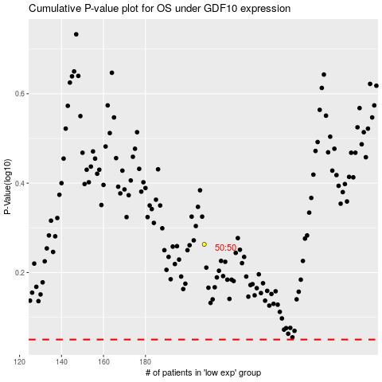

 |  |  |  |  |  | cases_OS | p_OS | rank | exp
 |  |  |  |  |  |  | cases_RFS | p_RFS | rank | exp

