GDF11 _multivariate
Reported by Tex Li-Hsing Chi. tex@gate.sinica.edu.tw 2019-08-19

Table 2. The clinicopathological features of HNSCC cohort and GDF11 expression. (Chi square test)
Cutoff at -0.208 (49.8%)
 |  | GDF11 expression |  | GDF11 expression |  | (Optimised)
 | Features | Low | (%) | High | (%) | Case no | P-value | Remark | Matthews
Gender | Female | 138 | 33.3 | 168 | 40.5 | 415 | 0.0016 | 1 | 0
2 | Male | 69 | 16.6 | 40 | 9.6
Age at diagnosis | <=65y | 139 | 33.5 | 135 | 32.5 | 415 | 0.7044 | 0 | 0
4 | >65y | 68 | 16.4 | 73 | 17.6
Clinical T Status | T1+T2 | 81 | 19.5 | 68 | 16.4 | 415 | 0.206 | 0 | 0
6 | T3+T4 | 126 | 30.4 | 140 | 33.7
Clinical N Status | N0 | 118 | 28.4 | 98 | 23.6 | 415 | 0.0551 | 1 | 0
8 | N1-3 | 89 | 21.4 | 110 | 26.5
Clinical M Status | M0 | 204 | 49.2 | 208 | 50.1 | 415 | 0.1232 | 0 | 0
10 | M1 | 3 | 0.7 | 0 | 0
Clinical Stage | Stage I+II | 60 | 14.5 | 42 | 10.1 | 415 | 0.0493 | 1 | 0
12 | Stage III+IV | 147 | 35.4 | 166 | 40
Surgical Margin status | Negative | 159 | 38.3 | 159 | 38.3 | 415 | 1 | 0 | 0
14 | Positive | 48 | 11.6 | 49 | 11.8
Tobacco Exposure | Low | 94 | 22.7 | 67 | 16.1 | 415 | 0.0065 | 1 | 0
16 | High | 113 | 27.2 | 141 | 34

Table 3. Univariate/Multivariate Cox's proportional hazards regression analyses on OS time of GDF11 gene expression in HNSCC

 |  | Univariate |  |  |  | Multivariate
 | Features | HR | CI95%(L) | CI95%(H) | P-value | HR | CI95%(L) | CI95%(H) | P-value
1 | Female | 1 |  |  |  | 1
Gender | Male | 1.157 | 0.843 | 1.587 | 0.367 | 1.223 | 0.873 | 1.715 | 0.242
11 | <=65y | 1 |  |  |  | 1
Age at diagnosis | >65y | 1.329 | 0.99 | 1.784 | 0.058 | 1.381 | 1.016 | 1.878 | 0.039
12 | T1+T2 | 1 |  |  |  | 1
Clinical T Status | T3+T4 | 1.409 | 1.028 | 1.931 | 0.033 | 2.215 | 1.172 | 4.188 | 0.014
13 | N0 | 1 |  |  |  | 1
Clinical N Status | N1-3 | 1.185 | 0.89 | 1.577 | 0.246 | 1.232 | 0.863 | 1.758 | 0.251
14 | M0 | 1 |  |  |  | 1
Clinical M Status | M1 | 4.097 | 1.009 | 16.644 | 0.049 | 10.125 | 2.181 | 47.009 | 0.003
15 | Stage I+II | 1 |  |  |  | 1
Clinical Stage | Stage III+IV | 1.245 | 0.882 | 1.759 | 0.213 | 0.497 | 0.231 | 1.067 | 0.073
16 | Negative | 1 |  |  |  | 1
Surgical Margin status | Positive | 1.591 | 1.155 | 2.191 | 0.004 | 1.683 | 1.218 | 2.327 | 0.002
17 | Low | 1 |  |  |  | 1
Tobacco Exposure | High | 1.364 | 1.008 | 1.844 | 0.044 | 1.428 | 1.033 | 1.974 | 0.031
18 | Low | 1 |  |  |  | 1
RNAseq(z-score) | High | 1.117 | 0.836 | 1.491 | 0.454 | 1.121 | 0.828 | 1.517 | 0.46

Table 4. Univariate/Multivariate Cox's proportional hazards regression analyses on RFS time of GDF11 gene expression in HNSCC

 |  | Univariate |  |  |  | Multivariate
 | Features | HR | CI95%(L) | CI95%(H) | P-value | HR | CI95%(L) | CI95%(H) | P-value
1 | Female | 1 |  |  |  | 1
Gender | Male | 1.157 | 0.843 | 1.587 | 0.367 | 1.223 | 0.873 | 1.715 | 0.242
11 | <=65y | 1 |  |  |  | 1
Age at diagnosis | >65y | 1.329 | 0.99 | 1.784 | 0.058 | 1.381 | 1.016 | 1.878 | 0.039
12 | T1+T2 | 1 |  |  |  | 1
Clinical T Status | T3+T4 | 1.409 | 1.028 | 1.931 | 0.033 | 2.215 | 1.172 | 4.188 | 0.014
13 | N0 | 1 |  |  |  | 1
Clinical N Status | N1-3 | 1.185 | 0.89 | 1.577 | 0.246 | 1.232 | 0.863 | 1.758 | 0.251
14 | M0 | 1 |  |  |  | 1
Clinical M Status | M1 | 4.097 | 1.009 | 16.644 | 0.049 | 10.125 | 2.181 | 47.009 | 0.003
15 | Stage I+II | 1 |  |  |  | 1
Clinical Stage | Stage III+IV | 1.245 | 0.882 | 1.759 | 0.213 | 0.497 | 0.231 | 1.067 | 0.073
16 | Negative | 1 |  |  |  | 1
Surgical Margin status | Positive | 1.591 | 1.155 | 2.191 | 0.004 | 1.683 | 1.218 | 2.327 | 0.002
17 | Low | 1 |  |  |  | 1
Tobacco Exposure | High | 1.364 | 1.008 | 1.844 | 0.044 | 1.428 | 1.033 | 1.974 | 0.031
18 | Low | 1 |  |  |  | 1
RNAseq(z-score) | High | 1.117 | 0.836 | 1.491 | 0.454 | 1.121 | 0.828 | 1.517 | 0.46

Kaplan-Meier survival estimate: Cutoff at -0.208 (49.8%)



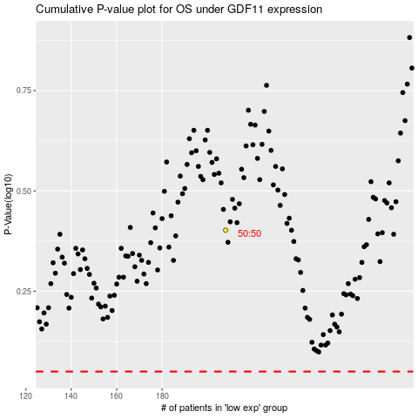

 |  |  |  |  |  | cases_OS | p_OS | rank | exp
 |  |  |  |  |  |  | cases_RFS | p_RFS | rank | exp

