GDF6 _multivariate
Reported by Tex Li-Hsing Chi. tex@gate.sinica.edu.tw 2019-08-19

Table 2. The clinicopathological features of HNSCC cohort and GDF6 expression. (Chi square test)
Cutoff at -0.204 (49.8%)
 |  | GDF6 expression |  | GDF6 expression |  | (Optimised)
 | Features | Low | (%) | High | (%) | Case no | P-value | Remark | Matthews
Gender | Female | 153 | 36.9 | 153 | 36.9 | 415 | 1 | 0 | 0
2 | Male | 54 | 13 | 55 | 13.3
Age at diagnosis | <=65y | 136 | 32.8 | 138 | 33.3 | 415 | 0.9719 | 0 | 0
4 | >65y | 71 | 17.1 | 70 | 16.9
Clinical T Status | T1+T2 | 83 | 20 | 66 | 15.9 | 415 | 0.0941 | 0 | 0
6 | T3+T4 | 124 | 29.9 | 142 | 34.2
Clinical N Status | N0 | 105 | 25.3 | 111 | 26.7 | 415 | 0.6598 | 0 | 0
8 | N1-3 | 102 | 24.6 | 97 | 23.4
Clinical M Status | M0 | 205 | 49.4 | 207 | 49.9 | 415 | 0.6232 | 0 | 0
10 | M1 | 2 | 0.5 | 1 | 0.2
Clinical Stage | Stage I+II | 52 | 12.5 | 50 | 12 | 415 | 0.8871 | 0 | 0
12 | Stage III+IV | 155 | 37.3 | 158 | 38.1
Surgical Margin status | Negative | 162 | 39 | 156 | 37.6 | 415 | 0.4867 | 0 | 0
14 | Positive | 45 | 10.8 | 52 | 12.5
Tobacco Exposure | Low | 83 | 20 | 78 | 18.8 | 415 | 0.6152 | 0 | 0
16 | High | 124 | 29.9 | 130 | 31.3

Table 3. Univariate/Multivariate Cox's proportional hazards regression analyses on OS time of GDF6 gene expression in HNSCC

 |  | Univariate |  |  |  | Multivariate
 | Features | HR | CI95%(L) | CI95%(H) | P-value | HR | CI95%(L) | CI95%(H) | P-value
1 | Female | 1 |  |  |  | 1
Gender | Male | 1.157 | 0.843 | 1.587 | 0.367 | 1.202 | 0.861 | 1.679 | 0.28
11 | <=65y | 1 |  |  |  | 1
Age at diagnosis | >65y | 1.329 | 0.99 | 1.784 | 0.058 | 1.395 | 1.026 | 1.897 | 0.034
12 | T1+T2 | 1 |  |  |  | 1
Clinical T Status | T3+T4 | 1.409 | 1.028 | 1.931 | 0.033 | 2.168 | 1.139 | 4.125 | 0.018
13 | N0 | 1 |  |  |  | 1
Clinical N Status | N1-3 | 1.185 | 0.89 | 1.577 | 0.246 | 1.238 | 0.868 | 1.767 | 0.239
14 | M0 | 1 |  |  |  | 1
Clinical M Status | M1 | 4.097 | 1.009 | 16.644 | 0.049 | 9.346 | 2.038 | 42.86 | 0.004
15 | Stage I+II | 1 |  |  |  | 1
Clinical Stage | Stage III+IV | 1.245 | 0.882 | 1.759 | 0.213 | 0.51 | 0.237 | 1.098 | 0.085
16 | Negative | 1 |  |  |  | 1
Surgical Margin status | Positive | 1.591 | 1.155 | 2.191 | 0.004 | 1.671 | 1.209 | 2.309 | 0.002
17 | Low | 1 |  |  |  | 1
Tobacco Exposure | High | 1.364 | 1.008 | 1.844 | 0.044 | 1.458 | 1.058 | 2.009 | 0.021
18 | Low | 1 |  |  |  | 1
RNAseq(z-score) | High | 1.077 | 0.809 | 1.435 | 0.61 | 1.053 | 0.787 | 1.408 | 0.729

Table 4. Univariate/Multivariate Cox's proportional hazards regression analyses on RFS time of GDF6 gene expression in HNSCC

 |  | Univariate |  |  |  | Multivariate
 | Features | HR | CI95%(L) | CI95%(H) | P-value | HR | CI95%(L) | CI95%(H) | P-value
1 | Female | 1 |  |  |  | 1
Gender | Male | 1.157 | 0.843 | 1.587 | 0.367 | 1.202 | 0.861 | 1.679 | 0.28
11 | <=65y | 1 |  |  |  | 1
Age at diagnosis | >65y | 1.329 | 0.99 | 1.784 | 0.058 | 1.395 | 1.026 | 1.897 | 0.034
12 | T1+T2 | 1 |  |  |  | 1
Clinical T Status | T3+T4 | 1.409 | 1.028 | 1.931 | 0.033 | 2.168 | 1.139 | 4.125 | 0.018
13 | N0 | 1 |  |  |  | 1
Clinical N Status | N1-3 | 1.185 | 0.89 | 1.577 | 0.246 | 1.238 | 0.868 | 1.767 | 0.239
14 | M0 | 1 |  |  |  | 1
Clinical M Status | M1 | 4.097 | 1.009 | 16.644 | 0.049 | 9.346 | 2.038 | 42.86 | 0.004
15 | Stage I+II | 1 |  |  |  | 1
Clinical Stage | Stage III+IV | 1.245 | 0.882 | 1.759 | 0.213 | 0.51 | 0.237 | 1.098 | 0.085
16 | Negative | 1 |  |  |  | 1
Surgical Margin status | Positive | 1.591 | 1.155 | 2.191 | 0.004 | 1.671 | 1.209 | 2.309 | 0.002
17 | Low | 1 |  |  |  | 1
Tobacco Exposure | High | 1.364 | 1.008 | 1.844 | 0.044 | 1.458 | 1.058 | 2.009 | 0.021
18 | Low | 1 |  |  |  | 1
RNAseq(z-score) | High | 1.077 | 0.809 | 1.435 | 0.61 | 1.053 | 0.787 | 1.408 | 0.729

Kaplan-Meier survival estimate: Cutoff at -0.204 (49.8%)



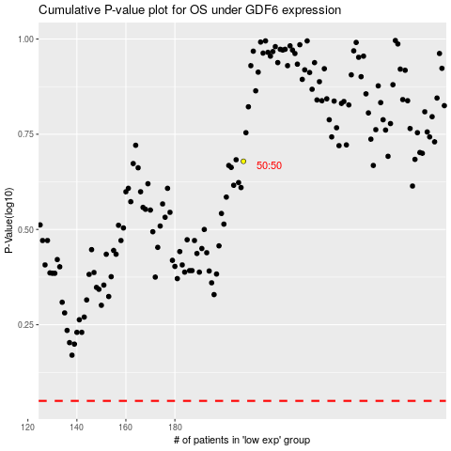

 |  |  |  |  |  | cases_OS | p_OS | rank | exp
 |  |  |  |  |  |  | cases_RFS | p_RFS | rank | exp

