GDF9 _multivariate
Reported by Tex Li-Hsing Chi. tex@gate.sinica.edu.tw 2019-08-19

Table 2. The clinicopathological features of HNSCC cohort and GDF9 expression. (Chi square test)
Cutoff at -0.313 (50.0%)
 |  | GDF9 expression |  | GDF9 expression |  | (Optimised)
 | Features | Low | (%) | High | (%) | Case no | P-value | Remark | Matthews
Gender | Female | 146 | 35.2 | 160 | 38.6 | 415 | 0.1714 | 0 | 0
2 | Male | 61 | 14.7 | 48 | 11.6
Age at diagnosis | <=65y | 137 | 33 | 137 | 33 | 415 | 1 | 0 | 0
4 | >65y | 70 | 16.9 | 71 | 17.1
Clinical T Status | T1+T2 | 70 | 16.9 | 79 | 19 | 415 | 0.4343 | 0 | 0
6 | T3+T4 | 137 | 33 | 129 | 31.1
Clinical N Status | N0 | 103 | 24.8 | 113 | 27.2 | 415 | 0.4047 | 0 | 0
8 | N1-3 | 104 | 25.1 | 95 | 22.9
Clinical M Status | M0 | 207 | 49.9 | 205 | 49.4 | 415 | 0.2482 | 0 | 0
10 | M1 | 0 | 0 | 3 | 0.7
Clinical Stage | Stage I+II | 54 | 13 | 48 | 11.6 | 415 | 0.5498 | 0 | 0
12 | Stage III+IV | 153 | 36.9 | 160 | 38.6
Surgical Margin status | Negative | 163 | 39.3 | 155 | 37.3 | 415 | 0.3537 | 0 | 0
14 | Positive | 44 | 10.6 | 53 | 12.8
Tobacco Exposure | Low | 83 | 20 | 78 | 18.8 | 415 | 0.6152 | 0 | 0
16 | High | 124 | 29.9 | 130 | 31.3

Table 3. Univariate/Multivariate Cox's proportional hazards regression analyses on OS time of GDF9 gene expression in HNSCC

 |  | Univariate |  |  |  | Multivariate
 | Features | HR | CI95%(L) | CI95%(H) | P-value | HR | CI95%(L) | CI95%(H) | P-value
1 | Female | 1 |  |  |  | 1
Gender | Male | 1.157 | 0.843 | 1.587 | 0.367 | 1.185 | 0.847 | 1.657 | 0.322
11 | <=65y | 1 |  |  |  | 1
Age at diagnosis | >65y | 1.329 | 0.99 | 1.784 | 0.058 | 1.4 | 1.029 | 1.904 | 0.032
12 | T1+T2 | 1 |  |  |  | 1
Clinical T Status | T3+T4 | 1.409 | 1.028 | 1.931 | 0.033 | 2.147 | 1.132 | 4.069 | 0.019
13 | N0 | 1 |  |  |  | 1
Clinical N Status | N1-3 | 1.185 | 0.89 | 1.577 | 0.246 | 1.228 | 0.86 | 1.753 | 0.259
14 | M0 | 1 |  |  |  | 1
Clinical M Status | M1 | 4.097 | 1.009 | 16.644 | 0.049 | 9.893 | 2.149 | 45.537 | 0.003
15 | Stage I+II | 1 |  |  |  | 1
Clinical Stage | Stage III+IV | 1.245 | 0.882 | 1.759 | 0.213 | 0.52 | 0.242 | 1.12 | 0.095
16 | Negative | 1 |  |  |  | 1
Surgical Margin status | Positive | 1.591 | 1.155 | 2.191 | 0.004 | 1.687 | 1.221 | 2.332 | 0.002
17 | Low | 1 |  |  |  | 1
Tobacco Exposure | High | 1.364 | 1.008 | 1.844 | 0.044 | 1.46 | 1.059 | 2.012 | 0.021
18 | Low | 1 |  |  |  | 1
RNAseq(z-score) | High | 0.873 | 0.655 | 1.165 | 0.357 | 0.874 | 0.651 | 1.173 | 0.368

Table 4. Univariate/Multivariate Cox's proportional hazards regression analyses on RFS time of GDF9 gene expression in HNSCC

 |  | Univariate |  |  |  | Multivariate
 | Features | HR | CI95%(L) | CI95%(H) | P-value | HR | CI95%(L) | CI95%(H) | P-value
1 | Female | 1 |  |  |  | 1
Gender | Male | 1.157 | 0.843 | 1.587 | 0.367 | 1.185 | 0.847 | 1.657 | 0.322
11 | <=65y | 1 |  |  |  | 1
Age at diagnosis | >65y | 1.329 | 0.99 | 1.784 | 0.058 | 1.4 | 1.029 | 1.904 | 0.032
12 | T1+T2 | 1 |  |  |  | 1
Clinical T Status | T3+T4 | 1.409 | 1.028 | 1.931 | 0.033 | 2.147 | 1.132 | 4.069 | 0.019
13 | N0 | 1 |  |  |  | 1
Clinical N Status | N1-3 | 1.185 | 0.89 | 1.577 | 0.246 | 1.228 | 0.86 | 1.753 | 0.259
14 | M0 | 1 |  |  |  | 1
Clinical M Status | M1 | 4.097 | 1.009 | 16.644 | 0.049 | 9.893 | 2.149 | 45.537 | 0.003
15 | Stage I+II | 1 |  |  |  | 1
Clinical Stage | Stage III+IV | 1.245 | 0.882 | 1.759 | 0.213 | 0.52 | 0.242 | 1.12 | 0.095
16 | Negative | 1 |  |  |  | 1
Surgical Margin status | Positive | 1.591 | 1.155 | 2.191 | 0.004 | 1.687 | 1.221 | 2.332 | 0.002
17 | Low | 1 |  |  |  | 1
Tobacco Exposure | High | 1.364 | 1.008 | 1.844 | 0.044 | 1.46 | 1.059 | 2.012 | 0.021
18 | Low | 1 |  |  |  | 1
RNAseq(z-score) | High | 0.873 | 0.655 | 1.165 | 0.357 | 0.874 | 0.651 | 1.173 | 0.368

Kaplan-Meier survival estimate: Cutoff at -0.313 (50.0%)

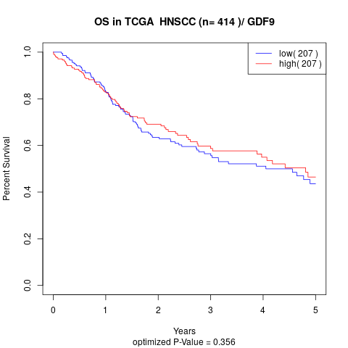

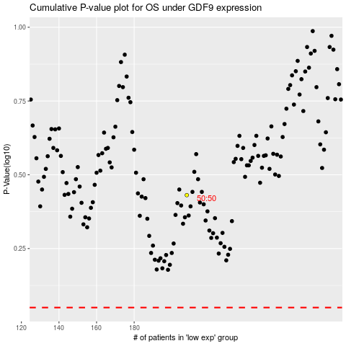

 |  |  |  |  |  | cases_OS | p_OS | rank | exp
 |  |  |  |  |  |  | cases_RFS | p_RFS | rank | exp

