GDNF _multivariate
Reported by Tex Li-Hsing Chi. tex@gate.sinica.edu.tw 2019-08-19

Table 2. The clinicopathological features of HNSCC cohort and GDNF expression. (Chi square test)
Cutoff at -0.334 (50.0%)
 |  | GDNF expression |  | GDNF expression |  | (Optimised)
 | Features | Low | (%) | High | (%) | Case no | P-value | Remark | Matthews
Gender | Female | 151 | 36.4 | 155 | 37.3 | 415 | 0.8007 | 0 | 0
2 | Male | 56 | 13.5 | 53 | 12.8
Age at diagnosis | <=65y | 135 | 32.5 | 139 | 33.5 | 415 | 0.8084 | 0 | 0
4 | >65y | 72 | 17.3 | 69 | 16.6
Clinical T Status | T1+T2 | 71 | 17.1 | 78 | 18.8 | 415 | 0.5638 | 0 | 0
6 | T3+T4 | 136 | 32.8 | 130 | 31.3
Clinical N Status | N0 | 107 | 25.8 | 109 | 26.3 | 415 | 0.9624 | 0 | 0
8 | N1-3 | 100 | 24.1 | 99 | 23.9
Clinical M Status | M0 | 204 | 49.2 | 208 | 50.1 | 415 | 0.1232 | 0 | 0
10 | M1 | 3 | 0.7 | 0 | 0
Clinical Stage | Stage I+II | 45 | 10.8 | 57 | 13.7 | 415 | 0.2202 | 0 | 0
12 | Stage III+IV | 162 | 39 | 151 | 36.4
Surgical Margin status | Negative | 153 | 36.9 | 165 | 39.8 | 415 | 0.2036 | 0 | 0
14 | Positive | 54 | 13 | 43 | 10.4
Tobacco Exposure | Low | 88 | 21.2 | 73 | 17.6 | 415 | 0.1314 | 0 | 0
16 | High | 119 | 28.7 | 135 | 32.5

Table 3. Univariate/Multivariate Cox's proportional hazards regression analyses on OS time of GDNF gene expression in HNSCC

 |  | Univariate |  |  |  | Multivariate
 | Features | HR | CI95%(L) | CI95%(H) | P-value | HR | CI95%(L) | CI95%(H) | P-value
1 | Female | 1 |  |  |  | 1
Gender | Male | 1.157 | 0.843 | 1.587 | 0.367 | 1.202 | 0.86 | 1.679 | 0.281
11 | <=65y | 1 |  |  |  | 1
Age at diagnosis | >65y | 1.329 | 0.99 | 1.784 | 0.058 | 1.392 | 1.024 | 1.892 | 0.035
12 | T1+T2 | 1 |  |  |  | 1
Clinical T Status | T3+T4 | 1.409 | 1.028 | 1.931 | 0.033 | 2.206 | 1.165 | 4.174 | 0.015
13 | N0 | 1 |  |  |  | 1
Clinical N Status | N1-3 | 1.185 | 0.89 | 1.577 | 0.246 | 1.242 | 0.87 | 1.774 | 0.233
14 | M0 | 1 |  |  |  | 1
Clinical M Status | M1 | 4.097 | 1.009 | 16.644 | 0.049 | 9.358 | 2.032 | 43.09 | 0.004
15 | Stage I+II | 1 |  |  |  | 1
Clinical Stage | Stage III+IV | 1.245 | 0.882 | 1.759 | 0.213 | 0.503 | 0.233 | 1.084 | 0.079
16 | Negative | 1 |  |  |  | 1
Surgical Margin status | Positive | 1.591 | 1.155 | 2.191 | 0.004 | 1.669 | 1.206 | 2.31 | 0.002
17 | Low | 1 |  |  |  | 1
Tobacco Exposure | High | 1.364 | 1.008 | 1.844 | 0.044 | 1.455 | 1.054 | 2.009 | 0.023
18 | Low | 1 |  |  |  | 1
RNAseq(z-score) | High | 0.971 | 0.73 | 1.293 | 0.843 | 0.987 | 0.736 | 1.323 | 0.931

Table 4. Univariate/Multivariate Cox's proportional hazards regression analyses on RFS time of GDNF gene expression in HNSCC

 |  | Univariate |  |  |  | Multivariate
 | Features | HR | CI95%(L) | CI95%(H) | P-value | HR | CI95%(L) | CI95%(H) | P-value
1 | Female | 1 |  |  |  | 1
Gender | Male | 1.157 | 0.843 | 1.587 | 0.367 | 1.202 | 0.86 | 1.679 | 0.281
11 | <=65y | 1 |  |  |  | 1
Age at diagnosis | >65y | 1.329 | 0.99 | 1.784 | 0.058 | 1.392 | 1.024 | 1.892 | 0.035
12 | T1+T2 | 1 |  |  |  | 1
Clinical T Status | T3+T4 | 1.409 | 1.028 | 1.931 | 0.033 | 2.206 | 1.165 | 4.174 | 0.015
13 | N0 | 1 |  |  |  | 1
Clinical N Status | N1-3 | 1.185 | 0.89 | 1.577 | 0.246 | 1.242 | 0.87 | 1.774 | 0.233
14 | M0 | 1 |  |  |  | 1
Clinical M Status | M1 | 4.097 | 1.009 | 16.644 | 0.049 | 9.358 | 2.032 | 43.09 | 0.004
15 | Stage I+II | 1 |  |  |  | 1
Clinical Stage | Stage III+IV | 1.245 | 0.882 | 1.759 | 0.213 | 0.503 | 0.233 | 1.084 | 0.079
16 | Negative | 1 |  |  |  | 1
Surgical Margin status | Positive | 1.591 | 1.155 | 2.191 | 0.004 | 1.669 | 1.206 | 2.31 | 0.002
17 | Low | 1 |  |  |  | 1
Tobacco Exposure | High | 1.364 | 1.008 | 1.844 | 0.044 | 1.455 | 1.054 | 2.009 | 0.023
18 | Low | 1 |  |  |  | 1
RNAseq(z-score) | High | 0.971 | 0.73 | 1.293 | 0.843 | 0.987 | 0.736 | 1.323 | 0.931

Kaplan-Meier survival estimate: Cutoff at -0.334 (50.0%)



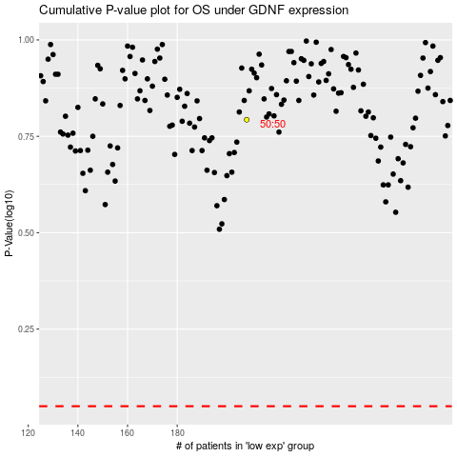

 |  |  |  |  |  | cases_OS | p_OS | rank | exp
 |  |  |  |  |  |  | cases_RFS | p_RFS | rank | exp

