GDPD2 _multivariate
Reported by Tex Li-Hsing Chi. tex@gate.sinica.edu.tw 2019-08-19

Table 2. The clinicopathological features of HNSCC cohort and GDPD2 expression. (Chi square test)
Cutoff at -0.265 (50.0%)
 |  | GDPD2 expression |  | GDPD2 expression |  | (Optimised)
 | Features | Low | (%) | High | (%) | Case no | P-value | Remark | Matthews
Gender | Female | 160 | 38.6 | 146 | 35.2 | 415 | 0.1254 | 0 | 0
2 | Male | 47 | 11.3 | 62 | 14.9
Age at diagnosis | <=65y | 139 | 33.5 | 135 | 32.5 | 415 | 0.7044 | 0 | 0
4 | >65y | 68 | 16.4 | 73 | 17.6
Clinical T Status | T1+T2 | 83 | 20 | 66 | 15.9 | 415 | 0.0941 | 0 | 0
6 | T3+T4 | 124 | 29.9 | 142 | 34.2
Clinical N Status | N0 | 102 | 24.6 | 114 | 27.5 | 415 | 0.3031 | 0 | 0
8 | N1-3 | 105 | 25.3 | 94 | 22.7
Clinical M Status | M0 | 206 | 49.6 | 206 | 49.6 | 415 | 1 | 0 | 0
10 | M1 | 1 | 0.2 | 2 | 0.5
Clinical Stage | Stage I+II | 54 | 13 | 48 | 11.6 | 415 | 0.5498 | 0 | 0
12 | Stage III+IV | 153 | 36.9 | 160 | 38.6
Surgical Margin status | Negative | 150 | 36.1 | 168 | 40.5 | 415 | 0.0492 | 1 | 0
14 | Positive | 57 | 13.7 | 40 | 9.6
Tobacco Exposure | Low | 85 | 20.5 | 76 | 18.3 | 415 | 0.3655 | 0 | 0
16 | High | 122 | 29.4 | 132 | 31.8

Table 3. Univariate/Multivariate Cox's proportional hazards regression analyses on OS time of GDPD2 gene expression in HNSCC

 |  | Univariate |  |  |  | Multivariate
 | Features | HR | CI95%(L) | CI95%(H) | P-value | HR | CI95%(L) | CI95%(H) | P-value
1 | Female | 1 |  |  |  | 1
Gender | Male | 1.157 | 0.843 | 1.587 | 0.367 | 1.209 | 0.865 | 1.691 | 0.267
11 | <=65y | 1 |  |  |  | 1
Age at diagnosis | >65y | 1.329 | 0.99 | 1.784 | 0.058 | 1.395 | 1.026 | 1.896 | 0.034
12 | T1+T2 | 1 |  |  |  | 1
Clinical T Status | T3+T4 | 1.409 | 1.028 | 1.931 | 0.033 | 2.228 | 1.176 | 4.22 | 0.014
13 | N0 | 1 |  |  |  | 1
Clinical N Status | N1-3 | 1.185 | 0.89 | 1.577 | 0.246 | 1.234 | 0.864 | 1.762 | 0.247
14 | M0 | 1 |  |  |  | 1
Clinical M Status | M1 | 4.097 | 1.009 | 16.644 | 0.049 | 9.712 | 2.104 | 44.824 | 0.004
15 | Stage I+II | 1 |  |  |  | 1
Clinical Stage | Stage III+IV | 1.245 | 0.882 | 1.759 | 0.213 | 0.503 | 0.234 | 1.08 | 0.078
16 | Negative | 1 |  |  |  | 1
Surgical Margin status | Positive | 1.591 | 1.155 | 2.191 | 0.004 | 1.655 | 1.194 | 2.293 | 0.002
17 | Low | 1 |  |  |  | 1
Tobacco Exposure | High | 1.364 | 1.008 | 1.844 | 0.044 | 1.459 | 1.058 | 2.01 | 0.021
18 | Low | 1 |  |  |  | 1
RNAseq(z-score) | High | 0.98 | 0.735 | 1.305 | 0.888 | 0.937 | 0.698 | 1.258 | 0.664

Table 4. Univariate/Multivariate Cox's proportional hazards regression analyses on RFS time of GDPD2 gene expression in HNSCC

 |  | Univariate |  |  |  | Multivariate
 | Features | HR | CI95%(L) | CI95%(H) | P-value | HR | CI95%(L) | CI95%(H) | P-value
1 | Female | 1 |  |  |  | 1
Gender | Male | 1.157 | 0.843 | 1.587 | 0.367 | 1.209 | 0.865 | 1.691 | 0.267
11 | <=65y | 1 |  |  |  | 1
Age at diagnosis | >65y | 1.329 | 0.99 | 1.784 | 0.058 | 1.395 | 1.026 | 1.896 | 0.034
12 | T1+T2 | 1 |  |  |  | 1
Clinical T Status | T3+T4 | 1.409 | 1.028 | 1.931 | 0.033 | 2.228 | 1.176 | 4.22 | 0.014
13 | N0 | 1 |  |  |  | 1
Clinical N Status | N1-3 | 1.185 | 0.89 | 1.577 | 0.246 | 1.234 | 0.864 | 1.762 | 0.247
14 | M0 | 1 |  |  |  | 1
Clinical M Status | M1 | 4.097 | 1.009 | 16.644 | 0.049 | 9.712 | 2.104 | 44.824 | 0.004
15 | Stage I+II | 1 |  |  |  | 1
Clinical Stage | Stage III+IV | 1.245 | 0.882 | 1.759 | 0.213 | 0.503 | 0.234 | 1.08 | 0.078
16 | Negative | 1 |  |  |  | 1
Surgical Margin status | Positive | 1.591 | 1.155 | 2.191 | 0.004 | 1.655 | 1.194 | 2.293 | 0.002
17 | Low | 1 |  |  |  | 1
Tobacco Exposure | High | 1.364 | 1.008 | 1.844 | 0.044 | 1.459 | 1.058 | 2.01 | 0.021
18 | Low | 1 |  |  |  | 1
RNAseq(z-score) | High | 0.98 | 0.735 | 1.305 | 0.888 | 0.937 | 0.698 | 1.258 | 0.664

Kaplan-Meier survival estimate: Cutoff at -0.265 (50.0%)



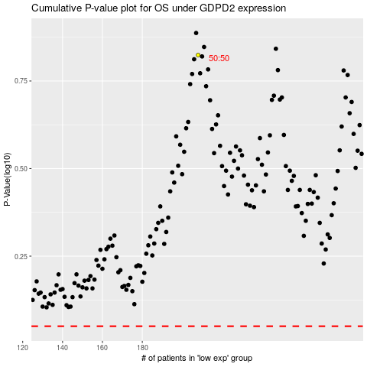

 |  |  |  |  |  | cases_OS | p_OS | rank | exp
 |  |  |  |  |  |  | cases_RFS | p_RFS | rank | exp

