GEMIN4 _multivariate
Reported by Tex Li-Hsing Chi. tex@gate.sinica.edu.tw 2019-08-19

Table 2. The clinicopathological features of HNSCC cohort and GEMIN4 expression. (Chi square test)
Cutoff at -0.121 (49.8%)
 |  | GEMIN4 expression |  | GEMIN4 expression |  | (Optimised)
 | Features | Low | (%) | High | (%) | Case no | P-value | Remark | Matthews
Gender | Female | 149 | 35.9 | 157 | 37.8 | 415 | 0.4848 | 0 | 0
2 | Male | 58 | 14 | 51 | 12.3
Age at diagnosis | <=65y | 135 | 32.5 | 139 | 33.5 | 415 | 0.8084 | 0 | 0
4 | >65y | 72 | 17.3 | 69 | 16.6
Clinical T Status | T1+T2 | 89 | 21.4 | 60 | 14.5 | 415 | 0.0037 | 1 | 0
6 | T3+T4 | 118 | 28.4 | 148 | 35.7
Clinical N Status | N0 | 108 | 26 | 108 | 26 | 415 | 1 | 0 | 0
8 | N1-3 | 99 | 23.9 | 100 | 24.1
Clinical M Status | M0 | 206 | 49.6 | 206 | 49.6 | 415 | 1 | 0 | 0
10 | M1 | 1 | 0.2 | 2 | 0.5
Clinical Stage | Stage I+II | 62 | 14.9 | 40 | 9.6 | 415 | 0.0154 | 1 | 0
12 | Stage III+IV | 145 | 34.9 | 168 | 40.5
Surgical Margin status | Negative | 155 | 37.3 | 163 | 39.3 | 415 | 0.4187 | 0 | 0
14 | Positive | 52 | 12.5 | 45 | 10.8
Tobacco Exposure | Low | 89 | 21.4 | 72 | 17.3 | 415 | 0.0872 | 0 | 0
16 | High | 118 | 28.4 | 136 | 32.8

Table 3. Univariate/Multivariate Cox's proportional hazards regression analyses on OS time of GEMIN4 gene expression in HNSCC

 |  | Univariate |  |  |  | Multivariate
 | Features | HR | CI95%(L) | CI95%(H) | P-value | HR | CI95%(L) | CI95%(H) | P-value
1 | Female | 1 |  |  |  | 1
Gender | Male | 1.157 | 0.843 | 1.587 | 0.367 | 1.205 | 0.863 | 1.682 | 0.274
11 | <=65y | 1 |  |  |  | 1
Age at diagnosis | >65y | 1.329 | 0.99 | 1.784 | 0.058 | 1.383 | 1.017 | 1.882 | 0.039
12 | T1+T2 | 1 |  |  |  | 1
Clinical T Status | T3+T4 | 1.409 | 1.028 | 1.931 | 0.033 | 2.22 | 1.173 | 4.202 | 0.014
13 | N0 | 1 |  |  |  | 1
Clinical N Status | N1-3 | 1.185 | 0.89 | 1.577 | 0.246 | 1.234 | 0.864 | 1.761 | 0.248
14 | M0 | 1 |  |  |  | 1
Clinical M Status | M1 | 4.097 | 1.009 | 16.644 | 0.049 | 9.512 | 2.073 | 43.641 | 0.004
15 | Stage I+II | 1 |  |  |  | 1
Clinical Stage | Stage III+IV | 1.245 | 0.882 | 1.759 | 0.213 | 0.508 | 0.237 | 1.092 | 0.083
16 | Negative | 1 |  |  |  | 1
Surgical Margin status | Positive | 1.591 | 1.155 | 2.191 | 0.004 | 1.658 | 1.198 | 2.296 | 0.002
17 | Low | 1 |  |  |  | 1
Tobacco Exposure | High | 1.364 | 1.008 | 1.844 | 0.044 | 1.457 | 1.057 | 2.008 | 0.021
18 | Low | 1 |  |  |  | 1
RNAseq(z-score) | High | 0.953 | 0.716 | 1.27 | 0.744 | 0.933 | 0.695 | 1.252 | 0.646

Table 4. Univariate/Multivariate Cox's proportional hazards regression analyses on RFS time of GEMIN4 gene expression in HNSCC

 |  | Univariate |  |  |  | Multivariate
 | Features | HR | CI95%(L) | CI95%(H) | P-value | HR | CI95%(L) | CI95%(H) | P-value
1 | Female | 1 |  |  |  | 1
Gender | Male | 1.157 | 0.843 | 1.587 | 0.367 | 1.205 | 0.863 | 1.682 | 0.274
11 | <=65y | 1 |  |  |  | 1
Age at diagnosis | >65y | 1.329 | 0.99 | 1.784 | 0.058 | 1.383 | 1.017 | 1.882 | 0.039
12 | T1+T2 | 1 |  |  |  | 1
Clinical T Status | T3+T4 | 1.409 | 1.028 | 1.931 | 0.033 | 2.22 | 1.173 | 4.202 | 0.014
13 | N0 | 1 |  |  |  | 1
Clinical N Status | N1-3 | 1.185 | 0.89 | 1.577 | 0.246 | 1.234 | 0.864 | 1.761 | 0.248
14 | M0 | 1 |  |  |  | 1
Clinical M Status | M1 | 4.097 | 1.009 | 16.644 | 0.049 | 9.512 | 2.073 | 43.641 | 0.004
15 | Stage I+II | 1 |  |  |  | 1
Clinical Stage | Stage III+IV | 1.245 | 0.882 | 1.759 | 0.213 | 0.508 | 0.237 | 1.092 | 0.083
16 | Negative | 1 |  |  |  | 1
Surgical Margin status | Positive | 1.591 | 1.155 | 2.191 | 0.004 | 1.658 | 1.198 | 2.296 | 0.002
17 | Low | 1 |  |  |  | 1
Tobacco Exposure | High | 1.364 | 1.008 | 1.844 | 0.044 | 1.457 | 1.057 | 2.008 | 0.021
18 | Low | 1 |  |  |  | 1
RNAseq(z-score) | High | 0.953 | 0.716 | 1.27 | 0.744 | 0.933 | 0.695 | 1.252 | 0.646

Kaplan-Meier survival estimate: Cutoff at -0.121 (49.8%)



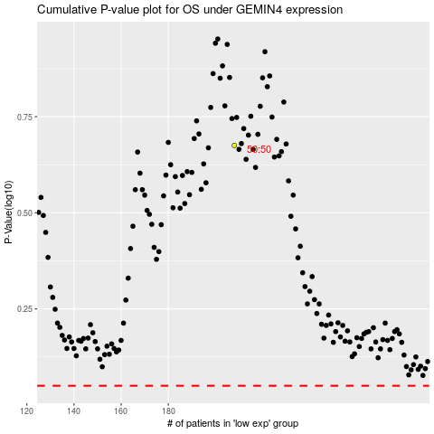

 |  |  |  |  |  | cases_OS | p_OS | rank | exp
 |  |  |  |  |  |  | cases_RFS | p_RFS | rank | exp

