GEMIN7 _multivariate
Reported by Tex Li-Hsing Chi. tex@gate.sinica.edu.tw 2019-08-19

Table 2. The clinicopathological features of HNSCC cohort and GEMIN7 expression. (Chi square test)
Cutoff at -0.423 (35.0%)
 |  | GEMIN7 expression |  | GEMIN7 expression |  | (Optimised)
 | Features | Low | (%) | High | (%) | Case no | P-value | Remark | Matthews
Gender | Female | 110 | 26.5 | 196 | 47.2 | 415 | 0.5454 | 0 | 0
2 | Male | 35 | 8.4 | 74 | 17.8
Age at diagnosis | <=65y | 96 | 23.1 | 178 | 42.9 | 415 | 1 | 0 | 0
4 | >65y | 49 | 11.8 | 92 | 22.2
Clinical T Status | T1+T2 | 56 | 13.5 | 93 | 22.4 | 415 | 0.4604 | 0 | 0
6 | T3+T4 | 89 | 21.4 | 177 | 42.7
Clinical N Status | N0 | 83 | 20 | 133 | 32 | 415 | 0.1474 | 0 | 0
8 | N1-3 | 62 | 14.9 | 137 | 33
Clinical M Status | M0 | 144 | 34.7 | 268 | 64.6 | 415 | 1 | 0 | 0
10 | M1 | 1 | 0.2 | 2 | 0.5
Clinical Stage | Stage I+II | 39 | 9.4 | 63 | 15.2 | 415 | 0.4938 | 0 | 0
12 | Stage III+IV | 106 | 25.5 | 207 | 49.9
Surgical Margin status | Negative | 112 | 27 | 206 | 49.6 | 415 | 0.9033 | 0 | 0
14 | Positive | 33 | 8 | 64 | 15.4
Tobacco Exposure | Low | 54 | 13 | 107 | 25.8 | 415 | 0.6732 | 0 | 0
16 | High | 91 | 21.9 | 163 | 39.3

Table 3. Univariate/Multivariate Cox's proportional hazards regression analyses on OS time of GEMIN7 gene expression in HNSCC

 |  | Univariate |  |  |  | Multivariate
 | Features | HR | CI95%(L) | CI95%(H) | P-value | HR | CI95%(L) | CI95%(H) | P-value
1 | Female | 1 |  |  |  | 1
Gender | Male | 1.157 | 0.843 | 1.587 | 0.367 | 1.184 | 0.846 | 1.656 | 0.324
11 | <=65y | 1 |  |  |  | 1
Age at diagnosis | >65y | 1.329 | 0.99 | 1.784 | 0.058 | 1.388 | 1.021 | 1.887 | 0.036
12 | T1+T2 | 1 |  |  |  | 1
Clinical T Status | T3+T4 | 1.409 | 1.028 | 1.931 | 0.033 | 2.154 | 1.139 | 4.074 | 0.018
13 | N0 | 1 |  |  |  | 1
Clinical N Status | N1-3 | 1.185 | 0.89 | 1.577 | 0.246 | 1.193 | 0.834 | 1.706 | 0.335
14 | M0 | 1 |  |  |  | 1
Clinical M Status | M1 | 4.097 | 1.009 | 16.644 | 0.049 | 8.971 | 1.954 | 41.192 | 0.005
15 | Stage I+II | 1 |  |  |  | 1
Clinical Stage | Stage III+IV | 1.245 | 0.882 | 1.759 | 0.213 | 0.516 | 0.241 | 1.108 | 0.09
16 | Negative | 1 |  |  |  | 1
Surgical Margin status | Positive | 1.591 | 1.155 | 2.191 | 0.004 | 1.66 | 1.201 | 2.294 | 0.002
17 | Low | 1 |  |  |  | 1
Tobacco Exposure | High | 1.364 | 1.008 | 1.844 | 0.044 | 1.436 | 1.042 | 1.98 | 0.027
18 | Low | 1 |  |  |  | 1
RNAseq(z-score) | High | 1.411 | 1.04 | 1.914 | 0.027 | 1.312 | 0.964 | 1.786 | 0.085

Table 4. Univariate/Multivariate Cox's proportional hazards regression analyses on RFS time of GEMIN7 gene expression in HNSCC

 |  | Univariate |  |  |  | Multivariate
 | Features | HR | CI95%(L) | CI95%(H) | P-value | HR | CI95%(L) | CI95%(H) | P-value
1 | Female | 1 |  |  |  | 1
Gender | Male | 1.157 | 0.843 | 1.587 | 0.367 | 1.184 | 0.846 | 1.656 | 0.324
11 | <=65y | 1 |  |  |  | 1
Age at diagnosis | >65y | 1.329 | 0.99 | 1.784 | 0.058 | 1.388 | 1.021 | 1.887 | 0.036
12 | T1+T2 | 1 |  |  |  | 1
Clinical T Status | T3+T4 | 1.409 | 1.028 | 1.931 | 0.033 | 2.154 | 1.139 | 4.074 | 0.018
13 | N0 | 1 |  |  |  | 1
Clinical N Status | N1-3 | 1.185 | 0.89 | 1.577 | 0.246 | 1.193 | 0.834 | 1.706 | 0.335
14 | M0 | 1 |  |  |  | 1
Clinical M Status | M1 | 4.097 | 1.009 | 16.644 | 0.049 | 8.971 | 1.954 | 41.192 | 0.005
15 | Stage I+II | 1 |  |  |  | 1
Clinical Stage | Stage III+IV | 1.245 | 0.882 | 1.759 | 0.213 | 0.516 | 0.241 | 1.108 | 0.09
16 | Negative | 1 |  |  |  | 1
Surgical Margin status | Positive | 1.591 | 1.155 | 2.191 | 0.004 | 1.66 | 1.201 | 2.294 | 0.002
17 | Low | 1 |  |  |  | 1
Tobacco Exposure | High | 1.364 | 1.008 | 1.844 | 0.044 | 1.436 | 1.042 | 1.98 | 0.027
18 | Low | 1 |  |  |  | 1
RNAseq(z-score) | High | 1.411 | 1.04 | 1.914 | 0.027 | 1.312 | 0.964 | 1.786 | 0.085

Kaplan-Meier survival estimate: Cutoff at -0.423 (35.0%)

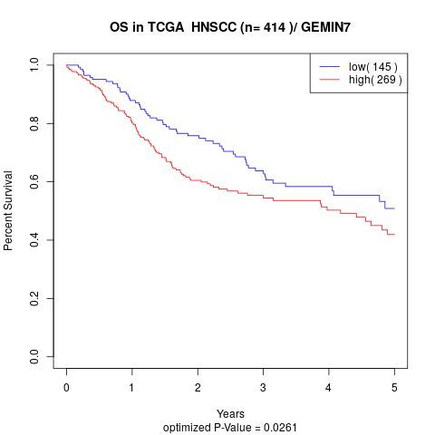

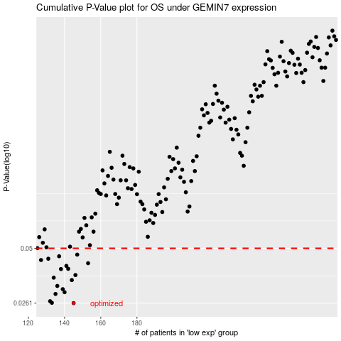

 |  |  |  |  |  | cases_OS | p_OS | rank | exp
 |  |  |  |  |  | 145 | 0.0261 | 61 | -0.42283773855
 |  |  |  |  |  | 133 | 0.0262 | 58 | -0.48238367234
 |  |  |  |  |  | 132 | 0.0267 | 13 | -0.48303094368
 |  |  |  |  |  | 135 | 0.0291 | 243 | -0.48006520901
 |  |  |  |  |  | 140 | 0.0297 | 80 | -0.45211187231
 |  |  |  |  |  | 139 | 0.0308 | 145 | -0.4524713553
 |  |  |  |  |  | 136 | 0.032 | 394 | -0.46308367688
 |  |  |  |  |  | 144 | 0.0343 | 282 | -0.43104425051
 |  |  |  |  |  | 134 | 0.0353 | 350 | -0.4805610128
 |  |  |  |  |  | 146 | 0.0364 | 325 | -0.42027945159
 |  |  |  |  |  | 138 | 0.0391 | 105 | -0.46123375317
 |  |  |  |  |  | 142 | 0.0392 | 208 | -0.44223618792
 |  |  |  |  |  | 141 | 0.0406 | 246 | -0.443066735
 |  |  |  |  |  | 153 | 0.0419 | 107 | -0.4043900005
 |  |  |  |  |  | 127 | 0.0435 | 203 | -0.49902288781
 |  |  |  |  |  | 131 | 0.0442 | 230 | -0.48340860278
 |  |  |  |  |  | 137 | 0.0455 | 235 | -0.46212791662
 |  |  |  |  |  | 147 | 0.0464 | 227 | -0.41363356031
 |  |  |  |  |  |  | cases_RFS | p_RFS | rank | exp
 |  |  |  |  |  |  | 144 | 0.0261 | 282 | -0.43104425051
 |  |  |  |  |  |  | 132 | 0.0262 | 13 | -0.48303094368
 |  |  |  |  |  |  | 131 | 0.0267 | 230 | -0.48340860278
 |  |  |  |  |  |  | 134 | 0.0291 | 350 | -0.4805610128
 |  |  |  |  |  |  | 139 | 0.0297 | 145 | -0.4524713553
 |  |  |  |  |  |  | 138 | 0.0308 | 105 | -0.46123375317
 |  |  |  |  |  |  | 135 | 0.032 | 243 | -0.48006520901
 |  |  |  |  |  |  | 143 | 0.0343 | 232 | -0.43323144196
 |  |  |  |  |  |  | 133 | 0.0353 | 58 | -0.48238367234
 |  |  |  |  |  |  | 145 | 0.0364 | 61 | -0.42283773855
 |  |  |  |  |  |  | 137 | 0.0391 | 235 | -0.46212791662
 |  |  |  |  |  |  | 141 | 0.0392 | 246 | -0.443066735
 |  |  |  |  |  |  | 140 | 0.0406 | 80 | -0.45211187231
 |  |  |  |  |  |  | 152 | 0.0419 | 182 | -0.40715529311
 |  |  |  |  |  |  | 126 | 0.0435 | 140 | -0.50341191258
 |  |  |  |  |  |  | 130 | 0.0442 | 194 | -0.48651570716
 |  |  |  |  |  |  | 136 | 0.0455 | 394 | -0.46308367688
 |  |  |  |  |  |  | 146 | 0.0464 | 325 | -0.42027945159

