GEMIN8 _multivariate
Reported by Tex Li-Hsing Chi. tex@gate.sinica.edu.tw 2019-08-19

Table 2. The clinicopathological features of HNSCC cohort and GEMIN8 expression. (Chi square test)
Cutoff at -0.572 (34.3%)
 |  | GEMIN8 expression |  | GEMIN8 expression |  | (Optimised)
 | Features | Low | (%) | High | (%) | Case no | P-value | Remark | Matthews
Gender | Female | 116 | 28 | 190 | 45.8 | 415 | 0.0111 | 1 | 0
2 | Male | 26 | 6.3 | 83 | 20
Age at diagnosis | <=65y | 88 | 21.2 | 186 | 44.8 | 415 | 0.251 | 0 | 0
4 | >65y | 54 | 13 | 87 | 21
Clinical T Status | T1+T2 | 48 | 11.6 | 101 | 24.3 | 415 | 0.5923 | 0 | 0
6 | T3+T4 | 94 | 22.7 | 172 | 41.4
Clinical N Status | N0 | 69 | 16.6 | 147 | 35.4 | 415 | 0.3612 | 0 | 0
8 | N1-3 | 73 | 17.6 | 126 | 30.4
Clinical M Status | M0 | 141 | 34 | 271 | 65.3 | 415 | 1 | 0 | 0
10 | M1 | 1 | 0.2 | 2 | 0.5
Clinical Stage | Stage I+II | 32 | 7.7 | 70 | 16.9 | 415 | 0.5639 | 0 | 0
12 | Stage III+IV | 110 | 26.5 | 203 | 48.9
Surgical Margin status | Negative | 108 | 26 | 210 | 50.6 | 415 | 0.9028 | 0 | 0
14 | Positive | 34 | 8.2 | 63 | 15.2
Tobacco Exposure | Low | 46 | 11.1 | 115 | 27.7 | 415 | 0.0567 | 0 | 0
16 | High | 96 | 23.1 | 158 | 38.1

Table 3. Univariate/Multivariate Cox's proportional hazards regression analyses on OS time of GEMIN8 gene expression in HNSCC

 |  | Univariate |  |  |  | Multivariate
 | Features | HR | CI95%(L) | CI95%(H) | P-value | HR | CI95%(L) | CI95%(H) | P-value
1 | Female | 1 |  |  |  | 1
Gender | Male | 1.157 | 0.843 | 1.587 | 0.367 | 1.271 | 0.905 | 1.787 | 0.167
11 | <=65y | 1 |  |  |  | 1
Age at diagnosis | >65y | 1.329 | 0.99 | 1.784 | 0.058 | 1.349 | 0.991 | 1.835 | 0.057
12 | T1+T2 | 1 |  |  |  | 1
Clinical T Status | T3+T4 | 1.409 | 1.028 | 1.931 | 0.033 | 2.235 | 1.182 | 4.227 | 0.013
13 | N0 | 1 |  |  |  | 1
Clinical N Status | N1-3 | 1.185 | 0.89 | 1.577 | 0.246 | 1.249 | 0.875 | 1.783 | 0.22
14 | M0 | 1 |  |  |  | 1
Clinical M Status | M1 | 4.097 | 1.009 | 16.644 | 0.049 | 10.144 | 2.208 | 46.591 | 0.003
15 | Stage I+II | 1 |  |  |  | 1
Clinical Stage | Stage III+IV | 1.245 | 0.882 | 1.759 | 0.213 | 0.482 | 0.224 | 1.036 | 0.061
16 | Negative | 1 |  |  |  | 1
Surgical Margin status | Positive | 1.591 | 1.155 | 2.191 | 0.004 | 1.683 | 1.218 | 2.325 | 0.002
17 | Low | 1 |  |  |  | 1
Tobacco Exposure | High | 1.364 | 1.008 | 1.844 | 0.044 | 1.436 | 1.042 | 1.978 | 0.027
18 | Low | 1 |  |  |  | 1
RNAseq(z-score) | High | 0.735 | 0.549 | 0.985 | 0.039 | 0.738 | 0.546 | 0.996 | 0.047

Table 4. Univariate/Multivariate Cox's proportional hazards regression analyses on RFS time of GEMIN8 gene expression in HNSCC

 |  | Univariate |  |  |  | Multivariate
 | Features | HR | CI95%(L) | CI95%(H) | P-value | HR | CI95%(L) | CI95%(H) | P-value
1 | Female | 1 |  |  |  | 1
Gender | Male | 1.157 | 0.843 | 1.587 | 0.367 | 1.271 | 0.905 | 1.787 | 0.167
11 | <=65y | 1 |  |  |  | 1
Age at diagnosis | >65y | 1.329 | 0.99 | 1.784 | 0.058 | 1.349 | 0.991 | 1.835 | 0.057
12 | T1+T2 | 1 |  |  |  | 1
Clinical T Status | T3+T4 | 1.409 | 1.028 | 1.931 | 0.033 | 2.235 | 1.182 | 4.227 | 0.013
13 | N0 | 1 |  |  |  | 1
Clinical N Status | N1-3 | 1.185 | 0.89 | 1.577 | 0.246 | 1.249 | 0.875 | 1.783 | 0.22
14 | M0 | 1 |  |  |  | 1
Clinical M Status | M1 | 4.097 | 1.009 | 16.644 | 0.049 | 10.144 | 2.208 | 46.591 | 0.003
15 | Stage I+II | 1 |  |  |  | 1
Clinical Stage | Stage III+IV | 1.245 | 0.882 | 1.759 | 0.213 | 0.482 | 0.224 | 1.036 | 0.061
16 | Negative | 1 |  |  |  | 1
Surgical Margin status | Positive | 1.591 | 1.155 | 2.191 | 0.004 | 1.683 | 1.218 | 2.325 | 0.002
17 | Low | 1 |  |  |  | 1
Tobacco Exposure | High | 1.364 | 1.008 | 1.844 | 0.044 | 1.436 | 1.042 | 1.978 | 0.027
18 | Low | 1 |  |  |  | 1
RNAseq(z-score) | High | 0.735 | 0.549 | 0.985 | 0.039 | 0.738 | 0.546 | 0.996 | 0.047

Kaplan-Meier survival estimate: Cutoff at -0.572 (34.3%)



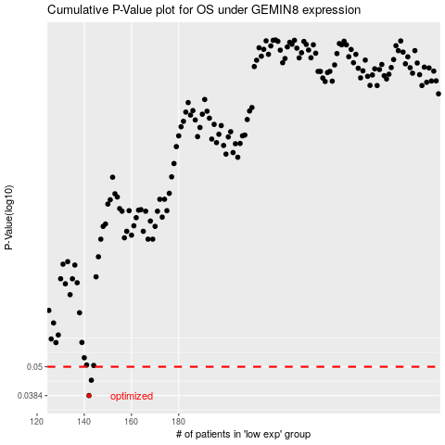

 |  |  |  |  |  | cases_OS | p_OS | rank | exp
 |  |  |  |  |  | 142 | 0.0384 | 252 | -0.57210149828
 |  |  |  |  |  | 143 | 0.0442 | 367 | -0.57195701211
 |  |  |  |  |  |  | cases_RFS | p_RFS | rank | exp
 |  |  |  |  |  |  | 141 | 0.0384 | 302 | -0.57343651667
 |  |  |  |  |  |  | 142 | 0.0442 | 252 | -0.57210149828

