GEMIN8P4 _multivariate
Reported by Tex Li-Hsing Chi. tex@gate.sinica.edu.tw 2019-08-19

Table 2. The clinicopathological features of HNSCC cohort and GEMIN8P4 expression. (Chi square test)
Cutoff at -0.24 (50.0%)
 |  | GEMIN8P4 expression |  | GEMIN8P4 expression |  | (Optimised)
 | Features | Low | (%) | High | (%) | Case no | P-value | Remark | Matthews
Gender | Female | 148 | 35.7 | 158 | 38.1 | 415 | 0.3567 | 0 | 0
2 | Male | 59 | 14.2 | 50 | 12
Age at diagnosis | <=65y | 125 | 30.1 | 149 | 35.9 | 415 | 0.0206 | 1 | 0
4 | >65y | 82 | 19.8 | 59 | 14.2
Clinical T Status | T1+T2 | 75 | 18.1 | 74 | 17.8 | 415 | 0.9707 | 0 | 0
6 | T3+T4 | 132 | 31.8 | 134 | 32.3
Clinical N Status | N0 | 110 | 26.5 | 106 | 25.5 | 415 | 0.7294 | 0 | 0
8 | N1-3 | 97 | 23.4 | 102 | 24.6
Clinical M Status | M0 | 205 | 49.4 | 207 | 49.9 | 415 | 0.6232 | 0 | 0
10 | M1 | 2 | 0.5 | 1 | 0.2
Clinical Stage | Stage I+II | 53 | 12.8 | 49 | 11.8 | 415 | 0.7113 | 0 | 0
12 | Stage III+IV | 154 | 37.1 | 159 | 38.3
Surgical Margin status | Negative | 156 | 37.6 | 162 | 39 | 415 | 0.5636 | 0 | 0
14 | Positive | 51 | 12.3 | 46 | 11.1
Tobacco Exposure | Low | 91 | 21.9 | 70 | 16.9 | 415 | 0.0346 | 1 | 0
16 | High | 116 | 28 | 138 | 33.3

Table 3. Univariate/Multivariate Cox's proportional hazards regression analyses on OS time of GEMIN8P4 gene expression in HNSCC

 |  | Univariate |  |  |  | Multivariate
 | Features | HR | CI95%(L) | CI95%(H) | P-value | HR | CI95%(L) | CI95%(H) | P-value
1 | Female | 1 |  |  |  | 1
Gender | Male | 1.157 | 0.843 | 1.587 | 0.367 | 1.209 | 0.864 | 1.69 | 0.268
11 | <=65y | 1 |  |  |  | 1
Age at diagnosis | >65y | 1.329 | 0.99 | 1.784 | 0.058 | 1.376 | 1.011 | 1.873 | 0.042
12 | T1+T2 | 1 |  |  |  | 1
Clinical T Status | T3+T4 | 1.409 | 1.028 | 1.931 | 0.033 | 2.196 | 1.161 | 4.151 | 0.015
13 | N0 | 1 |  |  |  | 1
Clinical N Status | N1-3 | 1.185 | 0.89 | 1.577 | 0.246 | 1.252 | 0.877 | 1.788 | 0.215
14 | M0 | 1 |  |  |  | 1
Clinical M Status | M1 | 4.097 | 1.009 | 16.644 | 0.049 | 9.23 | 2.013 | 42.328 | 0.004
15 | Stage I+II | 1 |  |  |  | 1
Clinical Stage | Stage III+IV | 1.245 | 0.882 | 1.759 | 0.213 | 0.508 | 0.237 | 1.09 | 0.082
16 | Negative | 1 |  |  |  | 1
Surgical Margin status | Positive | 1.591 | 1.155 | 2.191 | 0.004 | 1.675 | 1.212 | 2.314 | 0.002
17 | Low | 1 |  |  |  | 1
Tobacco Exposure | High | 1.364 | 1.008 | 1.844 | 0.044 | 1.486 | 1.073 | 2.057 | 0.017
18 | Low | 1 |  |  |  | 1
RNAseq(z-score) | High | 0.912 | 0.684 | 1.217 | 0.533 | 0.875 | 0.651 | 1.176 | 0.377

Table 4. Univariate/Multivariate Cox's proportional hazards regression analyses on RFS time of GEMIN8P4 gene expression in HNSCC

 |  | Univariate |  |  |  | Multivariate
 | Features | HR | CI95%(L) | CI95%(H) | P-value | HR | CI95%(L) | CI95%(H) | P-value
1 | Female | 1 |  |  |  | 1
Gender | Male | 1.157 | 0.843 | 1.587 | 0.367 | 1.209 | 0.864 | 1.69 | 0.268
11 | <=65y | 1 |  |  |  | 1
Age at diagnosis | >65y | 1.329 | 0.99 | 1.784 | 0.058 | 1.376 | 1.011 | 1.873 | 0.042
12 | T1+T2 | 1 |  |  |  | 1
Clinical T Status | T3+T4 | 1.409 | 1.028 | 1.931 | 0.033 | 2.196 | 1.161 | 4.151 | 0.015
13 | N0 | 1 |  |  |  | 1
Clinical N Status | N1-3 | 1.185 | 0.89 | 1.577 | 0.246 | 1.252 | 0.877 | 1.788 | 0.215
14 | M0 | 1 |  |  |  | 1
Clinical M Status | M1 | 4.097 | 1.009 | 16.644 | 0.049 | 9.23 | 2.013 | 42.328 | 0.004
15 | Stage I+II | 1 |  |  |  | 1
Clinical Stage | Stage III+IV | 1.245 | 0.882 | 1.759 | 0.213 | 0.508 | 0.237 | 1.09 | 0.082
16 | Negative | 1 |  |  |  | 1
Surgical Margin status | Positive | 1.591 | 1.155 | 2.191 | 0.004 | 1.675 | 1.212 | 2.314 | 0.002
17 | Low | 1 |  |  |  | 1
Tobacco Exposure | High | 1.364 | 1.008 | 1.844 | 0.044 | 1.486 | 1.073 | 2.057 | 0.017
18 | Low | 1 |  |  |  | 1
RNAseq(z-score) | High | 0.912 | 0.684 | 1.217 | 0.533 | 0.875 | 0.651 | 1.176 | 0.377

Kaplan-Meier survival estimate: Cutoff at -0.24 (50.0%)



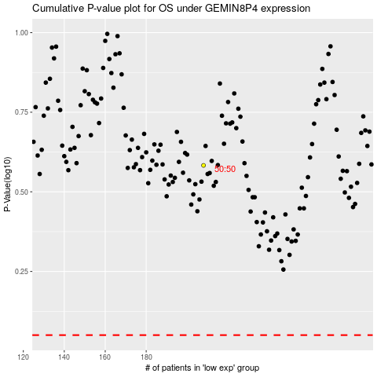

 |  |  |  |  |  | cases_OS | p_OS | rank | exp
 |  |  |  |  |  |  | cases_RFS | p_RFS | rank | exp

