GFAP _multivariate
Reported by Tex Li-Hsing Chi. tex@gate.sinica.edu.tw 2019-08-19

Table 2. The clinicopathological features of HNSCC cohort and GFAP expression. (Chi square test)
Cutoff at -0.113 (50.0%)
 |  | GFAP expression |  | GFAP expression |  | (Optimised)
 | Features | Low | (%) | High | (%) | Case no | P-value | Remark | Matthews
Gender | Female | 159 | 38.3 | 147 | 35.4 | 415 | 0.1905 | 0 | 0
2 | Male | 48 | 11.6 | 61 | 14.7
Age at diagnosis | <=65y | 134 | 32.3 | 140 | 33.7 | 415 | 0.6529 | 0 | 0
4 | >65y | 73 | 17.6 | 68 | 16.4
Clinical T Status | T1+T2 | 66 | 15.9 | 83 | 20 | 415 | 0.1095 | 0 | 0
6 | T3+T4 | 141 | 34 | 125 | 30.1
Clinical N Status | N0 | 98 | 23.6 | 118 | 28.4 | 415 | 0.0694 | 0 | 0
8 | N1-3 | 109 | 26.3 | 90 | 21.7
Clinical M Status | M0 | 204 | 49.2 | 208 | 50.1 | 415 | 0.1232 | 0 | 0
10 | M1 | 3 | 0.7 | 0 | 0
Clinical Stage | Stage I+II | 38 | 9.2 | 64 | 15.4 | 415 | 0.0048 | 1 | 0
12 | Stage III+IV | 169 | 40.7 | 144 | 34.7
Surgical Margin status | Negative | 160 | 38.6 | 158 | 38.1 | 415 | 0.8167 | 0 | 0
14 | Positive | 47 | 11.3 | 50 | 12
Tobacco Exposure | Low | 91 | 21.9 | 70 | 16.9 | 415 | 0.0346 | 1 | 0
16 | High | 116 | 28 | 138 | 33.3

Table 3. Univariate/Multivariate Cox's proportional hazards regression analyses on OS time of GFAP gene expression in HNSCC

 |  | Univariate |  |  |  | Multivariate
 | Features | HR | CI95%(L) | CI95%(H) | P-value | HR | CI95%(L) | CI95%(H) | P-value
1 | Female | 1 |  |  |  | 1
Gender | Male | 1.157 | 0.843 | 1.587 | 0.367 | 1.171 | 0.834 | 1.642 | 0.362
11 | <=65y | 1 |  |  |  | 1
Age at diagnosis | >65y | 1.329 | 0.99 | 1.784 | 0.058 | 1.398 | 1.028 | 1.9 | 0.033
12 | T1+T2 | 1 |  |  |  | 1
Clinical T Status | T3+T4 | 1.409 | 1.028 | 1.931 | 0.033 | 2.23 | 1.178 | 4.222 | 0.014
13 | N0 | 1 |  |  |  | 1
Clinical N Status | N1-3 | 1.185 | 0.89 | 1.577 | 0.246 | 1.258 | 0.881 | 1.797 | 0.207
14 | M0 | 1 |  |  |  | 1
Clinical M Status | M1 | 4.097 | 1.009 | 16.644 | 0.049 | 10.194 | 2.209 | 47.052 | 0.003
15 | Stage I+II | 1 |  |  |  | 1
Clinical Stage | Stage III+IV | 1.245 | 0.882 | 1.759 | 0.213 | 0.509 | 0.237 | 1.094 | 0.084
16 | Negative | 1 |  |  |  | 1
Surgical Margin status | Positive | 1.591 | 1.155 | 2.191 | 0.004 | 1.661 | 1.202 | 2.296 | 0.002
17 | Low | 1 |  |  |  | 1
Tobacco Exposure | High | 1.364 | 1.008 | 1.844 | 0.044 | 1.399 | 1.009 | 1.941 | 0.044
18 | Low | 1 |  |  |  | 1
RNAseq(z-score) | High | 1.216 | 0.912 | 1.622 | 0.183 | 1.19 | 0.882 | 1.606 | 0.255

Table 4. Univariate/Multivariate Cox's proportional hazards regression analyses on RFS time of GFAP gene expression in HNSCC

 |  | Univariate |  |  |  | Multivariate
 | Features | HR | CI95%(L) | CI95%(H) | P-value | HR | CI95%(L) | CI95%(H) | P-value
1 | Female | 1 |  |  |  | 1
Gender | Male | 1.157 | 0.843 | 1.587 | 0.367 | 1.171 | 0.834 | 1.642 | 0.362
11 | <=65y | 1 |  |  |  | 1
Age at diagnosis | >65y | 1.329 | 0.99 | 1.784 | 0.058 | 1.398 | 1.028 | 1.9 | 0.033
12 | T1+T2 | 1 |  |  |  | 1
Clinical T Status | T3+T4 | 1.409 | 1.028 | 1.931 | 0.033 | 2.23 | 1.178 | 4.222 | 0.014
13 | N0 | 1 |  |  |  | 1
Clinical N Status | N1-3 | 1.185 | 0.89 | 1.577 | 0.246 | 1.258 | 0.881 | 1.797 | 0.207
14 | M0 | 1 |  |  |  | 1
Clinical M Status | M1 | 4.097 | 1.009 | 16.644 | 0.049 | 10.194 | 2.209 | 47.052 | 0.003
15 | Stage I+II | 1 |  |  |  | 1
Clinical Stage | Stage III+IV | 1.245 | 0.882 | 1.759 | 0.213 | 0.509 | 0.237 | 1.094 | 0.084
16 | Negative | 1 |  |  |  | 1
Surgical Margin status | Positive | 1.591 | 1.155 | 2.191 | 0.004 | 1.661 | 1.202 | 2.296 | 0.002
17 | Low | 1 |  |  |  | 1
Tobacco Exposure | High | 1.364 | 1.008 | 1.844 | 0.044 | 1.399 | 1.009 | 1.941 | 0.044
18 | Low | 1 |  |  |  | 1
RNAseq(z-score) | High | 1.216 | 0.912 | 1.622 | 0.183 | 1.19 | 0.882 | 1.606 | 0.255

Kaplan-Meier survival estimate: Cutoff at -0.113 (50.0%)



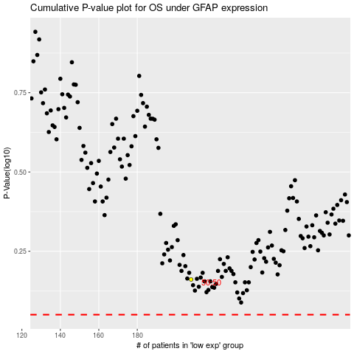

 |  |  |  |  |  | cases_OS | p_OS | rank | exp
 |  |  |  |  |  |  | cases_RFS | p_RFS | rank | exp

