GFER _multivariate
Reported by Tex Li-Hsing Chi. tex@gate.sinica.edu.tw 2019-08-19

Table 2. The clinicopathological features of HNSCC cohort and GFER expression. (Chi square test)
Cutoff at -0.221 (49.8%)
 |  | GFER expression |  | GFER expression |  | (Optimised)
 | Features | Low | (%) | High | (%) | Case no | P-value | Remark | Matthews
Gender | Female | 137 | 33 | 169 | 40.7 | 415 | 7e-04 | 1 | 0
2 | Male | 70 | 16.9 | 39 | 9.4
Age at diagnosis | <=65y | 131 | 31.6 | 143 | 34.5 | 415 | 0.2839 | 0 | 0
4 | >65y | 76 | 18.3 | 65 | 15.7
Clinical T Status | T1+T2 | 80 | 19.3 | 69 | 16.6 | 415 | 0.2891 | 0 | 0
6 | T3+T4 | 127 | 30.6 | 139 | 33.5
Clinical N Status | N0 | 113 | 27.2 | 103 | 24.8 | 415 | 0.3495 | 1 | 0
8 | N1-3 | 94 | 22.7 | 105 | 25.3
Clinical M Status | M0 | 206 | 49.6 | 206 | 49.6 | 415 | 1 | 0 | 0
10 | M1 | 1 | 0.2 | 2 | 0.5
Clinical Stage | Stage I+II | 57 | 13.7 | 45 | 10.8 | 415 | 0.1998 | 0 | 0
12 | Stage III+IV | 150 | 36.1 | 163 | 39.3
Surgical Margin status | Negative | 166 | 40 | 152 | 36.6 | 415 | 0.1042 | 0 | 0
14 | Positive | 41 | 9.9 | 56 | 13.5
Tobacco Exposure | Low | 90 | 21.7 | 71 | 17.1 | 415 | 0.0559 | 0 | 0
16 | High | 117 | 28.2 | 137 | 33

Table 3. Univariate/Multivariate Cox's proportional hazards regression analyses on OS time of GFER gene expression in HNSCC

 |  | Univariate |  |  |  | Multivariate
 | Features | HR | CI95%(L) | CI95%(H) | P-value | HR | CI95%(L) | CI95%(H) | P-value
1 | Female | 1 |  |  |  | 1
Gender | Male | 1.157 | 0.843 | 1.587 | 0.367 | 1.19 | 0.851 | 1.664 | 0.309
11 | <=65y | 1 |  |  |  | 1
Age at diagnosis | >65y | 1.329 | 0.99 | 1.784 | 0.058 | 1.389 | 1.022 | 1.889 | 0.036
12 | T1+T2 | 1 |  |  |  | 1
Clinical T Status | T3+T4 | 1.409 | 1.028 | 1.931 | 0.033 | 2.216 | 1.172 | 4.191 | 0.014
13 | N0 | 1 |  |  |  | 1
Clinical N Status | N1-3 | 1.185 | 0.89 | 1.577 | 0.246 | 1.246 | 0.873 | 1.779 | 0.225
14 | M0 | 1 |  |  |  | 1
Clinical M Status | M1 | 4.097 | 1.009 | 16.644 | 0.049 | 9.522 | 2.076 | 43.67 | 0.004
15 | Stage I+II | 1 |  |  |  | 1
Clinical Stage | Stage III+IV | 1.245 | 0.882 | 1.759 | 0.213 | 0.503 | 0.234 | 1.079 | 0.078
16 | Negative | 1 |  |  |  | 1
Surgical Margin status | Positive | 1.591 | 1.155 | 2.191 | 0.004 | 1.696 | 1.224 | 2.352 | 0.002
17 | Low | 1 |  |  |  | 1
Tobacco Exposure | High | 1.364 | 1.008 | 1.844 | 0.044 | 1.461 | 1.06 | 2.014 | 0.021
18 | Low | 1 |  |  |  | 1
RNAseq(z-score) | High | 0.983 | 0.738 | 1.309 | 0.906 | 0.911 | 0.68 | 1.22 | 0.531

Table 4. Univariate/Multivariate Cox's proportional hazards regression analyses on RFS time of GFER gene expression in HNSCC

 |  | Univariate |  |  |  | Multivariate
 | Features | HR | CI95%(L) | CI95%(H) | P-value | HR | CI95%(L) | CI95%(H) | P-value
1 | Female | 1 |  |  |  | 1
Gender | Male | 1.157 | 0.843 | 1.587 | 0.367 | 1.19 | 0.851 | 1.664 | 0.309
11 | <=65y | 1 |  |  |  | 1
Age at diagnosis | >65y | 1.329 | 0.99 | 1.784 | 0.058 | 1.389 | 1.022 | 1.889 | 0.036
12 | T1+T2 | 1 |  |  |  | 1
Clinical T Status | T3+T4 | 1.409 | 1.028 | 1.931 | 0.033 | 2.216 | 1.172 | 4.191 | 0.014
13 | N0 | 1 |  |  |  | 1
Clinical N Status | N1-3 | 1.185 | 0.89 | 1.577 | 0.246 | 1.246 | 0.873 | 1.779 | 0.225
14 | M0 | 1 |  |  |  | 1
Clinical M Status | M1 | 4.097 | 1.009 | 16.644 | 0.049 | 9.522 | 2.076 | 43.67 | 0.004
15 | Stage I+II | 1 |  |  |  | 1
Clinical Stage | Stage III+IV | 1.245 | 0.882 | 1.759 | 0.213 | 0.503 | 0.234 | 1.079 | 0.078
16 | Negative | 1 |  |  |  | 1
Surgical Margin status | Positive | 1.591 | 1.155 | 2.191 | 0.004 | 1.696 | 1.224 | 2.352 | 0.002
17 | Low | 1 |  |  |  | 1
Tobacco Exposure | High | 1.364 | 1.008 | 1.844 | 0.044 | 1.461 | 1.06 | 2.014 | 0.021
18 | Low | 1 |  |  |  | 1
RNAseq(z-score) | High | 0.983 | 0.738 | 1.309 | 0.906 | 0.911 | 0.68 | 1.22 | 0.531

Kaplan-Meier survival estimate: Cutoff at -0.221 (49.8%)



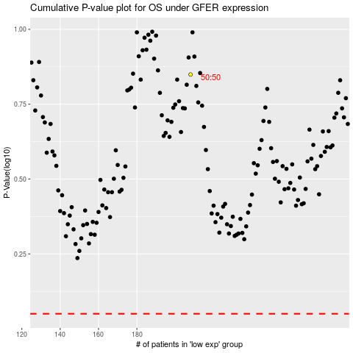

 |  |  |  |  |  | cases_OS | p_OS | rank | exp
 |  |  |  |  |  |  | cases_RFS | p_RFS | rank | exp

