GFI1 _multivariate
Reported by Tex Li-Hsing Chi. tex@gate.sinica.edu.tw 2019-08-19

Table 2. The clinicopathological features of HNSCC cohort and GFI1 expression. (Chi square test)
Cutoff at -0.25 (49.8%)
 |  | GFI1 expression |  | GFI1 expression |  | (Optimised)
 | Features | Low | (%) | High | (%) | Case no | P-value | Remark | Matthews
Gender | Female | 159 | 38.3 | 147 | 35.4 | 415 | 0.1905 | 0 | 0
2 | Male | 48 | 11.6 | 61 | 14.7
Age at diagnosis | <=65y | 144 | 34.7 | 130 | 31.3 | 415 | 0.1568 | 0 | 0
4 | >65y | 63 | 15.2 | 78 | 18.8
Clinical T Status | T1+T2 | 70 | 16.9 | 79 | 19 | 415 | 0.4343 | 0 | 0
6 | T3+T4 | 137 | 33 | 129 | 31.1
Clinical N Status | N0 | 112 | 27 | 104 | 25.1 | 415 | 0.4599 | 0 | 0
8 | N1-3 | 95 | 22.9 | 104 | 25.1
Clinical M Status | M0 | 207 | 49.9 | 205 | 49.4 | 415 | 0.2482 | 0 | 0
10 | M1 | 0 | 0 | 3 | 0.7
Clinical Stage | Stage I+II | 50 | 12 | 52 | 12.5 | 415 | 0.9315 | 0 | 0
12 | Stage III+IV | 157 | 37.8 | 156 | 37.6
Surgical Margin status | Negative | 160 | 38.6 | 158 | 38.1 | 415 | 0.8167 | 0 | 0
14 | Positive | 47 | 11.3 | 50 | 12
Tobacco Exposure | Low | 72 | 17.3 | 89 | 21.4 | 415 | 0.1071 | 0 | 0
16 | High | 135 | 32.5 | 119 | 28.7

Table 3. Univariate/Multivariate Cox's proportional hazards regression analyses on OS time of GFI1 gene expression in HNSCC

 |  | Univariate |  |  |  | Multivariate
 | Features | HR | CI95%(L) | CI95%(H) | P-value | HR | CI95%(L) | CI95%(H) | P-value
1 | Female | 1 |  |  |  | 1
Gender | Male | 1.157 | 0.843 | 1.587 | 0.367 | 1.205 | 0.862 | 1.684 | 0.275
11 | <=65y | 1 |  |  |  | 1
Age at diagnosis | >65y | 1.329 | 0.99 | 1.784 | 0.058 | 1.402 | 1.031 | 1.906 | 0.031
12 | T1+T2 | 1 |  |  |  | 1
Clinical T Status | T3+T4 | 1.409 | 1.028 | 1.931 | 0.033 | 2.2 | 1.164 | 4.161 | 0.015
13 | N0 | 1 |  |  |  | 1
Clinical N Status | N1-3 | 1.185 | 0.89 | 1.577 | 0.246 | 1.247 | 0.874 | 1.78 | 0.223
14 | M0 | 1 |  |  |  | 1
Clinical M Status | M1 | 4.097 | 1.009 | 16.644 | 0.049 | 9.942 | 2.153 | 45.918 | 0.003
15 | Stage I+II | 1 |  |  |  | 1
Clinical Stage | Stage III+IV | 1.245 | 0.882 | 1.759 | 0.213 | 0.501 | 0.233 | 1.075 | 0.076
16 | Negative | 1 |  |  |  | 1
Surgical Margin status | Positive | 1.591 | 1.155 | 2.191 | 0.004 | 1.676 | 1.213 | 2.316 | 0.002
17 | Low | 1 |  |  |  | 1
Tobacco Exposure | High | 1.364 | 1.008 | 1.844 | 0.044 | 1.447 | 1.05 | 1.994 | 0.024
18 | Low | 1 |  |  |  | 1
RNAseq(z-score) | High | 0.919 | 0.69 | 1.225 | 0.564 | 0.896 | 0.671 | 1.198 | 0.46

Table 4. Univariate/Multivariate Cox's proportional hazards regression analyses on RFS time of GFI1 gene expression in HNSCC

 |  | Univariate |  |  |  | Multivariate
 | Features | HR | CI95%(L) | CI95%(H) | P-value | HR | CI95%(L) | CI95%(H) | P-value
1 | Female | 1 |  |  |  | 1
Gender | Male | 1.157 | 0.843 | 1.587 | 0.367 | 1.205 | 0.862 | 1.684 | 0.275
11 | <=65y | 1 |  |  |  | 1
Age at diagnosis | >65y | 1.329 | 0.99 | 1.784 | 0.058 | 1.402 | 1.031 | 1.906 | 0.031
12 | T1+T2 | 1 |  |  |  | 1
Clinical T Status | T3+T4 | 1.409 | 1.028 | 1.931 | 0.033 | 2.2 | 1.164 | 4.161 | 0.015
13 | N0 | 1 |  |  |  | 1
Clinical N Status | N1-3 | 1.185 | 0.89 | 1.577 | 0.246 | 1.247 | 0.874 | 1.78 | 0.223
14 | M0 | 1 |  |  |  | 1
Clinical M Status | M1 | 4.097 | 1.009 | 16.644 | 0.049 | 9.942 | 2.153 | 45.918 | 0.003
15 | Stage I+II | 1 |  |  |  | 1
Clinical Stage | Stage III+IV | 1.245 | 0.882 | 1.759 | 0.213 | 0.501 | 0.233 | 1.075 | 0.076
16 | Negative | 1 |  |  |  | 1
Surgical Margin status | Positive | 1.591 | 1.155 | 2.191 | 0.004 | 1.676 | 1.213 | 2.316 | 0.002
17 | Low | 1 |  |  |  | 1
Tobacco Exposure | High | 1.364 | 1.008 | 1.844 | 0.044 | 1.447 | 1.05 | 1.994 | 0.024
18 | Low | 1 |  |  |  | 1
RNAseq(z-score) | High | 0.919 | 0.69 | 1.225 | 0.564 | 0.896 | 0.671 | 1.198 | 0.46

Kaplan-Meier survival estimate: Cutoff at -0.25 (49.8%)



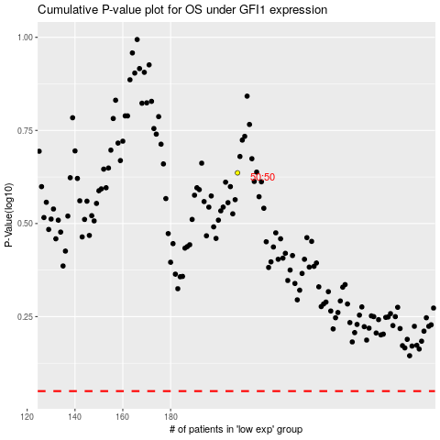

 |  |  |  |  |  | cases_OS | p_OS | rank | exp
 |  |  |  |  |  |  | cases_RFS | p_RFS | rank | exp

