GFM2 _multivariate
Reported by Tex Li-Hsing Chi. tex@gate.sinica.edu.tw 2019-08-19

Table 2. The clinicopathological features of HNSCC cohort and GFM2 expression. (Chi square test)
Cutoff at -0.242 (50.0%)
 |  | GFM2 expression |  | GFM2 expression |  | (Optimised)
 | Features | Low | (%) | High | (%) | Case no | P-value | Remark | Matthews
Gender | Female | 158 | 38.1 | 148 | 35.7 | 415 | 0.2774 | 0 | 0
2 | Male | 49 | 11.8 | 60 | 14.5
Age at diagnosis | <=65y | 144 | 34.7 | 130 | 31.3 | 415 | 0.1568 | 0 | 0
4 | >65y | 63 | 15.2 | 78 | 18.8
Clinical T Status | T1+T2 | 64 | 15.4 | 85 | 20.5 | 415 | 0.0445 | 1 | 0
6 | T3+T4 | 143 | 34.5 | 123 | 29.6
Clinical N Status | N0 | 114 | 27.5 | 102 | 24.6 | 415 | 0.2576 | 1 | 0
8 | N1-3 | 93 | 22.4 | 106 | 25.5
Clinical M Status | M0 | 206 | 49.6 | 206 | 49.6 | 415 | 1 | 0 | 0
10 | M1 | 1 | 0.2 | 2 | 0.5
Clinical Stage | Stage I+II | 49 | 11.8 | 53 | 12.8 | 415 | 0.7535 | 0 | 0
12 | Stage III+IV | 158 | 38.1 | 155 | 37.3
Surgical Margin status | Negative | 171 | 41.2 | 147 | 35.4 | 415 | 0.0052 | 1 | 0
14 | Positive | 36 | 8.7 | 61 | 14.7
Tobacco Exposure | Low | 78 | 18.8 | 83 | 20 | 415 | 0.6873 | 0 | 0
16 | High | 129 | 31.1 | 125 | 30.1

Table 3. Univariate/Multivariate Cox's proportional hazards regression analyses on OS time of GFM2 gene expression in HNSCC

 |  | Univariate |  |  |  | Multivariate
 | Features | HR | CI95%(L) | CI95%(H) | P-value | HR | CI95%(L) | CI95%(H) | P-value
1 | Female | 1 |  |  |  | 1
Gender | Male | 1.157 | 0.843 | 1.587 | 0.367 | 1.201 | 0.86 | 1.678 | 0.282
11 | <=65y | 1 |  |  |  | 1
Age at diagnosis | >65y | 1.329 | 0.99 | 1.784 | 0.058 | 1.382 | 1.015 | 1.88 | 0.04
12 | T1+T2 | 1 |  |  |  | 1
Clinical T Status | T3+T4 | 1.409 | 1.028 | 1.931 | 0.033 | 2.246 | 1.184 | 4.262 | 0.013
13 | N0 | 1 |  |  |  | 1
Clinical N Status | N1-3 | 1.185 | 0.89 | 1.577 | 0.246 | 1.23 | 0.861 | 1.757 | 0.255
14 | M0 | 1 |  |  |  | 1
Clinical M Status | M1 | 4.097 | 1.009 | 16.644 | 0.049 | 9.505 | 2.073 | 43.589 | 0.004
15 | Stage I+II | 1 |  |  |  | 1
Clinical Stage | Stage III+IV | 1.245 | 0.882 | 1.759 | 0.213 | 0.501 | 0.234 | 1.077 | 0.077
16 | Negative | 1 |  |  |  | 1
Surgical Margin status | Positive | 1.591 | 1.155 | 2.191 | 0.004 | 1.651 | 1.191 | 2.287 | 0.003
17 | Low | 1 |  |  |  | 1
Tobacco Exposure | High | 1.364 | 1.008 | 1.844 | 0.044 | 1.453 | 1.055 | 2.002 | 0.022
18 | Low | 1 |  |  |  | 1
RNAseq(z-score) | High | 1.122 | 0.842 | 1.495 | 0.433 | 1.089 | 0.811 | 1.463 | 0.571

Table 4. Univariate/Multivariate Cox's proportional hazards regression analyses on RFS time of GFM2 gene expression in HNSCC

 |  | Univariate |  |  |  | Multivariate
 | Features | HR | CI95%(L) | CI95%(H) | P-value | HR | CI95%(L) | CI95%(H) | P-value
1 | Female | 1 |  |  |  | 1
Gender | Male | 1.157 | 0.843 | 1.587 | 0.367 | 1.201 | 0.86 | 1.678 | 0.282
11 | <=65y | 1 |  |  |  | 1
Age at diagnosis | >65y | 1.329 | 0.99 | 1.784 | 0.058 | 1.382 | 1.015 | 1.88 | 0.04
12 | T1+T2 | 1 |  |  |  | 1
Clinical T Status | T3+T4 | 1.409 | 1.028 | 1.931 | 0.033 | 2.246 | 1.184 | 4.262 | 0.013
13 | N0 | 1 |  |  |  | 1
Clinical N Status | N1-3 | 1.185 | 0.89 | 1.577 | 0.246 | 1.23 | 0.861 | 1.757 | 0.255
14 | M0 | 1 |  |  |  | 1
Clinical M Status | M1 | 4.097 | 1.009 | 16.644 | 0.049 | 9.505 | 2.073 | 43.589 | 0.004
15 | Stage I+II | 1 |  |  |  | 1
Clinical Stage | Stage III+IV | 1.245 | 0.882 | 1.759 | 0.213 | 0.501 | 0.234 | 1.077 | 0.077
16 | Negative | 1 |  |  |  | 1
Surgical Margin status | Positive | 1.591 | 1.155 | 2.191 | 0.004 | 1.651 | 1.191 | 2.287 | 0.003
17 | Low | 1 |  |  |  | 1
Tobacco Exposure | High | 1.364 | 1.008 | 1.844 | 0.044 | 1.453 | 1.055 | 2.002 | 0.022
18 | Low | 1 |  |  |  | 1
RNAseq(z-score) | High | 1.122 | 0.842 | 1.495 | 0.433 | 1.089 | 0.811 | 1.463 | 0.571

Kaplan-Meier survival estimate: Cutoff at -0.242 (50.0%)



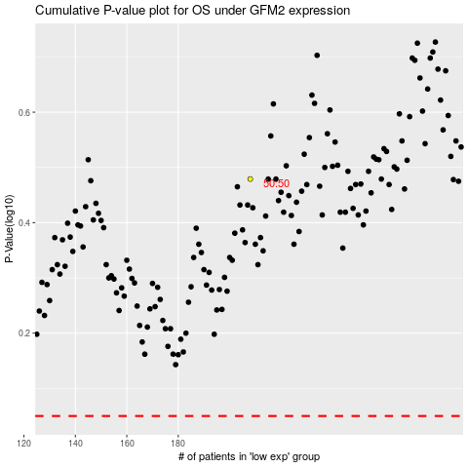

 |  |  |  |  |  | cases_OS | p_OS | rank | exp
 |  |  |  |  |  |  | cases_RFS | p_RFS | rank | exp

