GFRA3 _multivariate
Reported by Tex Li-Hsing Chi. tex@gate.sinica.edu.tw 2019-08-19

Table 2. The clinicopathological features of HNSCC cohort and GFRA3 expression. (Chi square test)
Cutoff at -0.246 (50.0%)
 |  | GFRA3 expression |  | GFRA3 expression |  | (Optimised)
 | Features | Low | (%) | High | (%) | Case no | P-value | Remark | Matthews
Gender | Female | 144 | 34.7 | 162 | 39 | 415 | 0.0697 | 0 | 0
2 | Male | 63 | 15.2 | 46 | 11.1
Age at diagnosis | <=65y | 131 | 31.6 | 143 | 34.5 | 415 | 0.2839 | 0 | 0
4 | >65y | 76 | 18.3 | 65 | 15.7
Clinical T Status | T1+T2 | 71 | 17.1 | 78 | 18.8 | 415 | 0.5638 | 0 | 0
6 | T3+T4 | 136 | 32.8 | 130 | 31.3
Clinical N Status | N0 | 115 | 27.7 | 101 | 24.3 | 415 | 0.184 | 1 | 0
8 | N1-3 | 92 | 22.2 | 107 | 25.8
Clinical M Status | M0 | 205 | 49.4 | 207 | 49.9 | 415 | 0.6232 | 0 | 0
10 | M1 | 2 | 0.5 | 1 | 0.2
Clinical Stage | Stage I+II | 51 | 12.3 | 51 | 12.3 | 415 | 1 | 0 | 0
12 | Stage III+IV | 156 | 37.6 | 157 | 37.8
Surgical Margin status | Negative | 160 | 38.6 | 158 | 38.1 | 415 | 0.8167 | 0 | 0
14 | Positive | 47 | 11.3 | 50 | 12
Tobacco Exposure | Low | 100 | 24.1 | 61 | 14.7 | 415 | 1e-04 | 1 | 0
16 | High | 107 | 25.8 | 147 | 35.4

Table 3. Univariate/Multivariate Cox's proportional hazards regression analyses on OS time of GFRA3 gene expression in HNSCC

 |  | Univariate |  |  |  | Multivariate
 | Features | HR | CI95%(L) | CI95%(H) | P-value | HR | CI95%(L) | CI95%(H) | P-value
1 | Female | 1 |  |  |  | 1
Gender | Male | 1.157 | 0.843 | 1.587 | 0.367 | 1.187 | 0.85 | 1.659 | 0.315
11 | <=65y | 1 |  |  |  | 1
Age at diagnosis | >65y | 1.329 | 0.99 | 1.784 | 0.058 | 1.398 | 1.028 | 1.901 | 0.032
12 | T1+T2 | 1 |  |  |  | 1
Clinical T Status | T3+T4 | 1.409 | 1.028 | 1.931 | 0.033 | 2.188 | 1.158 | 4.136 | 0.016
13 | N0 | 1 |  |  |  | 1
Clinical N Status | N1-3 | 1.185 | 0.89 | 1.577 | 0.246 | 1.255 | 0.88 | 1.791 | 0.21
14 | M0 | 1 |  |  |  | 1
Clinical M Status | M1 | 4.097 | 1.009 | 16.644 | 0.049 | 9.156 | 1.996 | 42.003 | 0.004
15 | Stage I+II | 1 |  |  |  | 1
Clinical Stage | Stage III+IV | 1.245 | 0.882 | 1.759 | 0.213 | 0.505 | 0.235 | 1.084 | 0.08
16 | Negative | 1 |  |  |  | 1
Surgical Margin status | Positive | 1.591 | 1.155 | 2.191 | 0.004 | 1.681 | 1.216 | 2.323 | 0.002
17 | Low | 1 |  |  |  | 1
Tobacco Exposure | High | 1.364 | 1.008 | 1.844 | 0.044 | 1.512 | 1.089 | 2.1 | 0.014
18 | Low | 1 |  |  |  | 1
RNAseq(z-score) | High | 0.909 | 0.682 | 1.212 | 0.517 | 0.84 | 0.624 | 1.131 | 0.25

Table 4. Univariate/Multivariate Cox's proportional hazards regression analyses on RFS time of GFRA3 gene expression in HNSCC

 |  | Univariate |  |  |  | Multivariate
 | Features | HR | CI95%(L) | CI95%(H) | P-value | HR | CI95%(L) | CI95%(H) | P-value
1 | Female | 1 |  |  |  | 1
Gender | Male | 1.157 | 0.843 | 1.587 | 0.367 | 1.187 | 0.85 | 1.659 | 0.315
11 | <=65y | 1 |  |  |  | 1
Age at diagnosis | >65y | 1.329 | 0.99 | 1.784 | 0.058 | 1.398 | 1.028 | 1.901 | 0.032
12 | T1+T2 | 1 |  |  |  | 1
Clinical T Status | T3+T4 | 1.409 | 1.028 | 1.931 | 0.033 | 2.188 | 1.158 | 4.136 | 0.016
13 | N0 | 1 |  |  |  | 1
Clinical N Status | N1-3 | 1.185 | 0.89 | 1.577 | 0.246 | 1.255 | 0.88 | 1.791 | 0.21
14 | M0 | 1 |  |  |  | 1
Clinical M Status | M1 | 4.097 | 1.009 | 16.644 | 0.049 | 9.156 | 1.996 | 42.003 | 0.004
15 | Stage I+II | 1 |  |  |  | 1
Clinical Stage | Stage III+IV | 1.245 | 0.882 | 1.759 | 0.213 | 0.505 | 0.235 | 1.084 | 0.08
16 | Negative | 1 |  |  |  | 1
Surgical Margin status | Positive | 1.591 | 1.155 | 2.191 | 0.004 | 1.681 | 1.216 | 2.323 | 0.002
17 | Low | 1 |  |  |  | 1
Tobacco Exposure | High | 1.364 | 1.008 | 1.844 | 0.044 | 1.512 | 1.089 | 2.1 | 0.014
18 | Low | 1 |  |  |  | 1
RNAseq(z-score) | High | 0.909 | 0.682 | 1.212 | 0.517 | 0.84 | 0.624 | 1.131 | 0.25

Kaplan-Meier survival estimate: Cutoff at -0.246 (50.0%)



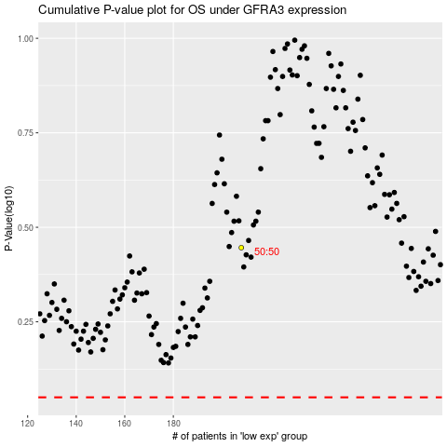

 |  |  |  |  |  | cases_OS | p_OS | rank | exp
 |  |  |  |  |  |  | cases_RFS | p_RFS | rank | exp

