GGA1 _multivariate
Reported by Tex Li-Hsing Chi. tex@gate.sinica.edu.tw 2019-08-19

Table 2. The clinicopathological features of HNSCC cohort and GGA1 expression. (Chi square test)
Cutoff at -0.207 (50.0%)
 |  | GGA1 expression |  | GGA1 expression |  | (Optimised)
 | Features | Low | (%) | High | (%) | Case no | P-value | Remark | Matthews
Gender | Female | 147 | 35.4 | 159 | 38.3 | 415 | 0.2523 | 0 | 0
2 | Male | 60 | 14.5 | 49 | 11.8
Age at diagnosis | <=65y | 133 | 32 | 141 | 34 | 415 | 0.5111 | 0 | 0
4 | >65y | 74 | 17.8 | 67 | 16.1
Clinical T Status | T1+T2 | 75 | 18.1 | 74 | 17.8 | 415 | 0.9707 | 0 | 0
6 | T3+T4 | 132 | 31.8 | 134 | 32.3
Clinical N Status | N0 | 115 | 27.7 | 101 | 24.3 | 415 | 0.184 | 1 | 0
8 | N1-3 | 92 | 22.2 | 107 | 25.8
Clinical M Status | M0 | 207 | 49.9 | 205 | 49.4 | 415 | 0.2482 | 0 | 0
10 | M1 | 0 | 0 | 3 | 0.7
Clinical Stage | Stage I+II | 58 | 14 | 44 | 10.6 | 415 | 0.131 | 0 | 0
12 | Stage III+IV | 149 | 35.9 | 164 | 39.5
Surgical Margin status | Negative | 161 | 38.8 | 157 | 37.8 | 415 | 0.6429 | 0 | 0
14 | Positive | 46 | 11.1 | 51 | 12.3
Tobacco Exposure | Low | 81 | 19.5 | 80 | 19.3 | 415 | 0.9199 | 0 | 0
16 | High | 126 | 30.4 | 128 | 30.8

Table 3. Univariate/Multivariate Cox's proportional hazards regression analyses on OS time of GGA1 gene expression in HNSCC

 |  | Univariate |  |  |  | Multivariate
 | Features | HR | CI95%(L) | CI95%(H) | P-value | HR | CI95%(L) | CI95%(H) | P-value
1 | Female | 1 |  |  |  | 1
Gender | Male | 1.157 | 0.843 | 1.587 | 0.367 | 1.196 | 0.857 | 1.671 | 0.293
11 | <=65y | 1 |  |  |  | 1
Age at diagnosis | >65y | 1.329 | 0.99 | 1.784 | 0.058 | 1.399 | 1.029 | 1.902 | 0.032
12 | T1+T2 | 1 |  |  |  | 1
Clinical T Status | T3+T4 | 1.409 | 1.028 | 1.931 | 0.033 | 2.137 | 1.129 | 4.044 | 0.02
13 | N0 | 1 |  |  |  | 1
Clinical N Status | N1-3 | 1.185 | 0.89 | 1.577 | 0.246 | 1.238 | 0.867 | 1.767 | 0.24
14 | M0 | 1 |  |  |  | 1
Clinical M Status | M1 | 4.097 | 1.009 | 16.644 | 0.049 | 10.09 | 2.192 | 46.444 | 0.003
15 | Stage I+II | 1 |  |  |  | 1
Clinical Stage | Stage III+IV | 1.245 | 0.882 | 1.759 | 0.213 | 0.526 | 0.245 | 1.133 | 0.101
16 | Negative | 1 |  |  |  | 1
Surgical Margin status | Positive | 1.591 | 1.155 | 2.191 | 0.004 | 1.672 | 1.21 | 2.309 | 0.002
17 | Low | 1 |  |  |  | 1
Tobacco Exposure | High | 1.364 | 1.008 | 1.844 | 0.044 | 1.468 | 1.064 | 2.024 | 0.019
18 | Low | 1 |  |  |  | 1
RNAseq(z-score) | High | 0.845 | 0.635 | 1.126 | 0.251 | 0.83 | 0.62 | 1.111 | 0.211

Table 4. Univariate/Multivariate Cox's proportional hazards regression analyses on RFS time of GGA1 gene expression in HNSCC

 |  | Univariate |  |  |  | Multivariate
 | Features | HR | CI95%(L) | CI95%(H) | P-value | HR | CI95%(L) | CI95%(H) | P-value
1 | Female | 1 |  |  |  | 1
Gender | Male | 1.157 | 0.843 | 1.587 | 0.367 | 1.196 | 0.857 | 1.671 | 0.293
11 | <=65y | 1 |  |  |  | 1
Age at diagnosis | >65y | 1.329 | 0.99 | 1.784 | 0.058 | 1.399 | 1.029 | 1.902 | 0.032
12 | T1+T2 | 1 |  |  |  | 1
Clinical T Status | T3+T4 | 1.409 | 1.028 | 1.931 | 0.033 | 2.137 | 1.129 | 4.044 | 0.02
13 | N0 | 1 |  |  |  | 1
Clinical N Status | N1-3 | 1.185 | 0.89 | 1.577 | 0.246 | 1.238 | 0.867 | 1.767 | 0.24
14 | M0 | 1 |  |  |  | 1
Clinical M Status | M1 | 4.097 | 1.009 | 16.644 | 0.049 | 10.09 | 2.192 | 46.444 | 0.003
15 | Stage I+II | 1 |  |  |  | 1
Clinical Stage | Stage III+IV | 1.245 | 0.882 | 1.759 | 0.213 | 0.526 | 0.245 | 1.133 | 0.101
16 | Negative | 1 |  |  |  | 1
Surgical Margin status | Positive | 1.591 | 1.155 | 2.191 | 0.004 | 1.672 | 1.21 | 2.309 | 0.002
17 | Low | 1 |  |  |  | 1
Tobacco Exposure | High | 1.364 | 1.008 | 1.844 | 0.044 | 1.468 | 1.064 | 2.024 | 0.019
18 | Low | 1 |  |  |  | 1
RNAseq(z-score) | High | 0.845 | 0.635 | 1.126 | 0.251 | 0.83 | 0.62 | 1.111 | 0.211

Kaplan-Meier survival estimate: Cutoff at -0.207 (50.0%)



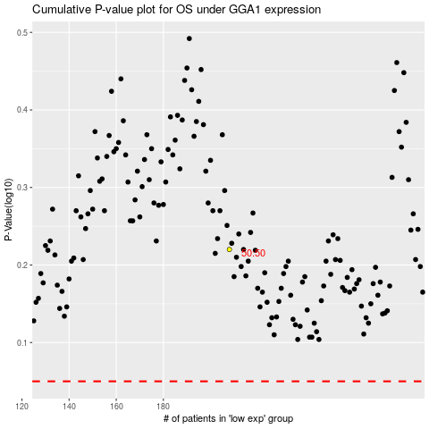

 |  |  |  |  |  | cases_OS | p_OS | rank | exp
 |  |  |  |  |  |  | cases_RFS | p_RFS | rank | exp

