GGA2 _multivariate
Reported by Tex Li-Hsing Chi. tex@gate.sinica.edu.tw 2019-08-19

Table 2. The clinicopathological features of HNSCC cohort and GGA2 expression. (Chi square test)
Cutoff at -0.016 (69.8%)
 |  | GGA2 expression |  | GGA2 expression |  | (Optimised)
 | Features | Low | (%) | High | (%) | Case no | P-value | Remark | Matthews
Gender | Female | 199 | 48 | 107 | 25.8 | 415 | 5e-04 | 1 | 0
2 | Male | 91 | 21.9 | 18 | 4.3
Age at diagnosis | <=65y | 179 | 43.1 | 95 | 22.9 | 415 | 0.0068 | 1 | 0
4 | >65y | 111 | 26.7 | 30 | 7.2
Clinical T Status | T1+T2 | 101 | 24.3 | 48 | 11.6 | 415 | 0.5589 | 0 | 0
6 | T3+T4 | 189 | 45.5 | 77 | 18.6
Clinical N Status | N0 | 155 | 37.3 | 61 | 14.7 | 415 | 0.4458 | 0 | 0
8 | N1-3 | 135 | 32.5 | 64 | 15.4
Clinical M Status | M0 | 287 | 69.2 | 125 | 30.1 | 415 | 0.5571 | 0 | 0
10 | M1 | 3 | 0.7 | 0 | 0
Clinical Stage | Stage I+II | 79 | 19 | 23 | 5.5 | 415 | 0.0727 | 0 | 0
12 | Stage III+IV | 211 | 50.8 | 102 | 24.6
Surgical Margin status | Negative | 224 | 54 | 94 | 22.7 | 415 | 0.7047 | 0 | 0
14 | Positive | 66 | 15.9 | 31 | 7.5
Tobacco Exposure | Low | 123 | 29.6 | 38 | 9.2 | 415 | 0.0216 | 1 | 0
16 | High | 167 | 40.2 | 87 | 21

Table 3. Univariate/Multivariate Cox's proportional hazards regression analyses on OS time of GGA2 gene expression in HNSCC

 |  | Univariate |  |  |  | Multivariate
 | Features | HR | CI95%(L) | CI95%(H) | P-value | HR | CI95%(L) | CI95%(H) | P-value
1 | Female | 1 |  |  |  | 1
Gender | Male | 1.157 | 0.843 | 1.587 | 0.367 | 1.132 | 0.805 | 1.591 | 0.476
11 | <=65y | 1 |  |  |  | 1
Age at diagnosis | >65y | 1.329 | 0.99 | 1.784 | 0.058 | 1.37 | 1.007 | 1.864 | 0.045
12 | T1+T2 | 1 |  |  |  | 1
Clinical T Status | T3+T4 | 1.409 | 1.028 | 1.931 | 0.033 | 2.027 | 1.065 | 3.859 | 0.031
13 | N0 | 1 |  |  |  | 1
Clinical N Status | N1-3 | 1.185 | 0.89 | 1.577 | 0.246 | 1.22 | 0.854 | 1.742 | 0.274
14 | M0 | 1 |  |  |  | 1
Clinical M Status | M1 | 4.097 | 1.009 | 16.644 | 0.049 | 7.894 | 1.704 | 36.577 | 0.008
15 | Stage I+II | 1 |  |  |  | 1
Clinical Stage | Stage III+IV | 1.245 | 0.882 | 1.759 | 0.213 | 0.567 | 0.261 | 1.23 | 0.151
16 | Negative | 1 |  |  |  | 1
Surgical Margin status | Positive | 1.591 | 1.155 | 2.191 | 0.004 | 1.686 | 1.22 | 2.33 | 0.002
17 | Low | 1 |  |  |  | 1
Tobacco Exposure | High | 1.364 | 1.008 | 1.844 | 0.044 | 1.481 | 1.073 | 2.044 | 0.017
18 | Low | 1 |  |  |  | 1
RNAseq(z-score) | High | 0.695 | 0.499 | 0.968 | 0.032 | 0.733 | 0.518 | 1.037 | 0.079

Table 4. Univariate/Multivariate Cox's proportional hazards regression analyses on RFS time of GGA2 gene expression in HNSCC

 |  | Univariate |  |  |  | Multivariate
 | Features | HR | CI95%(L) | CI95%(H) | P-value | HR | CI95%(L) | CI95%(H) | P-value
1 | Female | 1 |  |  |  | 1
Gender | Male | 1.157 | 0.843 | 1.587 | 0.367 | 1.132 | 0.805 | 1.591 | 0.476
11 | <=65y | 1 |  |  |  | 1
Age at diagnosis | >65y | 1.329 | 0.99 | 1.784 | 0.058 | 1.37 | 1.007 | 1.864 | 0.045
12 | T1+T2 | 1 |  |  |  | 1
Clinical T Status | T3+T4 | 1.409 | 1.028 | 1.931 | 0.033 | 2.027 | 1.065 | 3.859 | 0.031
13 | N0 | 1 |  |  |  | 1
Clinical N Status | N1-3 | 1.185 | 0.89 | 1.577 | 0.246 | 1.22 | 0.854 | 1.742 | 0.274
14 | M0 | 1 |  |  |  | 1
Clinical M Status | M1 | 4.097 | 1.009 | 16.644 | 0.049 | 7.894 | 1.704 | 36.577 | 0.008
15 | Stage I+II | 1 |  |  |  | 1
Clinical Stage | Stage III+IV | 1.245 | 0.882 | 1.759 | 0.213 | 0.567 | 0.261 | 1.23 | 0.151
16 | Negative | 1 |  |  |  | 1
Surgical Margin status | Positive | 1.591 | 1.155 | 2.191 | 0.004 | 1.686 | 1.22 | 2.33 | 0.002
17 | Low | 1 |  |  |  | 1
Tobacco Exposure | High | 1.364 | 1.008 | 1.844 | 0.044 | 1.481 | 1.073 | 2.044 | 0.017
18 | Low | 1 |  |  |  | 1
RNAseq(z-score) | High | 0.695 | 0.499 | 0.968 | 0.032 | 0.733 | 0.518 | 1.037 | 0.079

Kaplan-Meier survival estimate: Cutoff at -0.016 (69.8%)



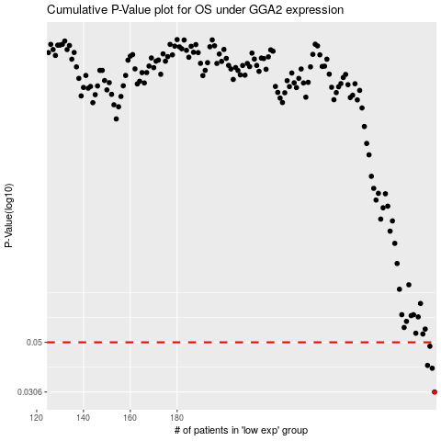

 |  |  |  |  |  | cases_OS | p_OS | rank | exp
 |  |  |  |  |  | 290 | 0.0306 | 291 | -0.016452549629
 |  |  |  |  |  | 289 | 0.0387 | 405 | -0.017549404551
 |  |  |  |  |  | 287 | 0.0398 | 324 | -0.021618728527
 |  |  |  |  |  | 288 | 0.0481 | 249 | -0.021292414403
 |  |  |  |  |  |  | cases_RFS | p_RFS | rank | exp
 |  |  |  |  |  |  | 289 | 0.0306 | 405 | -0.017549404551
 |  |  |  |  |  |  | 288 | 0.0387 | 249 | -0.021292414403
 |  |  |  |  |  |  | 286 | 0.0398 | 241 | -0.023372191135
 |  |  |  |  |  |  | 287 | 0.0481 | 324 | -0.021618728527

