GGNBP2 _multivariate
Reported by Tex Li-Hsing Chi. tex@gate.sinica.edu.tw 2019-08-19

Table 2. The clinicopathological features of HNSCC cohort and GGNBP2 expression. (Chi square test)
Cutoff at -0.106 (50.0%)
 |  | GGNBP2 expression |  | GGNBP2 expression |  | (Optimised)
 | Features | Low | (%) | High | (%) | Case no | P-value | Remark | Matthews
Gender | Female | 152 | 36.6 | 154 | 37.1 | 415 | 0.9766 | 0 | 0
2 | Male | 55 | 13.3 | 54 | 13
Age at diagnosis | <=65y | 134 | 32.3 | 140 | 33.7 | 415 | 0.6529 | 0 | 0
4 | >65y | 73 | 17.6 | 68 | 16.4
Clinical T Status | T1+T2 | 67 | 16.1 | 82 | 19.8 | 415 | 0.1628 | 0 | 0
6 | T3+T4 | 140 | 33.7 | 126 | 30.4
Clinical N Status | N0 | 108 | 26 | 108 | 26 | 415 | 1 | 0 | 0
8 | N1-3 | 99 | 23.9 | 100 | 24.1
Clinical M Status | M0 | 206 | 49.6 | 206 | 49.6 | 415 | 1 | 0 | 0
10 | M1 | 1 | 0.2 | 2 | 0.5
Clinical Stage | Stage I+II | 47 | 11.3 | 55 | 13.3 | 415 | 0.4413 | 0 | 0
12 | Stage III+IV | 160 | 38.6 | 153 | 36.9
Surgical Margin status | Negative | 166 | 40 | 152 | 36.6 | 415 | 0.1042 | 0 | 0
14 | Positive | 41 | 9.9 | 56 | 13.5
Tobacco Exposure | Low | 86 | 20.7 | 75 | 18.1 | 415 | 0.2687 | 0 | 0
16 | High | 121 | 29.2 | 133 | 32

Table 3. Univariate/Multivariate Cox's proportional hazards regression analyses on OS time of GGNBP2 gene expression in HNSCC

 |  | Univariate |  |  |  | Multivariate
 | Features | HR | CI95%(L) | CI95%(H) | P-value | HR | CI95%(L) | CI95%(H) | P-value
1 | Female | 1 |  |  |  | 1
Gender | Male | 1.157 | 0.843 | 1.587 | 0.367 | 1.19 | 0.851 | 1.664 | 0.31
11 | <=65y | 1 |  |  |  | 1
Age at diagnosis | >65y | 1.329 | 0.99 | 1.784 | 0.058 | 1.392 | 1.024 | 1.891 | 0.034
12 | T1+T2 | 1 |  |  |  | 1
Clinical T Status | T3+T4 | 1.409 | 1.028 | 1.931 | 0.033 | 2.206 | 1.167 | 4.169 | 0.015
13 | N0 | 1 |  |  |  | 1
Clinical N Status | N1-3 | 1.185 | 0.89 | 1.577 | 0.246 | 1.247 | 0.874 | 1.78 | 0.223
14 | M0 | 1 |  |  |  | 1
Clinical M Status | M1 | 4.097 | 1.009 | 16.644 | 0.049 | 9.498 | 2.071 | 43.558 | 0.004
15 | Stage I+II | 1 |  |  |  | 1
Clinical Stage | Stage III+IV | 1.245 | 0.882 | 1.759 | 0.213 | 0.499 | 0.233 | 1.072 | 0.075
16 | Negative | 1 |  |  |  | 1
Surgical Margin status | Positive | 1.591 | 1.155 | 2.191 | 0.004 | 1.689 | 1.221 | 2.335 | 0.002
17 | Low | 1 |  |  |  | 1
Tobacco Exposure | High | 1.364 | 1.008 | 1.844 | 0.044 | 1.461 | 1.06 | 2.013 | 0.02
18 | Low | 1 |  |  |  | 1
RNAseq(z-score) | High | 0.899 | 0.675 | 1.197 | 0.466 | 0.884 | 0.662 | 1.18 | 0.402

Table 4. Univariate/Multivariate Cox's proportional hazards regression analyses on RFS time of GGNBP2 gene expression in HNSCC

 |  | Univariate |  |  |  | Multivariate
 | Features | HR | CI95%(L) | CI95%(H) | P-value | HR | CI95%(L) | CI95%(H) | P-value
1 | Female | 1 |  |  |  | 1
Gender | Male | 1.157 | 0.843 | 1.587 | 0.367 | 1.19 | 0.851 | 1.664 | 0.31
11 | <=65y | 1 |  |  |  | 1
Age at diagnosis | >65y | 1.329 | 0.99 | 1.784 | 0.058 | 1.392 | 1.024 | 1.891 | 0.034
12 | T1+T2 | 1 |  |  |  | 1
Clinical T Status | T3+T4 | 1.409 | 1.028 | 1.931 | 0.033 | 2.206 | 1.167 | 4.169 | 0.015
13 | N0 | 1 |  |  |  | 1
Clinical N Status | N1-3 | 1.185 | 0.89 | 1.577 | 0.246 | 1.247 | 0.874 | 1.78 | 0.223
14 | M0 | 1 |  |  |  | 1
Clinical M Status | M1 | 4.097 | 1.009 | 16.644 | 0.049 | 9.498 | 2.071 | 43.558 | 0.004
15 | Stage I+II | 1 |  |  |  | 1
Clinical Stage | Stage III+IV | 1.245 | 0.882 | 1.759 | 0.213 | 0.499 | 0.233 | 1.072 | 0.075
16 | Negative | 1 |  |  |  | 1
Surgical Margin status | Positive | 1.591 | 1.155 | 2.191 | 0.004 | 1.689 | 1.221 | 2.335 | 0.002
17 | Low | 1 |  |  |  | 1
Tobacco Exposure | High | 1.364 | 1.008 | 1.844 | 0.044 | 1.461 | 1.06 | 2.013 | 0.02
18 | Low | 1 |  |  |  | 1
RNAseq(z-score) | High | 0.899 | 0.675 | 1.197 | 0.466 | 0.884 | 0.662 | 1.18 | 0.402

Kaplan-Meier survival estimate: Cutoff at -0.106 (50.0%)



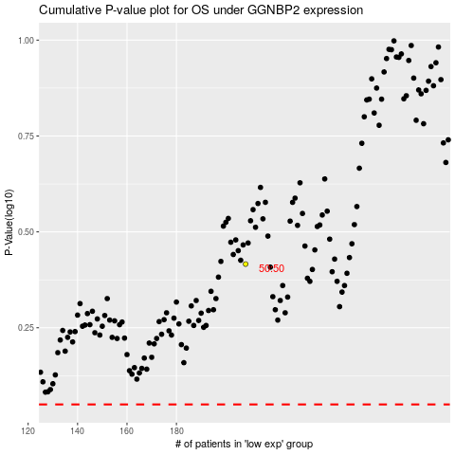

 |  |  |  |  |  | cases_OS | p_OS | rank | exp
 |  |  |  |  |  |  | cases_RFS | p_RFS | rank | exp

