GGTLC1 _multivariate
Reported by Tex Li-Hsing Chi. tex@gate.sinica.edu.tw 2019-08-19

Table 2. The clinicopathological features of HNSCC cohort and GGTLC1 expression. (Chi square test)
Cutoff at -0.26 (50.0%)
 |  | GGTLC1 expression |  | GGTLC1 expression |  | (Optimised)
 | Features | Low | (%) | High | (%) | Case no | P-value | Remark | Matthews
Gender | Female | 153 | 36.9 | 153 | 36.9 | 415 | 1 | 0 | 0
2 | Male | 54 | 13 | 55 | 13.3
Age at diagnosis | <=65y | 137 | 33 | 137 | 33 | 415 | 1 | 0 | 0
4 | >65y | 70 | 16.9 | 71 | 17.1
Clinical T Status | T1+T2 | 77 | 18.6 | 72 | 17.3 | 415 | 0.6556 | 0 | 0
6 | T3+T4 | 130 | 31.3 | 136 | 32.8
Clinical N Status | N0 | 108 | 26 | 108 | 26 | 415 | 1 | 0 | 0
8 | N1-3 | 99 | 23.9 | 100 | 24.1
Clinical M Status | M0 | 206 | 49.6 | 206 | 49.6 | 415 | 1 | 0 | 0
10 | M1 | 1 | 0.2 | 2 | 0.5
Clinical Stage | Stage I+II | 56 | 13.5 | 46 | 11.1 | 415 | 0.2918 | 0 | 0
12 | Stage III+IV | 151 | 36.4 | 162 | 39
Surgical Margin status | Negative | 157 | 37.8 | 161 | 38.8 | 415 | 0.729 | 0 | 0
14 | Positive | 50 | 12 | 47 | 11.3
Tobacco Exposure | Low | 79 | 19 | 82 | 19.8 | 415 | 0.8405 | 0 | 0
16 | High | 128 | 30.8 | 126 | 30.4

Table 3. Univariate/Multivariate Cox's proportional hazards regression analyses on OS time of GGTLC1 gene expression in HNSCC

 |  | Univariate |  |  |  | Multivariate
 | Features | HR | CI95%(L) | CI95%(H) | P-value | HR | CI95%(L) | CI95%(H) | P-value
1 | Female | 1 |  |  |  | 1
Gender | Male | 1.157 | 0.843 | 1.587 | 0.367 | 1.225 | 0.876 | 1.714 | 0.235
11 | <=65y | 1 |  |  |  | 1
Age at diagnosis | >65y | 1.329 | 0.99 | 1.784 | 0.058 | 1.385 | 1.019 | 1.883 | 0.038
12 | T1+T2 | 1 |  |  |  | 1
Clinical T Status | T3+T4 | 1.409 | 1.028 | 1.931 | 0.033 | 2.173 | 1.15 | 4.107 | 0.017
13 | N0 | 1 |  |  |  | 1
Clinical N Status | N1-3 | 1.185 | 0.89 | 1.577 | 0.246 | 1.222 | 0.857 | 1.744 | 0.269
14 | M0 | 1 |  |  |  | 1
Clinical M Status | M1 | 4.097 | 1.009 | 16.644 | 0.049 | 10.157 | 2.21 | 46.68 | 0.003
15 | Stage I+II | 1 |  |  |  | 1
Clinical Stage | Stage III+IV | 1.245 | 0.882 | 1.759 | 0.213 | 0.527 | 0.245 | 1.134 | 0.101
16 | Negative | 1 |  |  |  | 1
Surgical Margin status | Positive | 1.591 | 1.155 | 2.191 | 0.004 | 1.681 | 1.216 | 2.324 | 0.002
17 | Low | 1 |  |  |  | 1
Tobacco Exposure | High | 1.364 | 1.008 | 1.844 | 0.044 | 1.474 | 1.068 | 2.033 | 0.018
18 | Low | 1 |  |  |  | 1
RNAseq(z-score) | High | 0.805 | 0.604 | 1.074 | 0.141 | 0.77 | 0.575 | 1.031 | 0.079

Table 4. Univariate/Multivariate Cox's proportional hazards regression analyses on RFS time of GGTLC1 gene expression in HNSCC

 |  | Univariate |  |  |  | Multivariate
 | Features | HR | CI95%(L) | CI95%(H) | P-value | HR | CI95%(L) | CI95%(H) | P-value
1 | Female | 1 |  |  |  | 1
Gender | Male | 1.157 | 0.843 | 1.587 | 0.367 | 1.225 | 0.876 | 1.714 | 0.235
11 | <=65y | 1 |  |  |  | 1
Age at diagnosis | >65y | 1.329 | 0.99 | 1.784 | 0.058 | 1.385 | 1.019 | 1.883 | 0.038
12 | T1+T2 | 1 |  |  |  | 1
Clinical T Status | T3+T4 | 1.409 | 1.028 | 1.931 | 0.033 | 2.173 | 1.15 | 4.107 | 0.017
13 | N0 | 1 |  |  |  | 1
Clinical N Status | N1-3 | 1.185 | 0.89 | 1.577 | 0.246 | 1.222 | 0.857 | 1.744 | 0.269
14 | M0 | 1 |  |  |  | 1
Clinical M Status | M1 | 4.097 | 1.009 | 16.644 | 0.049 | 10.157 | 2.21 | 46.68 | 0.003
15 | Stage I+II | 1 |  |  |  | 1
Clinical Stage | Stage III+IV | 1.245 | 0.882 | 1.759 | 0.213 | 0.527 | 0.245 | 1.134 | 0.101
16 | Negative | 1 |  |  |  | 1
Surgical Margin status | Positive | 1.591 | 1.155 | 2.191 | 0.004 | 1.681 | 1.216 | 2.324 | 0.002
17 | Low | 1 |  |  |  | 1
Tobacco Exposure | High | 1.364 | 1.008 | 1.844 | 0.044 | 1.474 | 1.068 | 2.033 | 0.018
18 | Low | 1 |  |  |  | 1
RNAseq(z-score) | High | 0.805 | 0.604 | 1.074 | 0.141 | 0.77 | 0.575 | 1.031 | 0.079

Kaplan-Meier survival estimate: Cutoff at -0.26 (50.0%)



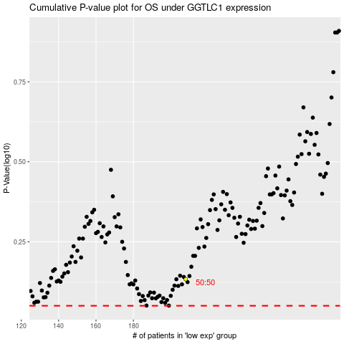

 |  |  |  |  |  | cases_OS | p_OS | rank | exp
 |  |  |  |  |  |  | cases_RFS | p_RFS | rank | exp

