GGTLC2 _multivariate
Reported by Tex Li-Hsing Chi. tex@gate.sinica.edu.tw 2019-08-19

Table 2. The clinicopathological features of HNSCC cohort and GGTLC2 expression. (Chi square test)
Cutoff at -0.258 (50.0%)
 |  | GGTLC2 expression |  | GGTLC2 expression |  | (Optimised)
 | Features | Low | (%) | High | (%) | Case no | P-value | Remark | Matthews
Gender | Female | 150 | 36.1 | 156 | 37.6 | 415 | 0.6344 | 0 | 0
2 | Male | 57 | 13.7 | 52 | 12.5
Age at diagnosis | <=65y | 137 | 33 | 137 | 33 | 415 | 1 | 0 | 0
4 | >65y | 70 | 16.9 | 71 | 17.1
Clinical T Status | T1+T2 | 82 | 19.8 | 67 | 16.1 | 415 | 0.1417 | 0 | 0
6 | T3+T4 | 125 | 30.1 | 141 | 34
Clinical N Status | N0 | 103 | 24.8 | 113 | 27.2 | 415 | 0.4047 | 0 | 0
8 | N1-3 | 104 | 25.1 | 95 | 22.9
Clinical M Status | M0 | 206 | 49.6 | 206 | 49.6 | 415 | 1 | 0 | 0
10 | M1 | 1 | 0.2 | 2 | 0.5
Clinical Stage | Stage I+II | 55 | 13.3 | 47 | 11.3 | 415 | 0.4087 | 0 | 0
12 | Stage III+IV | 152 | 36.6 | 161 | 38.8
Surgical Margin status | Negative | 161 | 38.8 | 157 | 37.8 | 415 | 0.6429 | 0 | 0
14 | Positive | 46 | 11.1 | 51 | 12.3
Tobacco Exposure | Low | 83 | 20 | 78 | 18.8 | 415 | 0.6152 | 0 | 0
16 | High | 124 | 29.9 | 130 | 31.3

Table 3. Univariate/Multivariate Cox's proportional hazards regression analyses on OS time of GGTLC2 gene expression in HNSCC

 |  | Univariate |  |  |  | Multivariate
 | Features | HR | CI95%(L) | CI95%(H) | P-value | HR | CI95%(L) | CI95%(H) | P-value
1 | Female | 1 |  |  |  | 1
Gender | Male | 1.157 | 0.843 | 1.587 | 0.367 | 1.211 | 0.866 | 1.695 | 0.264
11 | <=65y | 1 |  |  |  | 1
Age at diagnosis | >65y | 1.329 | 0.99 | 1.784 | 0.058 | 1.372 | 1.009 | 1.867 | 0.044
12 | T1+T2 | 1 |  |  |  | 1
Clinical T Status | T3+T4 | 1.409 | 1.028 | 1.931 | 0.033 | 2.258 | 1.193 | 4.271 | 0.012
13 | N0 | 1 |  |  |  | 1
Clinical N Status | N1-3 | 1.185 | 0.89 | 1.577 | 0.246 | 1.229 | 0.861 | 1.754 | 0.255
14 | M0 | 1 |  |  |  | 1
Clinical M Status | M1 | 4.097 | 1.009 | 16.644 | 0.049 | 10.324 | 2.241 | 47.562 | 0.003
15 | Stage I+II | 1 |  |  |  | 1
Clinical Stage | Stage III+IV | 1.245 | 0.882 | 1.759 | 0.213 | 0.5 | 0.233 | 1.074 | 0.076
16 | Negative | 1 |  |  |  | 1
Surgical Margin status | Positive | 1.591 | 1.155 | 2.191 | 0.004 | 1.687 | 1.221 | 2.331 | 0.002
17 | Low | 1 |  |  |  | 1
Tobacco Exposure | High | 1.364 | 1.008 | 1.844 | 0.044 | 1.488 | 1.078 | 2.054 | 0.016
18 | Low | 1 |  |  |  | 1
RNAseq(z-score) | High | 0.85 | 0.637 | 1.135 | 0.271 | 0.798 | 0.595 | 1.069 | 0.13

Table 4. Univariate/Multivariate Cox's proportional hazards regression analyses on RFS time of GGTLC2 gene expression in HNSCC

 |  | Univariate |  |  |  | Multivariate
 | Features | HR | CI95%(L) | CI95%(H) | P-value | HR | CI95%(L) | CI95%(H) | P-value
1 | Female | 1 |  |  |  | 1
Gender | Male | 1.157 | 0.843 | 1.587 | 0.367 | 1.211 | 0.866 | 1.695 | 0.264
11 | <=65y | 1 |  |  |  | 1
Age at diagnosis | >65y | 1.329 | 0.99 | 1.784 | 0.058 | 1.372 | 1.009 | 1.867 | 0.044
12 | T1+T2 | 1 |  |  |  | 1
Clinical T Status | T3+T4 | 1.409 | 1.028 | 1.931 | 0.033 | 2.258 | 1.193 | 4.271 | 0.012
13 | N0 | 1 |  |  |  | 1
Clinical N Status | N1-3 | 1.185 | 0.89 | 1.577 | 0.246 | 1.229 | 0.861 | 1.754 | 0.255
14 | M0 | 1 |  |  |  | 1
Clinical M Status | M1 | 4.097 | 1.009 | 16.644 | 0.049 | 10.324 | 2.241 | 47.562 | 0.003
15 | Stage I+II | 1 |  |  |  | 1
Clinical Stage | Stage III+IV | 1.245 | 0.882 | 1.759 | 0.213 | 0.5 | 0.233 | 1.074 | 0.076
16 | Negative | 1 |  |  |  | 1
Surgical Margin status | Positive | 1.591 | 1.155 | 2.191 | 0.004 | 1.687 | 1.221 | 2.331 | 0.002
17 | Low | 1 |  |  |  | 1
Tobacco Exposure | High | 1.364 | 1.008 | 1.844 | 0.044 | 1.488 | 1.078 | 2.054 | 0.016
18 | Low | 1 |  |  |  | 1
RNAseq(z-score) | High | 0.85 | 0.637 | 1.135 | 0.271 | 0.798 | 0.595 | 1.069 | 0.13

Kaplan-Meier survival estimate: Cutoff at -0.258 (50.0%)



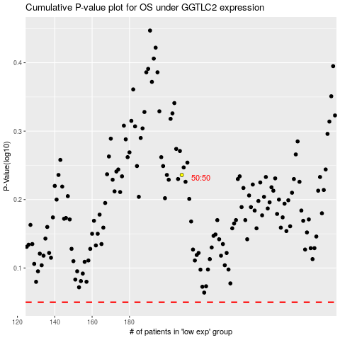

 |  |  |  |  |  | cases_OS | p_OS | rank | exp
 |  |  |  |  |  |  | cases_RFS | p_RFS | rank | exp

