GHR _multivariate
Reported by Tex Li-Hsing Chi. tex@gate.sinica.edu.tw 2019-08-19

Table 2. The clinicopathological features of HNSCC cohort and GHR expression. (Chi square test)
Cutoff at -0.304 (49.8%)
 |  | GHR expression |  | GHR expression |  | (Optimised)
 | Features | Low | (%) | High | (%) | Case no | P-value | Remark | Matthews
Gender | Female | 155 | 37.3 | 151 | 36.4 | 415 | 0.6768 | 0 | 0
2 | Male | 52 | 12.5 | 57 | 13.7
Age at diagnosis | <=65y | 142 | 34.2 | 132 | 31.8 | 415 | 0.3167 | 0 | 0
4 | >65y | 65 | 15.7 | 76 | 18.3
Clinical T Status | T1+T2 | 67 | 16.1 | 82 | 19.8 | 415 | 0.1628 | 0 | 0
6 | T3+T4 | 140 | 33.7 | 126 | 30.4
Clinical N Status | N0 | 103 | 24.8 | 113 | 27.2 | 415 | 0.4047 | 0 | 0
8 | N1-3 | 104 | 25.1 | 95 | 22.9
Clinical M Status | M0 | 206 | 49.6 | 206 | 49.6 | 415 | 1 | 0 | 0
10 | M1 | 1 | 0.2 | 2 | 0.5
Clinical Stage | Stage I+II | 45 | 10.8 | 57 | 13.7 | 415 | 0.2202 | 0 | 0
12 | Stage III+IV | 162 | 39 | 151 | 36.4
Surgical Margin status | Negative | 158 | 38.1 | 160 | 38.6 | 415 | 0.9081 | 0 | 0
14 | Positive | 49 | 11.8 | 48 | 11.6
Tobacco Exposure | Low | 78 | 18.8 | 83 | 20 | 415 | 0.6873 | 0 | 0
16 | High | 129 | 31.1 | 125 | 30.1

Table 3. Univariate/Multivariate Cox's proportional hazards regression analyses on OS time of GHR gene expression in HNSCC

 |  | Univariate |  |  |  | Multivariate
 | Features | HR | CI95%(L) | CI95%(H) | P-value | HR | CI95%(L) | CI95%(H) | P-value
1 | Female | 1 |  |  |  | 1
Gender | Male | 1.157 | 0.843 | 1.587 | 0.367 | 1.207 | 0.864 | 1.686 | 0.27
11 | <=65y | 1 |  |  |  | 1
Age at diagnosis | >65y | 1.329 | 0.99 | 1.784 | 0.058 | 1.385 | 1.018 | 1.883 | 0.038
12 | T1+T2 | 1 |  |  |  | 1
Clinical T Status | T3+T4 | 1.409 | 1.028 | 1.931 | 0.033 | 2.209 | 1.168 | 4.178 | 0.015
13 | N0 | 1 |  |  |  | 1
Clinical N Status | N1-3 | 1.185 | 0.89 | 1.577 | 0.246 | 1.244 | 0.872 | 1.775 | 0.228
14 | M0 | 1 |  |  |  | 1
Clinical M Status | M1 | 4.097 | 1.009 | 16.644 | 0.049 | 9.194 | 2.001 | 42.238 | 0.004
15 | Stage I+II | 1 |  |  |  | 1
Clinical Stage | Stage III+IV | 1.245 | 0.882 | 1.759 | 0.213 | 0.503 | 0.234 | 1.08 | 0.078
16 | Negative | 1 |  |  |  | 1
Surgical Margin status | Positive | 1.591 | 1.155 | 2.191 | 0.004 | 1.669 | 1.208 | 2.307 | 0.002
17 | Low | 1 |  |  |  | 1
Tobacco Exposure | High | 1.364 | 1.008 | 1.844 | 0.044 | 1.455 | 1.056 | 2.004 | 0.022
18 | Low | 1 |  |  |  | 1
RNAseq(z-score) | High | 1.084 | 0.812 | 1.448 | 0.585 | 1.085 | 0.811 | 1.452 | 0.582

Table 4. Univariate/Multivariate Cox's proportional hazards regression analyses on RFS time of GHR gene expression in HNSCC

 |  | Univariate |  |  |  | Multivariate
 | Features | HR | CI95%(L) | CI95%(H) | P-value | HR | CI95%(L) | CI95%(H) | P-value
1 | Female | 1 |  |  |  | 1
Gender | Male | 1.157 | 0.843 | 1.587 | 0.367 | 1.207 | 0.864 | 1.686 | 0.27
11 | <=65y | 1 |  |  |  | 1
Age at diagnosis | >65y | 1.329 | 0.99 | 1.784 | 0.058 | 1.385 | 1.018 | 1.883 | 0.038
12 | T1+T2 | 1 |  |  |  | 1
Clinical T Status | T3+T4 | 1.409 | 1.028 | 1.931 | 0.033 | 2.209 | 1.168 | 4.178 | 0.015
13 | N0 | 1 |  |  |  | 1
Clinical N Status | N1-3 | 1.185 | 0.89 | 1.577 | 0.246 | 1.244 | 0.872 | 1.775 | 0.228
14 | M0 | 1 |  |  |  | 1
Clinical M Status | M1 | 4.097 | 1.009 | 16.644 | 0.049 | 9.194 | 2.001 | 42.238 | 0.004
15 | Stage I+II | 1 |  |  |  | 1
Clinical Stage | Stage III+IV | 1.245 | 0.882 | 1.759 | 0.213 | 0.503 | 0.234 | 1.08 | 0.078
16 | Negative | 1 |  |  |  | 1
Surgical Margin status | Positive | 1.591 | 1.155 | 2.191 | 0.004 | 1.669 | 1.208 | 2.307 | 0.002
17 | Low | 1 |  |  |  | 1
Tobacco Exposure | High | 1.364 | 1.008 | 1.844 | 0.044 | 1.455 | 1.056 | 2.004 | 0.022
18 | Low | 1 |  |  |  | 1
RNAseq(z-score) | High | 1.084 | 0.812 | 1.448 | 0.585 | 1.085 | 0.811 | 1.452 | 0.582

Kaplan-Meier survival estimate: Cutoff at -0.304 (49.8%)



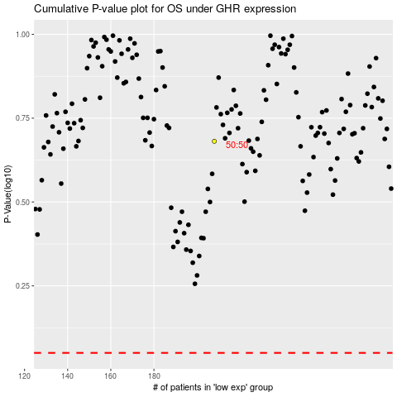

 |  |  |  |  |  | cases_OS | p_OS | rank | exp
 |  |  |  |  |  |  | cases_RFS | p_RFS | rank | exp

