GIMAP2 _multivariate
Reported by Tex Li-Hsing Chi. tex@gate.sinica.edu.tw 2019-08-19

Table 2. The clinicopathological features of HNSCC cohort and GIMAP2 expression. (Chi square test)
Cutoff at 0.269 (69.3%)
 |  | GIMAP2 expression |  | GIMAP2 expression |  | (Optimised)
 | Features | Low | (%) | High | (%) | Case no | P-value | Remark | Matthews
Gender | Female | 221 | 53.3 | 85 | 20.5 | 415 | 0.0487 | 1 | 0
2 | Male | 67 | 16.1 | 42 | 10.1
Age at diagnosis | <=65y | 197 | 47.5 | 77 | 18.6 | 415 | 0.1532 | 0 | 0
4 | >65y | 91 | 21.9 | 50 | 12
Clinical T Status | T1+T2 | 93 | 22.4 | 56 | 13.5 | 415 | 0.0279 | 1 | 0
6 | T3+T4 | 195 | 47 | 71 | 17.1
Clinical N Status | N0 | 155 | 37.3 | 61 | 14.7 | 415 | 0.3266 | 0 | 0
8 | N1-3 | 133 | 32 | 66 | 15.9
Clinical M Status | M0 | 287 | 69.2 | 125 | 30.1 | 415 | 0.223 | 0 | 0
10 | M1 | 1 | 0.2 | 2 | 0.5
Clinical Stage | Stage I+II | 66 | 15.9 | 36 | 8.7 | 415 | 0.289 | 0 | 0
12 | Stage III+IV | 222 | 53.5 | 91 | 21.9
Surgical Margin status | Negative | 222 | 53.5 | 96 | 23.1 | 415 | 0.8014 | 0 | 0
14 | Positive | 66 | 15.9 | 31 | 7.5
Tobacco Exposure | Low | 95 | 22.9 | 66 | 15.9 | 415 | 3e-04 | 1 | 0
16 | High | 193 | 46.5 | 61 | 14.7

Table 3. Univariate/Multivariate Cox's proportional hazards regression analyses on OS time of GIMAP2 gene expression in HNSCC

 |  | Univariate |  |  |  | Multivariate
 | Features | HR | CI95%(L) | CI95%(H) | P-value | HR | CI95%(L) | CI95%(H) | P-value
1 | Female | 1 |  |  |  | 1
Gender | Male | 1.157 | 0.843 | 1.587 | 0.367 | 1.215 | 0.869 | 1.698 | 0.255
11 | <=65y | 1 |  |  |  | 1
Age at diagnosis | >65y | 1.329 | 0.99 | 1.784 | 0.058 | 1.398 | 1.028 | 1.899 | 0.032
12 | T1+T2 | 1 |  |  |  | 1
Clinical T Status | T3+T4 | 1.409 | 1.028 | 1.931 | 0.033 | 2.125 | 1.122 | 4.023 | 0.021
13 | N0 | 1 |  |  |  | 1
Clinical N Status | N1-3 | 1.185 | 0.89 | 1.577 | 0.246 | 1.259 | 0.882 | 1.798 | 0.204
14 | M0 | 1 |  |  |  | 1
Clinical M Status | M1 | 4.097 | 1.009 | 16.644 | 0.049 | 10.082 | 2.194 | 46.319 | 0.003
15 | Stage I+II | 1 |  |  |  | 1
Clinical Stage | Stage III+IV | 1.245 | 0.882 | 1.759 | 0.213 | 0.501 | 0.234 | 1.075 | 0.076
16 | Negative | 1 |  |  |  | 1
Surgical Margin status | Positive | 1.591 | 1.155 | 2.191 | 0.004 | 1.717 | 1.241 | 2.377 | 0.001
17 | Low | 1 |  |  |  | 1
Tobacco Exposure | High | 1.364 | 1.008 | 1.844 | 0.044 | 1.361 | 0.979 | 1.891 | 0.067
18 | Low | 1 |  |  |  | 1
RNAseq(z-score) | High | 0.724 | 0.524 | 1 | 0.05 | 0.74 | 0.527 | 1.039 | 0.082

Table 4. Univariate/Multivariate Cox's proportional hazards regression analyses on RFS time of GIMAP2 gene expression in HNSCC

 |  | Univariate |  |  |  | Multivariate
 | Features | HR | CI95%(L) | CI95%(H) | P-value | HR | CI95%(L) | CI95%(H) | P-value
1 | Female | 1 |  |  |  | 1
Gender | Male | 1.157 | 0.843 | 1.587 | 0.367 | 1.215 | 0.869 | 1.698 | 0.255
11 | <=65y | 1 |  |  |  | 1
Age at diagnosis | >65y | 1.329 | 0.99 | 1.784 | 0.058 | 1.398 | 1.028 | 1.899 | 0.032
12 | T1+T2 | 1 |  |  |  | 1
Clinical T Status | T3+T4 | 1.409 | 1.028 | 1.931 | 0.033 | 2.125 | 1.122 | 4.023 | 0.021
13 | N0 | 1 |  |  |  | 1
Clinical N Status | N1-3 | 1.185 | 0.89 | 1.577 | 0.246 | 1.259 | 0.882 | 1.798 | 0.204
14 | M0 | 1 |  |  |  | 1
Clinical M Status | M1 | 4.097 | 1.009 | 16.644 | 0.049 | 10.082 | 2.194 | 46.319 | 0.003
15 | Stage I+II | 1 |  |  |  | 1
Clinical Stage | Stage III+IV | 1.245 | 0.882 | 1.759 | 0.213 | 0.501 | 0.234 | 1.075 | 0.076
16 | Negative | 1 |  |  |  | 1
Surgical Margin status | Positive | 1.591 | 1.155 | 2.191 | 0.004 | 1.717 | 1.241 | 2.377 | 0.001
17 | Low | 1 |  |  |  | 1
Tobacco Exposure | High | 1.364 | 1.008 | 1.844 | 0.044 | 1.361 | 0.979 | 1.891 | 0.067
18 | Low | 1 |  |  |  | 1
RNAseq(z-score) | High | 0.724 | 0.524 | 1 | 0.05 | 0.74 | 0.527 | 1.039 | 0.082

Kaplan-Meier survival estimate: Cutoff at 0.269 (69.3%)



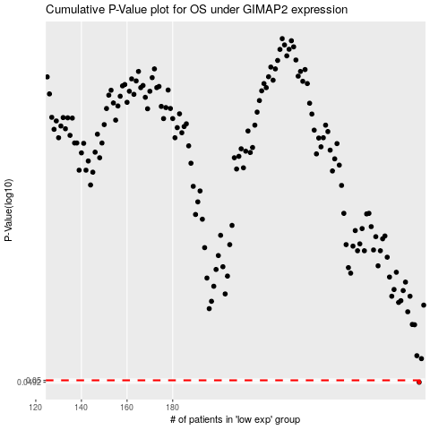

 |  |  |  |  |  | cases_OS | p_OS | rank | exp
 |  |  |  |  |  | 288 | 0.0492 | 34 | 0.26947150809
 |  |  |  |  |  |  | cases_RFS | p_RFS | rank | exp
 |  |  |  |  |  |  | 287 | 0.0492 | 410 | 0.25927122373

