GIMAP5 _multivariate
Reported by Tex Li-Hsing Chi. tex@gate.sinica.edu.tw 2019-08-19

Table 2. The clinicopathological features of HNSCC cohort and GIMAP5 expression. (Chi square test)
Cutoff at -0.606 (32.9%)
 |  | GIMAP5 expression |  | GIMAP5 expression |  | (Optimised)
 | Features | Low | (%) | High | (%) | Case no | P-value | Remark | Matthews
Gender | Female | 105 | 25.3 | 201 | 48.4 | 415 | 0.3159 | 0 | 0
2 | Male | 31 | 7.5 | 78 | 18.8
Age at diagnosis | <=65y | 91 | 21.9 | 183 | 44.1 | 415 | 0.8759 | 0 | 0
4 | >65y | 45 | 10.8 | 96 | 23.1
Clinical T Status | T1+T2 | 42 | 10.1 | 107 | 25.8 | 415 | 0.1677 | 0 | 0
6 | T3+T4 | 94 | 22.7 | 172 | 41.4
Clinical N Status | N0 | 75 | 18.1 | 141 | 34 | 415 | 0.4368 | 0 | 0
8 | N1-3 | 61 | 14.7 | 138 | 33.3
Clinical M Status | M0 | 136 | 32.8 | 276 | 66.5 | 415 | 0.554 | 0 | 0
10 | M1 | 0 | 0 | 3 | 0.7
Clinical Stage | Stage I+II | 31 | 7.5 | 71 | 17.1 | 415 | 0.6398 | 0 | 0
12 | Stage III+IV | 105 | 25.3 | 208 | 50.1
Surgical Margin status | Negative | 103 | 24.8 | 215 | 51.8 | 415 | 0.8051 | 0 | 0
14 | Positive | 33 | 8 | 64 | 15.4
Tobacco Exposure | Low | 50 | 12 | 111 | 26.7 | 415 | 0.5923 | 0 | 0
16 | High | 86 | 20.7 | 168 | 40.5

Table 3. Univariate/Multivariate Cox's proportional hazards regression analyses on OS time of GIMAP5 gene expression in HNSCC

 |  | Univariate |  |  |  | Multivariate
 | Features | HR | CI95%(L) | CI95%(H) | P-value | HR | CI95%(L) | CI95%(H) | P-value
1 | Female | 1 |  |  |  | 1
Gender | Male | 1.157 | 0.843 | 1.587 | 0.367 | 1.204 | 0.861 | 1.682 | 0.278
11 | <=65y | 1 |  |  |  | 1
Age at diagnosis | >65y | 1.329 | 0.99 | 1.784 | 0.058 | 1.376 | 1.014 | 1.868 | 0.04
12 | T1+T2 | 1 |  |  |  | 1
Clinical T Status | T3+T4 | 1.409 | 1.028 | 1.931 | 0.033 | 2.188 | 1.157 | 4.135 | 0.016
13 | N0 | 1 |  |  |  | 1
Clinical N Status | N1-3 | 1.185 | 0.89 | 1.577 | 0.246 | 1.26 | 0.884 | 1.797 | 0.202
14 | M0 | 1 |  |  |  | 1
Clinical M Status | M1 | 4.097 | 1.009 | 16.644 | 0.049 | 10.458 | 2.272 | 48.127 | 0.003
15 | Stage I+II | 1 |  |  |  | 1
Clinical Stage | Stage III+IV | 1.245 | 0.882 | 1.759 | 0.213 | 0.492 | 0.229 | 1.055 | 0.068
16 | Negative | 1 |  |  |  | 1
Surgical Margin status | Positive | 1.591 | 1.155 | 2.191 | 0.004 | 1.682 | 1.217 | 2.324 | 0.002
17 | Low | 1 |  |  |  | 1
Tobacco Exposure | High | 1.364 | 1.008 | 1.844 | 0.044 | 1.417 | 1.028 | 1.953 | 0.033
18 | Low | 1 |  |  |  | 1
RNAseq(z-score) | High | 0.726 | 0.541 | 0.973 | 0.032 | 0.731 | 0.543 | 0.984 | 0.039

Table 4. Univariate/Multivariate Cox's proportional hazards regression analyses on RFS time of GIMAP5 gene expression in HNSCC

 |  | Univariate |  |  |  | Multivariate
 | Features | HR | CI95%(L) | CI95%(H) | P-value | HR | CI95%(L) | CI95%(H) | P-value
1 | Female | 1 |  |  |  | 1
Gender | Male | 1.157 | 0.843 | 1.587 | 0.367 | 1.204 | 0.861 | 1.682 | 0.278
11 | <=65y | 1 |  |  |  | 1
Age at diagnosis | >65y | 1.329 | 0.99 | 1.784 | 0.058 | 1.376 | 1.014 | 1.868 | 0.04
12 | T1+T2 | 1 |  |  |  | 1
Clinical T Status | T3+T4 | 1.409 | 1.028 | 1.931 | 0.033 | 2.188 | 1.157 | 4.135 | 0.016
13 | N0 | 1 |  |  |  | 1
Clinical N Status | N1-3 | 1.185 | 0.89 | 1.577 | 0.246 | 1.26 | 0.884 | 1.797 | 0.202
14 | M0 | 1 |  |  |  | 1
Clinical M Status | M1 | 4.097 | 1.009 | 16.644 | 0.049 | 10.458 | 2.272 | 48.127 | 0.003
15 | Stage I+II | 1 |  |  |  | 1
Clinical Stage | Stage III+IV | 1.245 | 0.882 | 1.759 | 0.213 | 0.492 | 0.229 | 1.055 | 0.068
16 | Negative | 1 |  |  |  | 1
Surgical Margin status | Positive | 1.591 | 1.155 | 2.191 | 0.004 | 1.682 | 1.217 | 2.324 | 0.002
17 | Low | 1 |  |  |  | 1
Tobacco Exposure | High | 1.364 | 1.008 | 1.844 | 0.044 | 1.417 | 1.028 | 1.953 | 0.033
18 | Low | 1 |  |  |  | 1
RNAseq(z-score) | High | 0.726 | 0.541 | 0.973 | 0.032 | 0.731 | 0.543 | 0.984 | 0.039

Kaplan-Meier survival estimate: Cutoff at -0.606 (32.9%)

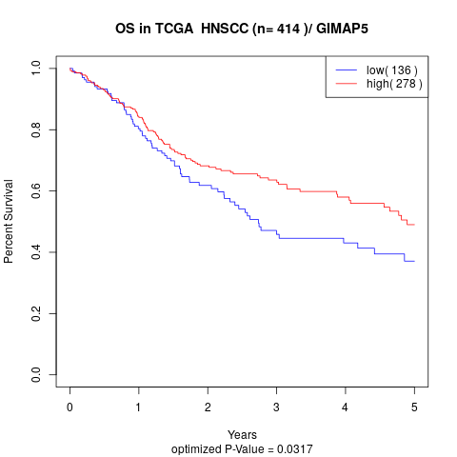

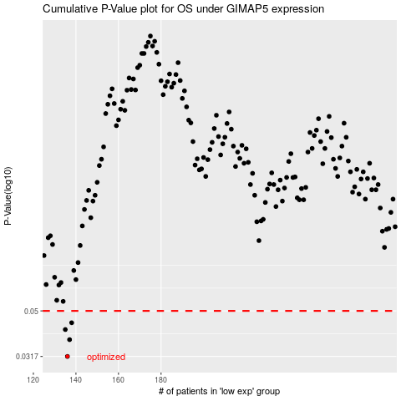

 |  |  |  |  |  | cases_OS | p_OS | rank | exp
 |  |  |  |  |  | 136 | 0.0317 | 320 | -0.60559104201
 |  |  |  |  |  | 137 | 0.0375 | 310 | -0.60291487719
 |  |  |  |  |  | 135 | 0.0415 | 361 | -0.60707160978
 |  |  |  |  |  | 138 | 0.0444 | 219 | -0.60199935702
 |  |  |  |  |  |  | cases_RFS | p_RFS | rank | exp
 |  |  |  |  |  |  | 135 | 0.0317 | 361 | -0.60707160978
 |  |  |  |  |  |  | 136 | 0.0375 | 320 | -0.60559104201
 |  |  |  |  |  |  | 134 | 0.0415 | 372 | -0.6071717448
 |  |  |  |  |  |  | 137 | 0.0444 | 310 | -0.60291487719

