GIN1 _multivariate
Reported by Tex Li-Hsing Chi. tex@gate.sinica.edu.tw 2019-08-19

Table 2. The clinicopathological features of HNSCC cohort and GIN1 expression. (Chi square test)
Cutoff at -0.238 (49.8%)
 |  | GIN1 expression |  | GIN1 expression |  | (Optimised)
 | Features | Low | (%) | High | (%) | Case no | P-value | Remark | Matthews
Gender | Female | 158 | 38.1 | 148 | 35.7 | 415 | 0.2774 | 0 | 0
2 | Male | 49 | 11.8 | 60 | 14.5
Age at diagnosis | <=65y | 136 | 32.8 | 138 | 33.3 | 415 | 0.9719 | 0 | 0
4 | >65y | 71 | 17.1 | 70 | 16.9
Clinical T Status | T1+T2 | 50 | 12 | 99 | 23.9 | 415 | 0 | 1 | 0
6 | T3+T4 | 157 | 37.8 | 109 | 26.3
Clinical N Status | N0 | 99 | 23.9 | 117 | 28.2 | 415 | 0.1054 | 0 | 0
8 | N1-3 | 108 | 26 | 91 | 21.9
Clinical M Status | M0 | 207 | 49.9 | 205 | 49.4 | 415 | 0.2482 | 0 | 0
10 | M1 | 0 | 0 | 3 | 0.7
Clinical Stage | Stage I+II | 37 | 8.9 | 65 | 15.7 | 415 | 0.0023 | 1 | 0
12 | Stage III+IV | 170 | 41 | 143 | 34.5
Surgical Margin status | Negative | 162 | 39 | 156 | 37.6 | 415 | 0.4867 | 0 | 0
14 | Positive | 45 | 10.8 | 52 | 12.5
Tobacco Exposure | Low | 74 | 17.8 | 87 | 21 | 415 | 0.227 | 0 | 0
16 | High | 133 | 32 | 121 | 29.2

Table 3. Univariate/Multivariate Cox's proportional hazards regression analyses on OS time of GIN1 gene expression in HNSCC

 |  | Univariate |  |  |  | Multivariate
 | Features | HR | CI95%(L) | CI95%(H) | P-value | HR | CI95%(L) | CI95%(H) | P-value
1 | Female | 1 |  |  |  | 1
Gender | Male | 1.157 | 0.843 | 1.587 | 0.367 | 1.213 | 0.868 | 1.696 | 0.258
11 | <=65y | 1 |  |  |  | 1
Age at diagnosis | >65y | 1.329 | 0.99 | 1.784 | 0.058 | 1.391 | 1.023 | 1.892 | 0.035
12 | T1+T2 | 1 |  |  |  | 1
Clinical T Status | T3+T4 | 1.409 | 1.028 | 1.931 | 0.033 | 2.025 | 1.059 | 3.871 | 0.033
13 | N0 | 1 |  |  |  | 1
Clinical N Status | N1-3 | 1.185 | 0.89 | 1.577 | 0.246 | 1.225 | 0.857 | 1.75 | 0.265
14 | M0 | 1 |  |  |  | 1
Clinical M Status | M1 | 4.097 | 1.009 | 16.644 | 0.049 | 10.01 | 2.178 | 46.013 | 0.003
15 | Stage I+II | 1 |  |  |  | 1
Clinical Stage | Stage III+IV | 1.245 | 0.882 | 1.759 | 0.213 | 0.521 | 0.242 | 1.12 | 0.095
16 | Negative | 1 |  |  |  | 1
Surgical Margin status | Positive | 1.591 | 1.155 | 2.191 | 0.004 | 1.711 | 1.236 | 2.369 | 0.001
17 | Low | 1 |  |  |  | 1
Tobacco Exposure | High | 1.364 | 1.008 | 1.844 | 0.044 | 1.467 | 1.064 | 2.024 | 0.019
18 | Low | 1 |  |  |  | 1
RNAseq(z-score) | High | 0.789 | 0.591 | 1.053 | 0.107 | 0.807 | 0.595 | 1.095 | 0.169

Table 4. Univariate/Multivariate Cox's proportional hazards regression analyses on RFS time of GIN1 gene expression in HNSCC

 |  | Univariate |  |  |  | Multivariate
 | Features | HR | CI95%(L) | CI95%(H) | P-value | HR | CI95%(L) | CI95%(H) | P-value
1 | Female | 1 |  |  |  | 1
Gender | Male | 1.157 | 0.843 | 1.587 | 0.367 | 1.213 | 0.868 | 1.696 | 0.258
11 | <=65y | 1 |  |  |  | 1
Age at diagnosis | >65y | 1.329 | 0.99 | 1.784 | 0.058 | 1.391 | 1.023 | 1.892 | 0.035
12 | T1+T2 | 1 |  |  |  | 1
Clinical T Status | T3+T4 | 1.409 | 1.028 | 1.931 | 0.033 | 2.025 | 1.059 | 3.871 | 0.033
13 | N0 | 1 |  |  |  | 1
Clinical N Status | N1-3 | 1.185 | 0.89 | 1.577 | 0.246 | 1.225 | 0.857 | 1.75 | 0.265
14 | M0 | 1 |  |  |  | 1
Clinical M Status | M1 | 4.097 | 1.009 | 16.644 | 0.049 | 10.01 | 2.178 | 46.013 | 0.003
15 | Stage I+II | 1 |  |  |  | 1
Clinical Stage | Stage III+IV | 1.245 | 0.882 | 1.759 | 0.213 | 0.521 | 0.242 | 1.12 | 0.095
16 | Negative | 1 |  |  |  | 1
Surgical Margin status | Positive | 1.591 | 1.155 | 2.191 | 0.004 | 1.711 | 1.236 | 2.369 | 0.001
17 | Low | 1 |  |  |  | 1
Tobacco Exposure | High | 1.364 | 1.008 | 1.844 | 0.044 | 1.467 | 1.064 | 2.024 | 0.019
18 | Low | 1 |  |  |  | 1
RNAseq(z-score) | High | 0.789 | 0.591 | 1.053 | 0.107 | 0.807 | 0.595 | 1.095 | 0.169

Kaplan-Meier survival estimate: Cutoff at -0.238 (49.8%)



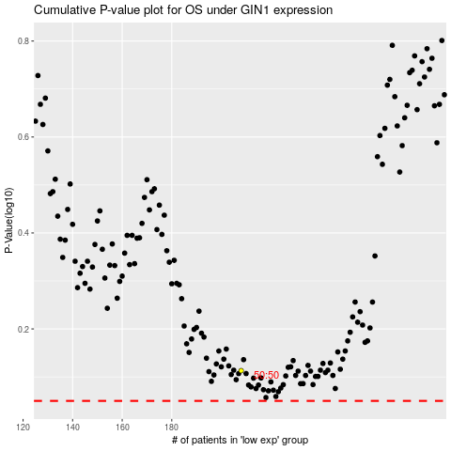

 |  |  |  |  |  | cases_OS | p_OS | rank | exp
 |  |  |  |  |  |  | cases_RFS | p_RFS | rank | exp

