GINS1 _multivariate
Reported by Tex Li-Hsing Chi. tex@gate.sinica.edu.tw 2019-08-19

Table 2. The clinicopathological features of HNSCC cohort and GINS1 expression. (Chi square test)
Cutoff at -0.154 (49.8%)
 |  | GINS1 expression |  | GINS1 expression |  | (Optimised)
 | Features | Low | (%) | High | (%) | Case no | P-value | Remark | Matthews
Gender | Female | 150 | 36.1 | 156 | 37.6 | 415 | 0.6344 | 0 | 0
2 | Male | 57 | 13.7 | 52 | 12.5
Age at diagnosis | <=65y | 130 | 31.3 | 144 | 34.7 | 415 | 0.2009 | 0 | 0
4 | >65y | 77 | 18.6 | 64 | 15.4
Clinical T Status | T1+T2 | 70 | 16.9 | 79 | 19 | 415 | 0.4343 | 0 | 0
6 | T3+T4 | 137 | 33 | 129 | 31.1
Clinical N Status | N0 | 115 | 27.7 | 101 | 24.3 | 415 | 0.184 | 1 | 0
8 | N1-3 | 92 | 22.2 | 107 | 25.8
Clinical M Status | M0 | 206 | 49.6 | 206 | 49.6 | 415 | 1 | 0 | 0
10 | M1 | 1 | 0.2 | 2 | 0.5
Clinical Stage | Stage I+II | 51 | 12.3 | 51 | 12.3 | 415 | 1 | 0 | 0
12 | Stage III+IV | 156 | 37.6 | 157 | 37.8
Surgical Margin status | Negative | 158 | 38.1 | 160 | 38.6 | 415 | 0.9081 | 0 | 0
14 | Positive | 49 | 11.8 | 48 | 11.6
Tobacco Exposure | Low | 84 | 20.2 | 77 | 18.6 | 415 | 0.4816 | 0 | 0
16 | High | 123 | 29.6 | 131 | 31.6

Table 3. Univariate/Multivariate Cox's proportional hazards regression analyses on OS time of GINS1 gene expression in HNSCC

 |  | Univariate |  |  |  | Multivariate
 | Features | HR | CI95%(L) | CI95%(H) | P-value | HR | CI95%(L) | CI95%(H) | P-value
1 | Female | 1 |  |  |  | 1
Gender | Male | 1.157 | 0.843 | 1.587 | 0.367 | 1.205 | 0.862 | 1.684 | 0.275
11 | <=65y | 1 |  |  |  | 1
Age at diagnosis | >65y | 1.329 | 0.99 | 1.784 | 0.058 | 1.387 | 1.019 | 1.886 | 0.037
12 | T1+T2 | 1 |  |  |  | 1
Clinical T Status | T3+T4 | 1.409 | 1.028 | 1.931 | 0.033 | 2.219 | 1.171 | 4.203 | 0.014
13 | N0 | 1 |  |  |  | 1
Clinical N Status | N1-3 | 1.185 | 0.89 | 1.577 | 0.246 | 1.236 | 0.865 | 1.765 | 0.244
14 | M0 | 1 |  |  |  | 1
Clinical M Status | M1 | 4.097 | 1.009 | 16.644 | 0.049 | 9.442 | 2.059 | 43.292 | 0.004
15 | Stage I+II | 1 |  |  |  | 1
Clinical Stage | Stage III+IV | 1.245 | 0.882 | 1.759 | 0.213 | 0.502 | 0.234 | 1.079 | 0.078
16 | Negative | 1 |  |  |  | 1
Surgical Margin status | Positive | 1.591 | 1.155 | 2.191 | 0.004 | 1.669 | 1.208 | 2.307 | 0.002
17 | Low | 1 |  |  |  | 1
Tobacco Exposure | High | 1.364 | 1.008 | 1.844 | 0.044 | 1.447 | 1.05 | 1.995 | 0.024
18 | Low | 1 |  |  |  | 1
RNAseq(z-score) | High | 1.072 | 0.804 | 1.43 | 0.634 | 1.049 | 0.784 | 1.403 | 0.749

Table 4. Univariate/Multivariate Cox's proportional hazards regression analyses on RFS time of GINS1 gene expression in HNSCC

 |  | Univariate |  |  |  | Multivariate
 | Features | HR | CI95%(L) | CI95%(H) | P-value | HR | CI95%(L) | CI95%(H) | P-value
1 | Female | 1 |  |  |  | 1
Gender | Male | 1.157 | 0.843 | 1.587 | 0.367 | 1.205 | 0.862 | 1.684 | 0.275
11 | <=65y | 1 |  |  |  | 1
Age at diagnosis | >65y | 1.329 | 0.99 | 1.784 | 0.058 | 1.387 | 1.019 | 1.886 | 0.037
12 | T1+T2 | 1 |  |  |  | 1
Clinical T Status | T3+T4 | 1.409 | 1.028 | 1.931 | 0.033 | 2.219 | 1.171 | 4.203 | 0.014
13 | N0 | 1 |  |  |  | 1
Clinical N Status | N1-3 | 1.185 | 0.89 | 1.577 | 0.246 | 1.236 | 0.865 | 1.765 | 0.244
14 | M0 | 1 |  |  |  | 1
Clinical M Status | M1 | 4.097 | 1.009 | 16.644 | 0.049 | 9.442 | 2.059 | 43.292 | 0.004
15 | Stage I+II | 1 |  |  |  | 1
Clinical Stage | Stage III+IV | 1.245 | 0.882 | 1.759 | 0.213 | 0.502 | 0.234 | 1.079 | 0.078
16 | Negative | 1 |  |  |  | 1
Surgical Margin status | Positive | 1.591 | 1.155 | 2.191 | 0.004 | 1.669 | 1.208 | 2.307 | 0.002
17 | Low | 1 |  |  |  | 1
Tobacco Exposure | High | 1.364 | 1.008 | 1.844 | 0.044 | 1.447 | 1.05 | 1.995 | 0.024
18 | Low | 1 |  |  |  | 1
RNAseq(z-score) | High | 1.072 | 0.804 | 1.43 | 0.634 | 1.049 | 0.784 | 1.403 | 0.749

Kaplan-Meier survival estimate: Cutoff at -0.154 (49.8%)



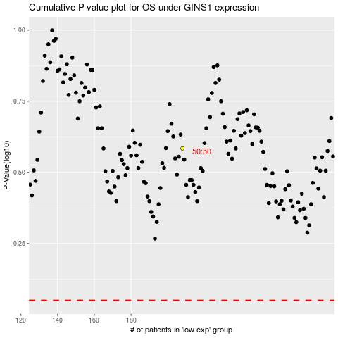

 |  |  |  |  |  | cases_OS | p_OS | rank | exp
 |  |  |  |  |  |  | cases_RFS | p_RFS | rank | exp

